waterfall
Row Labels | Count of variable
categorical | 10
numerical | 145
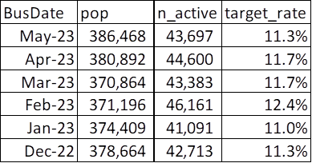
Grand Total | 155

Sample Definition | Inactive last 30 days
Target Definition | Active in the next month

BusDate | pop | n_active | target_rate
May-23 | 386,468 | 43,697 | 11.3%
Apr-23 | 380,892 | 44,600 | 11.71%
Mar-23 | 370,864 | 43,383 | 11.7%
Feb-23 | 371,196 | 46,161 | 12.4%
Jan-23 | 374,409 | 41,091 | 11.0%
Dec-23 | 378,664 | 42,713 | 11.3%

Dev - Apr23 | Type | # | M+1 | target_rate
 | Train | 266,624 | 31,225 | 11.7% | 70%
 | Test | 114,268 | 13,375 | 11.7% | 30%
OOT - May-23 |  | 386,468 | 43,697 | 11.3%

Char waterfall | Count of drop variable | variable
identical_rate>0.95 | 31 | 124
info_value<0.02 | 7 | 117
info_value<0.02, identical_rate>0.95 | 38 | 79
info_value<0.02, missing_rate>0.95 | 3 | 76
info_value>0.5 | 10 | 66
missing_rate>0.95 | 3 | 63
multicol | 23 | 40
ready for decision tree

Train
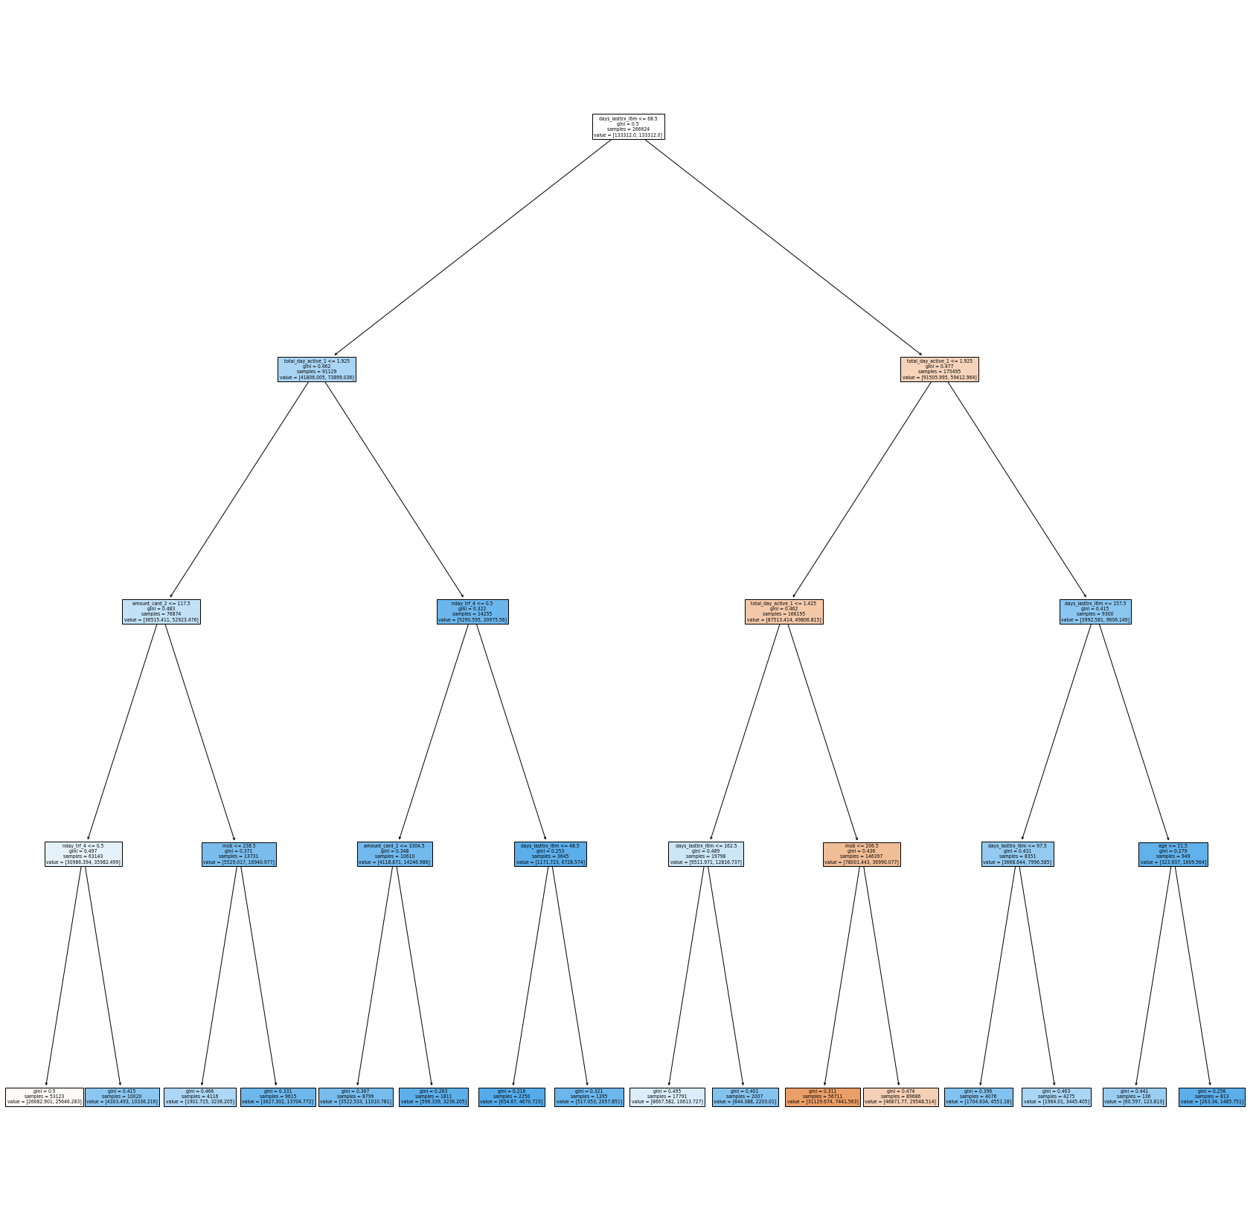
266624 | 31225 | 11.7%

Test
