SharePrice_Data
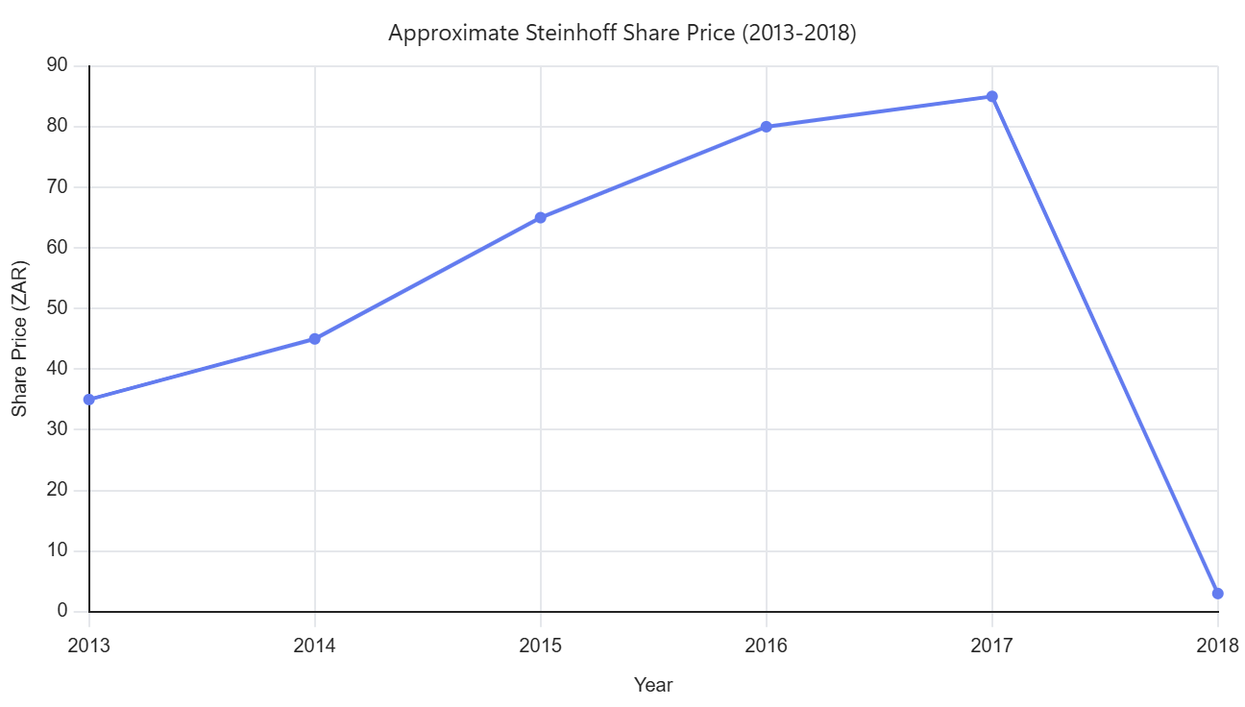
STEINHOFF SHARE PRICE — VERIFIED ANCHOR POINTS (JSE:SNH, ZAR)
Date | Event | Price (ZAR) | Market Cap (Rbn) | Source | Category
2016-04-01 | Pre-decline local peak, ahead of slow decline into 2017 | 95.00 |  | CNBC Africa, "Inside the Steinhoff saga" (Jun 2018) | Before
2017-05-23 | Last stable trading level before the December crash | 50.25 | 240.50 | CNBC Africa, "Inside the Steinhoff saga" (Jun 2018) | Before
2017-12-01 | Approx. price immediately before resignation announcement | 56.00 |  | CNBC Africa, "Inside the Steinhoff saga" (Jun 2018) | Before
2017-12-06 | Jooste resignation + "accounting irregularities" disclosed after market close | 56.00 |  | Public record / Steinhoff SENS announcement | During
2017-12-08 | End of first crash week — approx. 85-98% one-week decline; ~R150bn+ (~EUR10.3bn) of market value erased | ~1.00-8.00 (range unverified daily low) |  | Bloomberg/Reuters/BizNews, Dec 2017 (cross-check exact daily close against JSE data before using in the model) | During
2023-10-13 | JSE delisting — final trading day | 0.02 | 0.0854 (total mkt cap at delisting) | JSE delisting notice / afx.kwayisi.org | After

Dashboard
STEINHOFF INTERNATIONAL — EXECUTIVE DASHBOARD
All figures live-linked to the corrected Income Statement / Financial Position / Ratios / Distress_Models tabs.

Year | 2013 | 2014 | 2015 | 2016 | 2017 | 2018
Revenue (Rm) | 97,938 | 117,364 | 43,445 | 99,848 | 187,095 | 200,477
Current Ratio | 1.24 | 1.45 | 0.45 | 0.92 | 0.32 | 0.53
ROA (corrected) | 4.8% | 5.0% | 5.9% | 10.7% | -343.1% | -114.0%
ROE | 11.9% | 11.2% | 41.4% | 25.3% | -2873.9% | -2912.2%
Debt Ratio | 29.3% | 30.5% | 31.7% | 41.0% | 34.9% | 49.2%
Altman Z''-Score | 1.49 | 1.98 | -2.99 | 0.59 | -5.91 | -3.77
Goodwill % of Total Assets | 11.4% | 14.2% | 25.1% | 33.4% | 26.2% | 27.4%

KPI Scorecard — FY2018 vs FY2017 (traffic light)
KPI | FY2017 | FY2018 | Direction
Current Ratio | 0.32 | 0.53 | 0.22
ROA | -343.1% | -114.0% | 229.1%
ROE | -2873.9% | -2912.2% | -38.3%
Debt Ratio | 49.2% | 63.2% | 14.0%
Altman Z''-Score | -5.91 | -3.77 | 2.13
Net Profit Margin | -32.1% | -9.3% | 22.8%

Revenue Trend (Rm)
Current Ratio Trend (Liquidity)

ROA vs ROE (corrected)
Debt Ratio & Goodwill Intensity

Altman Z''-Score (Distress Threshold 1.1 / Safe 2.6)

