2 razmerji
 | 1 : 12 | 12 |  |  | 3.4641016151 |  |  |  | https://boyanmfg.com/gear-terminology-teeth-calculation-formulas-easy-guide/

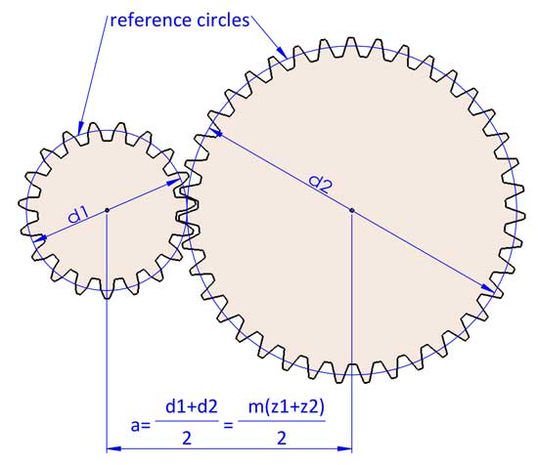
 | G1a | G1b | G2a | G2b |  | r1 | r2 | R

 | 16 | 48 | 16 | 64 |  | 3 | 4 | 12
 | 15 | 48 | 16 | 60 |  | 3.2 | 3.75

Distance
55 | 15 | 48 | 16 | 60 |  | 3.2 | 3.75 | 12

modulo |  | 1.746031746 |  | 1.4473684211
diameter | 26.19047619 | 83.80952381 | 23.157894737 | 86.842105263

pitch: |  | 5.5 |  | 4.5
tooth width: |  | 2.7 |  | 2.3

thick | 6 | 4 | 7 | 4

