Large federation
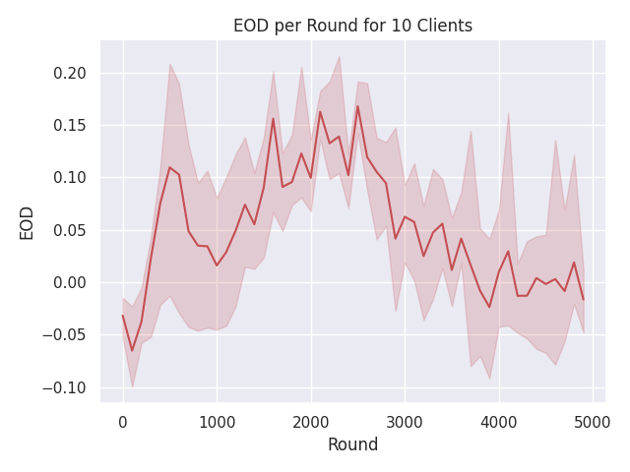
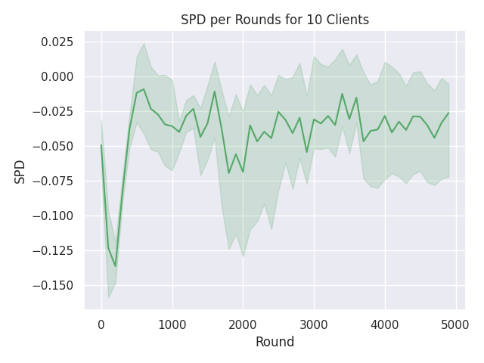
Num Clients | Fairness | Accuracy | EOD | SPD | Time | Num Clients | Accuracy | EOD | SPD | Time | both
10 | -- |  |  |  |  | 10 | 0.7872 | -0.0164 | -0.0262 | 22 min 28 sec
 | DP |  |  |  |  | 20
 | EO |  |  |  |  | 30
 | DP & EO |  |  |  |  | 40
20 | -- |  |  |  |  | 50
 | DP |  |  |  |  | 60
 | EO |  |  |  |  | 70
 | DP & EO |  |  |  |  | 80
30 | -- |  |  |  |  | 90
 | DP |  |  |  |  | 100
 | EO
 | DP & EO
40 | --
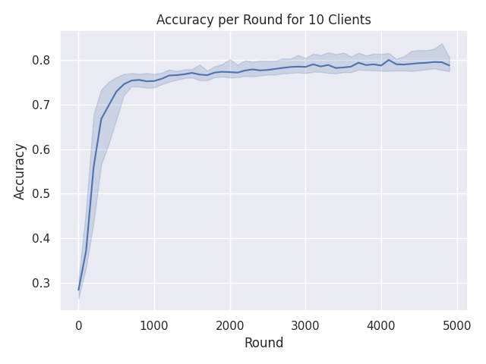
 | DP
 | EO
 | DP & EO
50 | --
 | DP
 | EO
 | DP & EO
60 | --
 | DP
 | EO
 | DP & EO
70 | --
 | DP
 | EO
 | DP & EO
80 | --
 | DP
 | EO
 | DP & EO
90 | --
 | DP
 | EO
 | DP & EO
100 | --
 | DP
 | EO
 | DP & EO

