Large federation
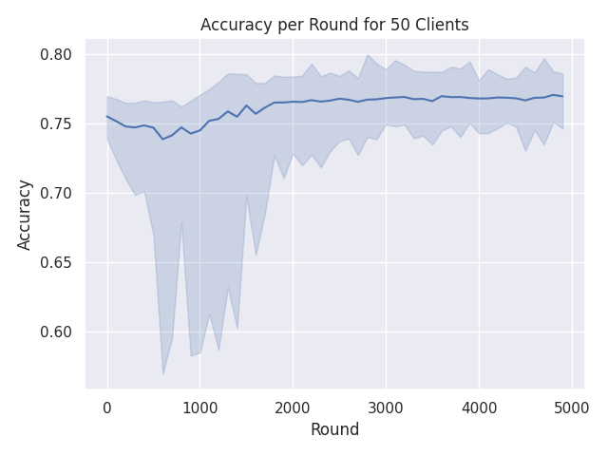
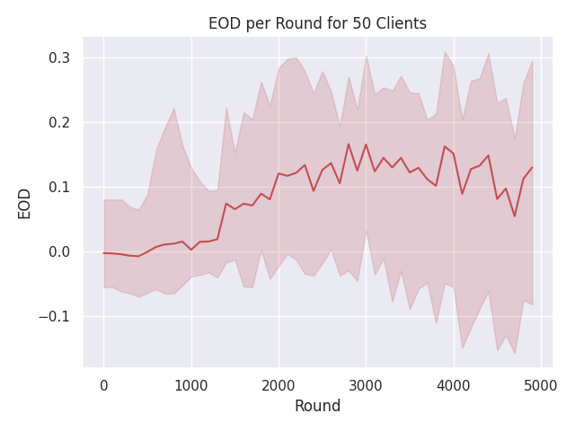
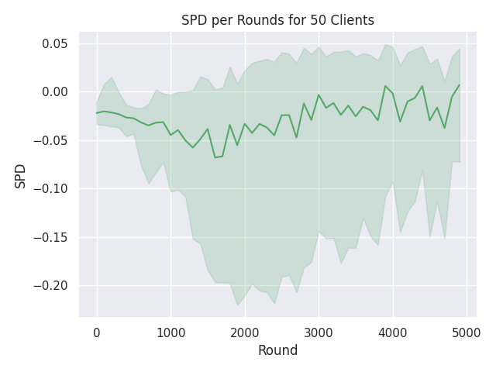
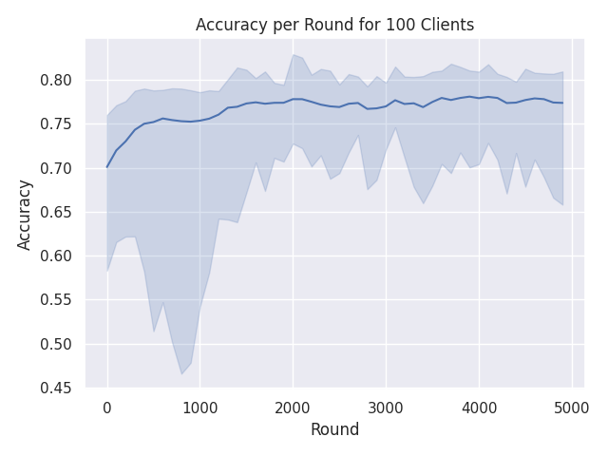
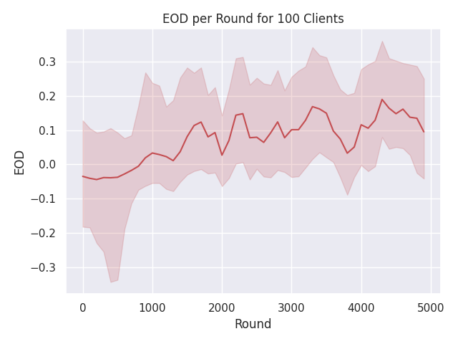
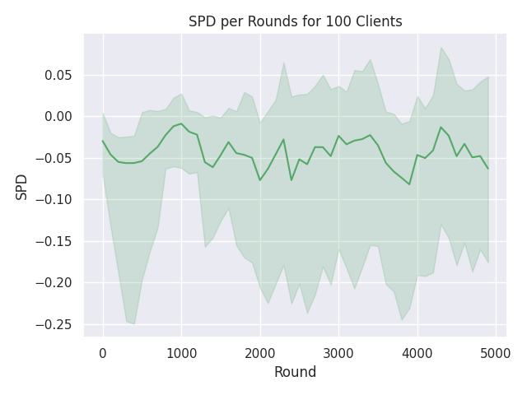
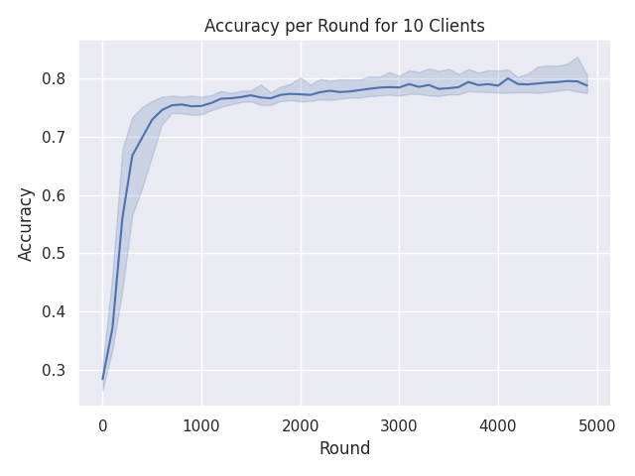
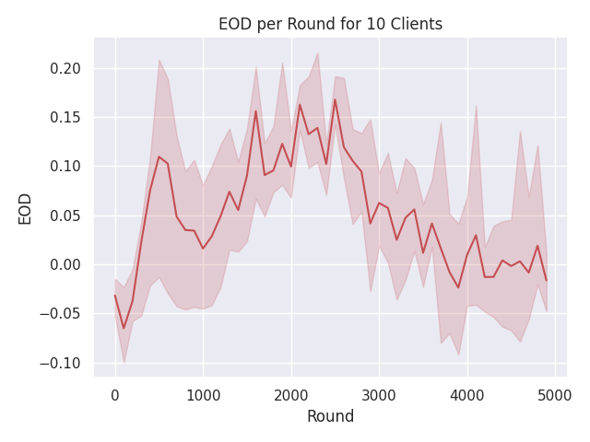
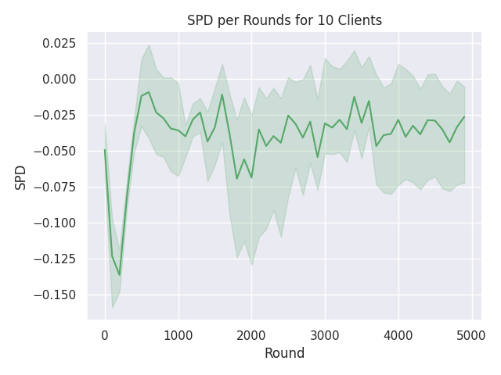
Num Clients | Accuracy | EOD | SPD | Time
10 | 0.7872 | -0.0164 | -0.0262 | 22 min 28 sec
20 | 0.7689 | 0.0414 | -0.0539 | 22 min 40 sec
30 | 0.7694 | 0.1163 | -0.0466 | 23 min 12 sec
40 | 0.771 | 0.1287 | -0.0313 | 24 min 20 sec
50 | 0.7696 | 0.1295 | 0.0069 | 24 min 2 sec
60 | 0.767 | 0.0738 | -0.0545 | 25 min 4 sec
70 | 0.7667 | 0.2371 | -0.0127 | 24 min 35 sec
80 | 0.7762 | 0.1207 | -0.0176 | 25 min 51 sec
90 | 0.7737 | 0.1005 | -0.0387 | 25 min 18 sec
100 | 0.7737 | 0.095 | -0.0631 | 25 min 57 sec

