Moving Tag test
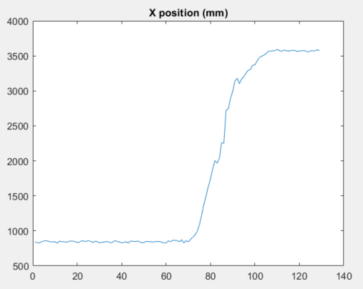
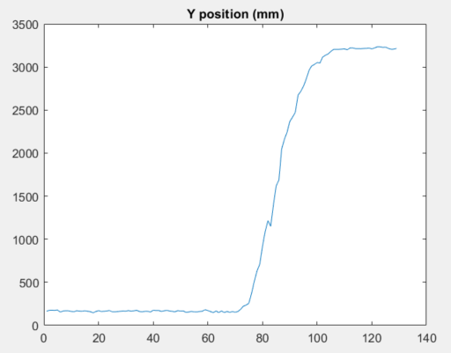
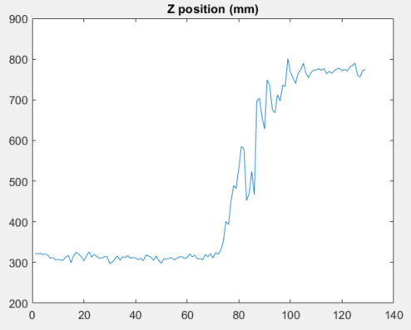
This is the set of results for X,Y,Z elements of the measured position of a moving tag module, while it was moving in X-Y plane and its Z axis position was constant. In the test, the tag module was located on a wheeled-chair and pushed in the lab in the direction of north-west in a local coordinate system. The data is gathered for the whole test, starting from a stationary state, moving toward north-west and reaching at the final stationary state.
As can be seen:
1. The variation of the measured values in X-Y plane during the movement of the module is low. We can claim that the measured positions in X-Y plane during the movement is almost as smooth as the measured positions in X-Y plane while the tag is stationary. No harsh disruption in measurements is observed while the tag is moving.
2. Although the Z position of the element is constant, the measured Z position of the tag is changing according to its movement in X-Y plane. It is a not-acceptable result. So, the localization algorithm should be improved to solve this issue.
3. The variation of the measured positions in X,Y,Z directions for the tag during the stationary states is very minor and the results are changing a little around their corresponding mean values. The achieved standard deviation of the measurements in X,Y,Z directions are 10,8,6 mm at the initial statinary state, respectively; these values are 12,12,9 mm for the final stationary state, respectively.

EKF comparison
