BearRiverNetwork
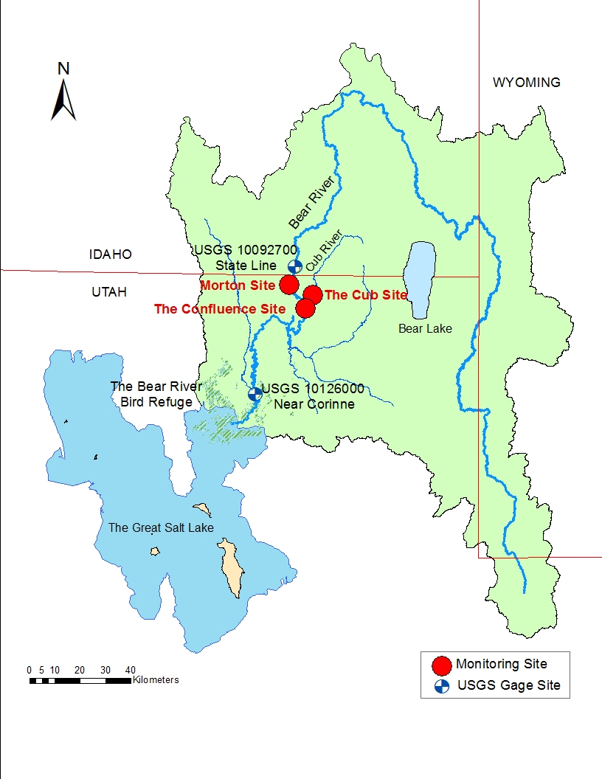
The Lower Bear River Network | The Lower Bear River Map

Return Flow
Link
Legend
Junction
Demand Site
Reservoir
Environmental Site

EvaporationCurve
Volume vs area
 | STOR (m3) | elevation (m) | area (m) | At+Ab |  |  | Old elevation at STOR=0
0 | 0 | 1399.032 | 0 | 317907.21838 |  |  | 1399.032
1 | 160352.64119 | 1402.08 | 317907.21838 | 1598027.049
elevation vs area
2 | 800529.7241 | 1405.128 | 1280119.8306 | 4286102.6628
3 | 2145024.9464 | 1408.176 | 3005982.8322 | 8519970.2823
4 | 4262913.292 | 1411.224 | 5513987.4501 | 14637512.681
5 | 7323181.775 | 1414.272 | 9123525.2313 | 22771714.444
6 | 11392438.416 | 1417.32 | 13648189.212 | 32559846.592
7 | 16289361.381 | 1420.368 | 18911657.38 | 43691335.477
8 | 21858531.958 | 1423.416 | 24779678.098 | 46059203.504
9 | 23046374.985 | 1424.0256 | 21279525.407 | 55718219.217
10 | 27876689.93 | 1426.464 | 34438693.81 | 69279825.654
11 | 34660840.134 | 1429.512 | 34841131.844 | 84072213.438
12 | 42061731.266 | 1432.56 | 49231081.594 | 100343960.11
13 | 50202711.512 | 1435.608 | 51112878.515 | 118094899.4
14 | 59083780.87 | 1438.656 | 66982020.882 | 137571733.93
15 | 68828287.527 | 1441.704 | 70589713.043 | 159020995.51
16 | 79559579.668 | 1444.752 | 88431282.467 | 182195824.61
17 | 91154309.108 | 1447.8 | 93764542.143 | 125921.13428

Volume vs area
j30 | MillCreek |  |  |  |  |  | WEAP Data
 | STOR (m3) | elevation (m) | area (m) | At+Ab | Month | evap(m) | STOR (AF) | elevation (ft) | Month | evap(ft)
 | 0 | 1690.4208 | 0 | 19078.008999 | t1 | 0 | 0 | 5546 | t1 | 0
 | 0.04070484 | 1694.688 | 0.019078008999 | 142044.44882 | t2 | 0 | 33 | 5560 | t2 | 0
 | 0.47365632 | 1700.784 | 0.14204442974 | 297848.18898 | t3 | 0 | 384 | 5580 | t3 | 0
 | 1.3814976 | 1706.88 | 0.29784804693 | 475909.6063 | t4 | 0.03048 | 1120 | 5600 | t4 | 0.1
 | 2.83207008 | 1712.976 | 0.47590930845 | 698486.37795 | t5 | 0.12192 | 2296 | 5620 | t5 | 0.4
 | 4.96105656 | 1719.072 | 0.69848590204 | 985812.75591 | t6 | 0.1524 | 4022 | 5640 | t6 | 0.5
 | 7.96581384 | 1725.168 | 0.98581205742 | 1573415.4331 | t7 | 0.18288 | 6458 | 5660 | t7 | 0.6
 | 12.76158408 | 1731.264 | 1.5734144473 | 2167088.3858 | t8 | 0.1524 | 10346 | 5680 | t8 | 0.5
 | 19.36686948 | 1737.36 | 2.1670868124 | 2838865.5512 | t9 | 0.09144 | 15701 | 5700 | t9 | 0.3
 | 28.01973168 | 1743.456 | 2.8388633841 | 3569726.7323 | t10 | 0.09144 | 22716 | 5720 | t10 | 0.3
 | 38.90025876 | 1749.552 | 3.5697238934 | 4366146.8898 | t11 | 0 | 31537 | 5740 | t11 | 0
 | 52.20827448 | 1755.648 | 4.36614332 | 5181991.9291 | t12 | 0 | 42326 | 5760 | t12 | 0
 | 68.00298588 | 1761.744 | 5.181987563 | 6052064.7638 |  |  | 55131 | 5780
 | 86.44967928 | 1767.84 | 6.0520595818 | 97802.605756 |  |  | 70086 | 5800

Volume vs area
j7 | Cutler |  |  |  |  |  | WEAP Data
 | STOR (m3) | elevation (m) | area (m) | At+Ab | Month | evap(m) | STOR (AF) | elevation (ft) | Month | evap(ft)
 | 0 | 1284.1224 | 0 | 3570750.3474 | t1 | 0 | 0 | 4213 | t1 | 0
 | 9.2511 | 1289.304 | 3.5707503474 | 11128838.583 | t2 | 0 | 7500 | 4230 | t2 | 0
 | 26.21145 | 1292.352 | 11.128835012 | 17199114.173 | t3 | 0 | 21250 | 4240 | t3 | 0
 | 52.4229 | 1295.4 | 17.199103044 | 22257677.165 | t4 | 0.03048 | 42500 | 4250 | t4 | 0.1
 | 86.3436 | 1298.448 | 22.257659966 | 25292814.961 | t5 | 0.12192 | 70000 | 4260 | t5 | 0.4
 | 117.1806 | 1300.8864 | 25.292792703 | 28906074.241 | t6 | 0.1524 | 95000 | 4268 | t6 | 0.5
 | 148.0176 | 1303.02 | 28.906048948 | 227191.60105 | t7 | 0.18288 | 120000 | 4275 | t7 | 0.6
 |  |  |  |  | t8 | 0.1524 |  |  | t8 | 0.5
 |  |  |  |  | t9 | 0.09144 |  |  | t9 | 0.3
 |  |  |  |  | t10 | 0.09144 |  |  | t10 | 0.3
 |  |  |  |  | t11 | 0 |  |  | t11 | 0
 |  |  |  |  | t12 | 0 |  |  | t12 | 0

Volume vs area
j1 | Onida |  |  |  |  |  | WEAP Data
 | STOR (m3) | elevation (m) | area (m) | At+Ab | Month | evap(m) | STOR (AF) | elevation (ft) | Month | evap(ft)
 | 0 | 13621.8168 | 0 | -985.17919494 | t1 | 0 | 0 | 44691 | t1 | 0
 | 5.99964672 | 1442.0088 | -0.00098517919494 | 2258790.0157 | t2 | 0 | 4864 | 4731 | t2 | 0
 | 14.60563668 | 1449.6288 | 2.2587900167 | 3050030.2047 | t3 | 0 | 11841 | 4756 | t3 | 0
 | 26.22625176 | 1457.2488 | 3.0500279459 | 3739613.5118 | t4 | 0.03048 | 21262 | 4781 | t4 | 0.1
 | 40.47417924 | 1464.8688 | 3.7396104618 | 4421750.6142 | t5 | 0.12192 | 32813 | 4806 | t5 | 0.4
 | 57.32104908 | 1472.4888 | 4.4217468746 | 5518932.6929 | t6 | 0.1524 | 46471 | 4831 | t6 | 0.5
 | 78.34818264 | 1480.1088 | 5.5189282712 | 8608136.4094 | t7 | 0.18288 | 63518 | 4856 | t7 | 0.6
 | 111.14518236 | 1487.7288 | 8.6081308905 | 9929028.378 | t8 | 0.1524 | 90107 | 4881 | t8 | 0.5
 | 148.97478048 | 1495.3488 | 9.9290197698 | 199250.87776 | t9 | 0.09144 | 120776 | 4906 | t9 | 0.3
 |  |  |  |  | t10 | 0.09144 |  |  | t10 | 0.3
 |  |  |  |  | t11 | 0 |  |  | t11 | 0
 |  |  |  |  | t12 | 0 |  |  | t12 | 0

Volume vs area
j17 | Mainstem |  |  |  |  |  | WEAP Data
 | STOR (m3) | elevation (m) | area (m) | At+Ab | Month | evap(m) | STOR (AF) | elevation (ft) | Month | evap(ft)
 | 0 | 1284.1224 | 0 | 3570750.3474 | t1 | 0 | 0 | 4213 | t1 | 0
 | 9.2511 | 1289.304 | 3.5707503474 | 11128838.583 | t2 | 0 | 7500 | 4230 | t2 | 0
 | 26.21145 | 1292.352 | 11.128835012 | 17199114.173 | t3 | 0 | 21250 | 4240 | t3 | 0
 | 52.4229 | 1295.4 | 17.199103044 | 22257677.165 | t4 | 0.03048 | 42500 | 4250 | t4 | 0.1
 | 86.3436 | 1298.448 | 22.257659966 | 25292814.961 | t5 | 0.12192 | 70000 | 4260 | t5 | 0.4
 | 117.1806 | 1300.8864 | 25.292792703 | 28906074.241 | t6 | 0.1524 | 95000 | 4268 | t6 | 0.5
 | 148.0176 | 1303.02 | 28.906048948 | 227191.60105 | t7 | 0.18288 | 120000 | 4275 | t7 | 0.6
 |  |  |  |  | t8 | 0.1524 |  |  | t8 | 0.5
 |  |  |  |  | t9 | 0.09144 |  |  | t9 | 0.3
 |  |  |  |  | t10 | 0.09144 |  |  | t10 | 0.3
 |  |  |  |  | t11 | 0 |  |  | t11 | 0
 |  |  |  |  | t12 | 0 |  |  | t12 | 0

j29 | Hyrum |  |  |  |  |  | WEAP Data
 | STOR (Mm3) | elevation (m) | area (Mm2) | At+Ab | Month | evap(m) | STOR (AF) | elevation (ft) | Month | evap(ft)
 | 0 | 1399.032 | 0 | 105218.11024 | t1 | 0 | 0 | 4590 | t1 | 0
 | 0.1603524 | 1402.08 | 0.10521811024 | 420063.07087 | t2 | 0 | 130 | 4600 | t2 | 0
Volume vs area
 | 0.80052852 | 1405.128 | 0.42006296565 | 882213.38583 | t3 | 0 | 649 | 4610 | t3 | 0
 | 2.14502172 | 1408.176 | 0.88221296576 | 1389688.4252 | t4 | 0.03048 | 1739 | 4620 | t4 | 0.1
 | 4.26290688 | 1411.224 | 1.389687543 | 2008047.1654 | t5 | 0.12192 | 3456 | 4630 | t5 | 0.4
 | 7.32317076 | 1414.272 | 2.0080457757 | 2670111.8898 | t6 | 0.1524 | 5937 | 4640 | t6 | 0.5
 | 11.39242128 | 1417.32 | 2.6701098817 | 3213199.2126 | t7 | 0.18288 | 9236 | 4650 | t7 | 0.6
 | 16.28933688 | 1420.368 | 3.2131965425 | 3654305.9055 | t8 | 0.1524 | 13206 | 4660 | t8 | 0.5
 | 21.85849908 | 1423.416 | 3.6543026923 | 3897116.9291 | t9 | 0.09144 | 17721 | 4670 | t9 | 0.3
 | 23.04634032 | 1424.0256 | 3.8971132748 | 3961866.5354 | t10 | 0.09144 | 18684 | 4672 | t10 | 0.3
 | 27.876648 | 1426.464 | 3.9618626383 | 4451535.4331 | t11 | 0 | 22600 | 4680 | t11 | 0
 | 34.660788 | 1429.512 | 4.4515314712 | 4856220.4724 | t12 | 0 | 28100 | 4690 | t12 | 0
 | 42.061668 | 1432.56 | 4.8562160209 | 5341842.5197 |  |  | 34100 | 4700
 | 50.202636 | 1435.608 | 5.3418376635 | 5827464.5669 |  |  | 40700 | 4710
 | 59.083692 | 1438.656 | 5.8274592251 | 6394023.622 |  |  | 47900 | 4720
 | 68.828184 | 1441.704 | 6.3940177946 | 7041519.685 |  |  | 55800 | 4730
 | 79.55946 | 1444.752 | 7.041513291 | 7608078.7402 |  |  | 64500 | 4740
 | 91.154172 | 1447.8 | 7.6080716986 | 125920.94488 |  |  | 73900 | 4750

