BearRiverNetwork
The Lower Bear River Network | The Lower Bear River Map

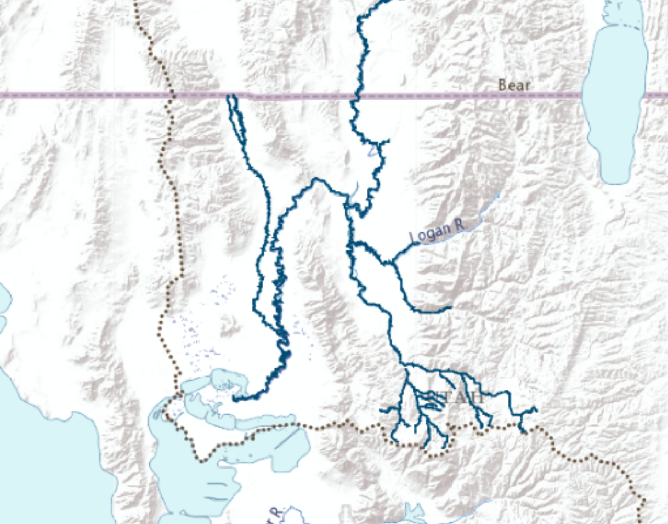
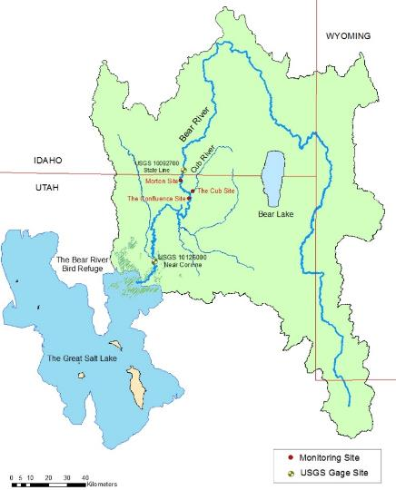
Established hydro-ecologic sites
Existing hydrologic sites
Bear River
Malad River
Cub River
Blacksmith Fork River
East Fork – Little Bear River
South Fork – Little Bear River
The Great Salt Lake
The Migratory Bird Refuge
WY
ID
UT

ResElevVol
Hyrum
 | area (m)
0 | 0.0040468564224
0.16035264119 | 0.10521826698
0.8005297241 | 0.3075610881
2.1450249464 | 0.57465361198
4.262913292 | 0.82960556659
7.323181775 | 1.1776352189
11.392438416 | 1.485196307
16.289361381 | 1.7280076924
21.858531958 | 1.9141630878
23.046374985 | 1.9384442263
27.87668993 | 2.088177914
34.660840134 | 2.3148018736
42.061731266 | 2.5454726897
50.202711512 | 2.8004246443
59.08378087 | 3.0634703118
68.828287527 | 3.3427034049
79.559579668 | 3.6421707802
91.154309108 | 3.9497318683
 | RA_par1 | RA_par2 | RA_par3
j1 | 0.5802 | 8.8779 | 0.04744
j7 | 0.1718 | 0.0521 | 3.0042
j17 | 0.1718 | 0.0521 | 3.0042
j29 | -0.0004 | 0.0694 | 0.4076
j33 | 0.001 | 0.0295 | 0.0897

j33 | 0.001 | 0.0295 | 0.0897

Porcupine
 | Porcupine
0 | 0
0.30837 | 0.1011714
1.480176 | 0.153780528
3.207048 | 0.28327992
6.969162 | 0.412779312
12.3348 | 0.513950712
14.18502 | 0.66773124
14.80176 | 0.740574648
15.048456 | 0.756762072
15.295152 | 0.776996352
15.788544 | 0.817464912
16.281936 | 0.857933472
16.65198 | 0.898402032
17.26872 | 0.942917448
18.5022 | 1.011714

EvaporationCurve
Volume vs area
 | STOR (m3) | elevation (m) | area (m) | At+Ab |  |  |  | Old elevation at STOR=0
0 | 0 | 1399.032 | 0 | 317907.21838 |  |  |  | 1399.032
1 | 160352.64119 | 1402.08 | 317907.21838 | 1598027.049
elevation vs area
2 | 800529.7241 | 1405.128 | 1280119.8306 | 4286102.6628
3 | 2145024.9464 | 1408.176 | 3005982.8322 | 8519970.2823
4 | 4262913.292 | 1411.224 | 5513987.4501 | 14637512.681
5 | 7323181.775 | 1414.272 | 9123525.2313 | 22771714.444
6 | 11392438.416 | 1417.32 | 13648189.212 | 32559846.592
7 | 16289361.381 | 1420.368 | 18911657.38 | 43691335.477
8 | 21858531.958 | 1423.416 | 24779678.098 | 46059203.504
9 | 23046374.985 | 1424.0256 | 21279525.407 | 55718219.217
10 | 27876689.93 | 1426.464 | 34438693.81 | 69279825.654
11 | 34660840.134 | 1429.512 | 34841131.844 | 84072213.438
12 | 42061731.266 | 1432.56 | 49231081.594 | 100343960.11
13 | 50202711.512 | 1435.608 | 51112878.515 | 118094899.4
14 | 59083780.87 | 1438.656 | 66982020.882 | 137571733.93
15 | 68828287.527 | 1441.704 | 70589713.043 | 159020995.51
16 | 79559579.668 | 1444.752 | 88431282.467 | 182195824.61
17 | 91154309.108 | 1447.8 | 93764542.143 | 125921.13428

Volume vs area
j30 | MillCreek |  |  |  |  |  |  | WEAP Data
 | STOR (m3) | elevation (m) | area (m) | At+Ab | Month | evap(m) |  | STOR (AF) | elevation (ft) |  | Month | evap(ft)
 | 0 | 1690.4208 | 0 | 19078.008999 | t1 | 0 |  | 0 | 5546 |  | t1 | 0
 | 0.04070484 | 1694.688 | 0.019078008999 | 142044.44882 | t2 | 0 |  | 33 | 5560 |  | t2 | 0
 | 0.47365632 | 1700.784 | 0.14204442974 | 297848.18898 | t3 | 0 |  | 384 | 5580 |  | t3 | 0
 | 1.3814976 | 1706.88 | 0.29784804693 | 475909.6063 | t4 | 0.03048 |  | 1120 | 5600 |  | t4 | 0.1
 | 2.83207008 | 1712.976 | 0.47590930845 | 698486.37795 | t5 | 0.12192 |  | 2296 | 5620 |  | t5 | 0.4
 | 4.96105656 | 1719.072 | 0.69848590204 | 985812.75591 | t6 | 0.1524 |  | 4022 | 5640 |  | t6 | 0.5
 | 7.96581384 | 1725.168 | 0.98581205742 | 1573415.4331 | t7 | 0.18288 |  | 6458 | 5660 |  | t7 | 0.6
 | 12.76158408 | 1731.264 | 1.5734144473 | 2167088.3858 | t8 | 0.1524 |  | 10346 | 5680 |  | t8 | 0.5
 | 19.36686948 | 1737.36 | 2.1670868124 | 2838865.5512 | t9 | 0.09144 |  | 15701 | 5700 |  | t9 | 0.3
 | 28.01973168 | 1743.456 | 2.8388633841 | 3569726.7323 | t10 | 0.09144 |  | 22716 | 5720 |  | t10 | 0.3
 | 38.90025876 | 1749.552 | 3.5697238934 | 4366146.8898 | t11 | 0 |  | 31537 | 5740 |  | t11 | 0
 | 52.20827448 | 1755.648 | 4.36614332 | 5181991.9291 | t12 | 0 |  | 42326 | 5760 |  | t12 | 0
 | 68.00298588 | 1761.744 | 5.181987563 | 6052064.7638 |  |  |  | 55131 | 5780
 | 86.44967928 | 1767.84 | 6.0520595818 | 97802.605756 |  |  |  | 70086 | 5800

Volume vs area
j7 | Cutler |  |  |  |  |  |  | WEAP Data
 | STOR (m3) | elevation (m) | area (m) | At+Ab | Month | evap(m) |  | STOR (AF) | elevation (ft) |  | Month | evap(ft)
 | 0 | 1284.1224 | 0 | 3570750.3474 | t1 | 0 |  | 0 | 4213 |  | t1 | 0
 | 9.2511 | 1289.304 | 3.5707503474 | 11128838.583 | t2 | 0 |  | 7500 | 4230 |  | t2 | 0
 | 26.21145 | 1292.352 | 11.128835012 | 17199114.173 | t3 | 0 |  | 21250 | 4240 |  | t3 | 0
 | 52.4229 | 1295.4 | 17.199103044 | 22257677.165 | t4 | 0.03048 |  | 42500 | 4250 |  | t4 | 0.1
 | 86.3436 | 1298.448 | 22.257659966 | 25292814.961 | t5 | 0.12192 |  | 70000 | 4260 |  | t5 | 0.4
 | 117.1806 | 1300.8864 | 25.292792703 | 28906074.241 | t6 | 0.1524 |  | 95000 | 4268 |  | t6 | 0.5
 | 148.0176 | 1303.02 | 28.906048948 | 227191.60105 | t7 | 0.18288 |  | 120000 | 4275 |  | t7 | 0.6
 |  |  |  |  | t8 | 0.1524 |  |  |  |  | t8 | 0.5
 |  |  |  |  | t9 | 0.09144 |  |  |  |  | t9 | 0.3
 |  |  |  |  | t10 | 0.09144 |  |  |  |  | t10 | 0.3
 |  |  |  |  | t11 | 0 |  |  |  |  | t11 | 0
 |  |  |  |  | t12 | 0 |  |  |  |  | t12 | 0

Volume vs area
j1 | Onida |  |  |  |  |  |  | WEAP Data
 | STOR (m3) | elevation (m) | area (m) | At+Ab | Month | evap(m) |  | STOR (AF) | elevation (ft) |  | Month | evap(ft)
 | 0 | 13621.8168 | 0 | -985.17919494 | t1 | 0 |  | 0 | 44691 |  | t1 | 0
 | 5.99964672 | 1442.0088 | -0.00098517919494 | 2258790.0157 | t2 | 0 |  | 4864 | 4731 |  | t2 | 0
 | 14.60563668 | 1449.6288 | 2.2587900167 | 3050030.2047 | t3 | 0 |  | 11841 | 4756 |  | t3 | 0
 | 26.22625176 | 1457.2488 | 3.0500279459 | 3739613.5118 | t4 | 0.03048 |  | 21262 | 4781 |  | t4 | 0.1
 | 40.47417924 | 1464.8688 | 3.7396104618 | 4421750.6142 | t5 | 0.12192 |  | 32813 | 4806 |  | t5 | 0.4
 | 57.32104908 | 1472.4888 | 4.4217468746 | 5518932.6929 | t6 | 0.1524 |  | 46471 | 4831 |  | t6 | 0.5
 | 78.34818264 | 1480.1088 | 5.5189282712 | 8608136.4094 | t7 | 0.18288 |  | 63518 | 4856 |  | t7 | 0.6
 | 111.14518236 | 1487.7288 | 8.6081308905 | 9929028.378 | t8 | 0.1524 |  | 90107 | 4881 |  | t8 | 0.5
 | 148.97478048 | 1495.3488 | 9.9290197698 | 199250.87776 | t9 | 0.09144 |  | 120776 | 4906 |  | t9 | 0.3
 |  |  |  |  | t10 | 0.09144 |  |  |  |  | t10 | 0.3
 |  |  |  |  | t11 | 0 |  |  |  |  | t11 | 0
 |  |  |  |  | t12 | 0 |  |  |  |  | t12 | 0

Volume vs area
j17 | Mainstem |  |  |  |  |  |  | WEAP Data
 | STOR (Mm3) | elevation (m) | area (Mm2) | At+Ab | Month | evap(m) |  | STOR (AF) | elevation (ft) |  | Month | evap(ft)
 | 0 | 1284.1224 | 0 | 3570750.3474 | t1 | 0 |  | 0 | 4213 |  | t1 | 0
 | 9.2511 | 1289.304 | 3.5707503474 | 11128838.583 | t2 | 0 |  | 7500 | 4230 |  | t2 | 0
 | 26.21145 | 1292.352 | 11.128835012 | 17199114.173 | t3 | 0 |  | 21250 | 4240 |  | t3 | 0
 | 52.4229 | 1295.4 | 17.199103044 | 22257677.165 | t4 | 0.03048 |  | 42500 | 4250 |  | t4 | 0.1
 | 86.3436 | 1298.448 | 22.257659966 | 25292814.961 | t5 | 0.12192 |  | 70000 | 4260 |  | t5 | 0.4
 | 117.1806 | 1300.8864 | 25.292792703 | 28906074.241 | t6 | 0.1524 |  | 95000 | 4268 |  | t6 | 0.5
 | 148.0176 | 1303.02 | 28.906048948 | 227191.60105 | t7 | 0.18288 |  | 120000 | 4275 |  | t7 | 0.6
 |  |  |  |  | t8 | 0.1524 |  |  |  |  | t8 | 0.5
 |  |  |  |  | t9 | 0.09144 |  |  |  |  | t9 | 0.3
 |  |  |  |  | t10 | 0.09144 |  |  |  |  | t10 | 0.3
 |  |  |  |  | t11 | 0 |  |  |  |  | t11 | 0
 |  |  |  |  | t12 | 0 |  |  |  |  | t12 | 0

j29 | Hyrum |  |  |  |  |  |  | WEAP Data |  |  |  |  | Adel
 | STOR (Mm3) | elevation (m) | area (Mm2) | At+Ab | Month | evap(m) | Area - Adel | STOR (AF) | elevation (ft) |  | Month | evap(ft) | Elevation (ft) | Area (Acre) | Storage (Acre-Feet)
 | 0 | 1399.032 | 0 | 105218.2685 | t1 | 0 | 0.0040468564224 | 0 | 4590 |  | t1 | 0 | 4590 | 1 | 0
 | 0.16035264119 | 1402.08 | 0.1052182685 | 420063.7027 | t2 | 0 | 0.10521826698 | 130 | 4600 |  | t2 | 0 | 4600 | 26 | 130
 | 0.8005297241 | 1405.128 | 0.42006359748 | 882214.71279 | t3 | 0 | 0.3075610881 | 649 | 4610 |  | t3 | 0 | 4610 | 76 | 649
Volume vs area
 | 2.1450249464 | 1408.176 | 0.88221429273 | 1389690.5155 | t4 | 0.03048 | 0.57465361198 | 1739 | 4620 |  | t4 | 0.1 | 4620 | 142 | 1739
 | 4.262913292 | 1411.224 | 1.3896896333 | 2008050.1857 | t5 | 0.12192 | 0.82960556659 | 3456 | 4630 |  | t5 | 0.4 | 4630 | 205 | 3456
 | 7.323181775 | 1414.272 | 2.008048796 | 2670115.906 | t6 | 0.1524 | 1.1776352189 | 5937 | 4640 |  | t6 | 0.5 | 4640 | 291 | 5937
 | 11.392438416 | 1417.32 | 2.6701138979 | 3213204.0457 | t7 | 0.18288 | 1.485196307 | 9236 | 4650 |  | t7 | 0.6 | 4650 | 367 | 9236
 | 16.289361381 | 1420.368 | 3.2132013756 | 3654311.4021 | t8 | 0.1524 | 1.7280076924 | 13206 | 4660 |  | t8 | 0.5 | 4660 | 427 | 13206
 | 21.858531958 | 1423.416 | 3.6543081889 | 3897122.7909 | t9 | 0.09144 | 1.9141630878 | 17721 | 4670 |  | t9 | 0.3 | 4670 | 473 | 17721
 | 23.046374985 | 1424.0256 | 3.8971191366 | 3961872.4946 | t10 | 0.09144 | 1.9384442263 | 18684 | 4672 |  | t10 | 0.3 | 4672 | 479 | 18684
 | 27.87668993 | 1426.464 | 3.9618685975 | 4451542.1288 | t11 | 0 | 2.088177914 | 22600 | 4680 |  | t11 | 0 | 4680 | 516 | 22600
 | 34.660840134 | 1429.512 | 4.4515381669 | 4856227.7769 | t12 | 0 | 2.3148018736 | 28100 | 4690 |  | t12 | 0 | 4690 | 572 | 28100
 | 42.061731266 | 1432.56 | 4.8562233253 | 5341850.5545 |  |  | 2.5454726897 | 34100 | 4700 |  |  |  | 4700 | 629 | 34100
 | 50.202711512 | 1435.608 | 5.3418456983 | 5827473.3322 |  |  | 2.8004246443 | 40700 | 4710 |  |  |  | 4710 | 692 | 40700
 | 59.08378087 | 1438.656 | 5.8274679904 | 6394033.2395 |  |  | 3.0634703118 | 47900 | 4720 |  |  |  | 4720 | 757 | 47900
 | 68.828287527 | 1441.704 | 6.3940274121 | 7041530.2764 |  |  | 3.3427034049 | 55800 | 4730 |  |  |  | 4730 | 826 | 55800
 | 79.559579668 | 1444.752 | 7.0415238824 | 7608090.1837 |  |  | 3.6421707802 | 64500 | 4740 |  |  |  | 4740 | 900 | 64500
 | 91.154309108 | 1447.8 | 7.6080831422 | 125921.13428 |  |  | 3.9497318683 | 73900 | 4750 |  |  |  | 4750 | 976 | 73900

Porcupine
j33 | Porcupine |  |  |  |  |  |  | WEAP Data
 | STOR (Mm3) | elevation (m) | area (Mm2) | At+Ab | Month | evap(m) |  | STOR (AF) | elevation (ft) | Area Acres | Month | evap(ft)
 | 0 | 1597.152 | 0 | 101171.25984 | t1 | 0 |  | 0 | 5240 | 0 | t1 | 0
 | 0.30837 | 1603.248 | 0.1011714 | 256300.52493 | t2 | 0 |  | 250 | 5260 | 25 | t2 | 0
 | 1.480176 | 1612.392 | 0.153780528 | 566559.05512 | t3 | 0 |  | 1200 | 5290 | 38 | t3 | 0
 | 3.207048 | 1618.488 | 0.28327992 | 822859.58005 | t4 | 0.03048 |  | 2600 | 5310 | 70 | t4 | 0.1
 | 6.969162 | 1627.632 | 0.412779312 | 1173586.6142 | t5 | 0.12192 |  | 5650 | 5340 | 102 | t5 | 0.4
 | 12.3348 | 1636.776 | 0.513950712 | 1214055.1181 | t6 | 0.1524 |  | 10000 | 5370 | 127 | t6 | 0.5
 | 14.18502 | 1639.824 | 0.66773124 | 1011712.5984 | t7 | 0.18288 |  | 11500 | 5380 | 165 | t7 | 0.6
 | 14.80176 | 1641.0432 | 0.740574648 | 1618740.1575 | t8 | 0.1524 |  | 12000 | 5384 | 183 | t8 | 0.5
 | 15.048456 | 1641.348 | 0.756762072 | 1618740.1575 | t9 | 0.09144 |  | 12200 | 5385 | 187 | t9 | 0.3
 | 15.295152 | 1641.6528 | 0.776996352 | 1618740.1575 | t10 | 0.09144 |  | 12400 | 5386 | 192 | t10 | 0.3
 | 15.788544 | 1642.2624 | 0.817464912 | 1618740.1575 | t11 | 0 |  | 12800 | 5388 | 202 | t11 | 0
 | 16.281936 | 1642.872 | 0.857933472 | 1214055.1181 | t12 | 0 |  | 13200 | 5390 | 212 | t12 | 0
 | 16.65198 | 1643.4816 | 0.898402032 | 2023425.1969 |  |  |  | 13500 | 5392 | 222
 | 17.26872 | 1644.0912 | 0.942917448 | 2697900.2625 |  |  |  | 14000 | 5394 | 233
 | 18.5022 | 1645.0056 | 1.011714 | 22494.999409 |  |  |  | 15000 | 5397 | 250

Volume vs area
 | area (m)
0.1011714 | 0.30837
0.153780528 | 1.480176
0.28327992 | 3.207048
0.412779312 | 6.969162
0.817464912 | 15.788544
0.857933472 | 16.281936
0.898402032 | 16.65198
0.942917448 | 17.26872
1.011714 | 18.5022

