HomePage
how to deal with the TextControlled Value?
 | Excel sheets to prepare input data for the Water Management Data Model (WaM-DaM)
 | Then you can use the WaMDaM Wizard to load all these data into the WaMDaM SQLite Database
 |  | WaMDaM V1.0 Jan 2017
say something about updating the Pivot table. close the workbook and reopn it after finishing the node and link instances to update the pivot table
To organize your water management data in WaMDaM, think of a parameter data value for a reservoir capacity or a time series of its inflow
as they must have the following hierarchical contextual metadata from top to bottom
1) a data structure like a dataset or model name, 2) an object type (e.g., reservoir), attribute (e.g., capacity), attribte type (e.g., parameter), attribute unit
4) a network, 5) scenario, 6) node or link instance, 7) the source of the data, 8) the method used to report/generate the data
9) the person name involved in the source or method, 10) the organization that the person belongs to, and 11) the data values themselves
You can register a few selected terms among these contexual metadata against controlled vocabulary terms to
allow you to connect synonmous terms from different datasets into a single term |  |  |  |  |  |  |  | how to deal/assign unique fields. Uniquness might not be an issue for one dataset but
See the conceptual design here |  |  |  |  |  |  |  | it gets tricky when multiple datasets are loaded

Do not change the sheet names, the headlines or the order of columns in each sheet.
The WaMDaM Data Loader Wizard only works if these names and orders are preserved as provided in this template workbook.
Instructions to use this work and import your data into a WaMDaM database
1. Enter your data in order in the four steps by clicking at the hyperlinks in each step in sequence
2. Register your terms against controlled vocabulary
3. Use the WaMDaM Wizard to import the data of each step after you enter its data into the SQLite database
Or you can use it the Wizard to import all the data for all the steps in one action
You can download the WaM-DaM Wizard from GitHub at https://github.com/amabdallah/WaM-DaM

Step 1 | Define the metadata of of people, organizations, sources, methods that contributed to your data
Metadata | 1.1_Organizations and People | 1.2_Sources&Methods

Step 2 | Enter your data to define the Objects and their Attributes for your model or dataset
Dataset | 2.1_Datasets&ObjectTypes | 2.2_Attributes

Step 3 | Enter your data to define the network, scenario, nodes, and links that describe your data in space
Networks | 3.1_Networks and Scenarios | 3.2_Nodes | 3.3_Links

Step 4 | Enter the actual data values for each attribute of your node or link instances
DataValues | 4_Binary | 4_Parameter | 4_SeasonalParameter | 4_TextControlled | 4_TextFree | 4_FileBased | 4_TimeSeries | 4_TimeSeriesValues | 4_MultiColumnArrays

What is WaMDaM?
WaM-DaM is a consistent information model (like a standard for a database) to help scientists and practitioners like you to consistently organize all of your water management data (input and output of models) in a single database.Think of WaM-DaM as a repository of water management data (purple cylinder) and a translator between numerous data sources on the left and different models on the right (see flowchart). WaM-DaM translates two aspects of the data: the syntax (i.e., structure) and semantics (terminology). WaM-DaM will speed the time to find, organize, and synthesize data from different data sources, and prepare data for modeling.

Copyright and licenses |  | Click here
GitHub repository |  | https://github.com/amabdallah/WaM-DaM

Citation | Adel Abdallah, David E. Rosenberg (2014)."WaM-DaM: A Data Model to Organize and Synthesize Water Management Data." International Environmental Modelling and Software Society (iEMSs) 7th Intl. Congress on Env. Modelling and Software, San Diego, CA, USA, POSTER

Authors and designers
Adel M. Abdallah and David Rosenberg
Dept. of Civil & Env. Engineering and Utah Water Research Lab Utah State University amabdallah@aggiemail.usu.edu

Conceptual_Design
Go back to Homepage

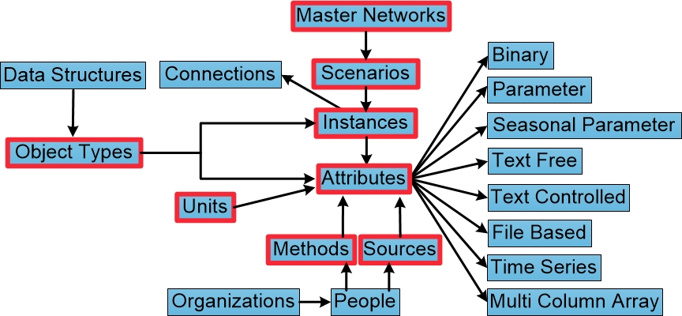

 | Figure: Conceptual diagram of the water management information model concepts and their relationships. Controlled vocabulary will be introduced to the boxes outlined in red.

