soil pH
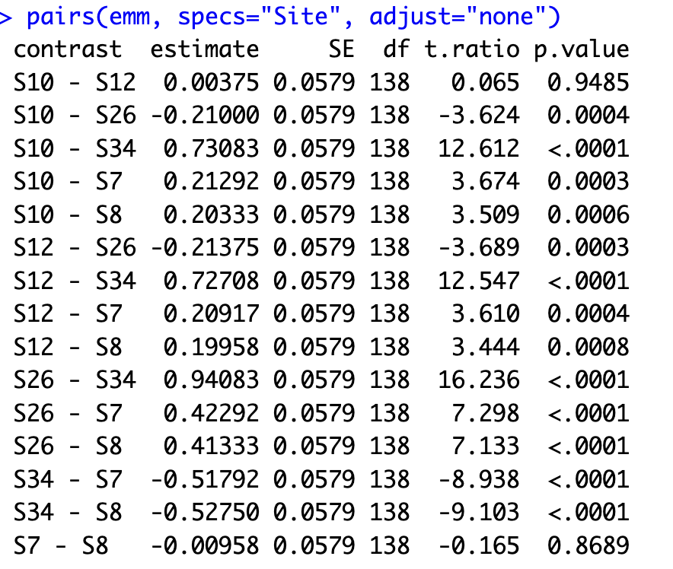
Site | Transect | Location | Rep | Soil_weight | pH
S34 | T1 | L3 | A | 5 | 4.2
S34 | T1 | L3 | B | 5 | 4.25
S34 | T1 | L9 | A | 5.05 | 4.25
S34 | T1 | L9 | B | 5.03 | 4.11
S34 | T1 | L15 | A | 5 | 4.5
S34 | T1 | L15 | B | 4.99 | 4.43
S34 | T1 | L33 | A | 5 | 4.5
S34 | T1 | L33 | B | 5.02 | 4.3
S34 | T1 | L41 | A | 4.98 | 4.39
S34 | T1 | L41 | B | 5.01 | 4.46
S34 | T1 | L47 | A | 5.05 | 4.03
S34 | T1 | L47 | B | 4.98 | 4.11
S34 | T2 | L3 | A | 5.05 | 5.04
S34 | T2 | L3 | B | 4.96 | 4.94
S34 | T2 | L10 | A | 5.03 | 4.87
S34 | T2 | L10 | B | 5.03 | 4.87
S34 | T2 | L16 | A | 4.99 | 4.8
S34 | T2 | L16 | B | 5.05 | 4.66
S34 | T2 | L31 | A | 5.05 | 4.35
S34 | T2 | L31 | B | 5.06 | 4.41
S34 | T2 | L39 | A | 5 | 4.46
S34 | T2 | L39 | B | 5 | 4.78
S34 | T2 | L47 | A | 4.95 | 4.39
S34 | T2 | L47 | B | 5.05 | 4.35
S12 | T1 | L3 | A | 5.05 | 5.04
S12 | T1 | L3 | B | 5 | 5.05
S12 | T1 | L9 | A | 5.04 | 5.52
S12 | T1 | L9 | B | 4.97 | 5.52
S12 | T1 | L16 | A | 5 | 5.34
S12 | T1 | L16 | B | 5.01 | 5.51
S12 | T1 | L33 | A | 4.98 | 5.12
S12 | T1 | L33 | B | 5.05 | 5.31
S12 | T1 | L39 | A | 5.05 | 5.32
S12 | T1 | L39 | B | 5.05 | 5.33
S12 | T1 | L47 | A | 5.05 | 5.2
S12 | T1 | L47 | B | 5.03 | 5.27
S12 | T2 | L3 | A | 4.98 | 5.01
S12 | T2 | L3 | B | 5.02 | 5.02
S12 | T2 | L9 | A | 5.03 | 5.1
S12 | T2 | L9 | B | 4.97 | 5.19
S12 | T2 | L16 | A | 5 | 4.9
S12 | T2 | L16 | B | 4.97 | 4.87
S12 | T2 | L33 | A | 5.05 | 4.89
S12 | T2 | L33 | B | 5 | 5.1
S12 | T2 | L39 | A | 5.02 | 5.26
S12 | T2 | L39 | B | 5.04 | 5.28
S12 | T2 | L47 | A | 5 | 5.42
S12 | T2 | L47 | B | 5.05 | 5.33
S10 | T1 | L3 | A | 5.05 | 5.35
S10 | T1 | L3 | B | 5.03 | 5.36
S10 | T1 | L10 | A | 5.02 | 5.17
S10 | T1 | L10 | B | 5.03 | 5.1
S10 | T1 | L16 | A | 5 | 5.13
S10 | T1 | L16 | B | 5 | 5.54
S10 | T1 | L33 | A | 5 | 5.21
S10 | T1 | L33 | B | 5 | 5.22
S10 | T1 | L39 | A | 5 | 5.42
S10 | T1 | L39 | B | 5.02 | 5.37
S10 | T1 | L47 | A | 4.97 | 5.58
S10 | T1 | L47 | B | 5.05 | 5.26
S10 | T2 | L3 | A | 5 | 4.68
S10 | T2 | L3 | B | 5.02 | 4.81
S10 | T2 | L10 | A | 5 | 5.07
S10 | T2 | L10 | B | 5.01 | 4.88
S10 | T2 | L15 | A | 5 | 5.11
S10 | T2 | L15 | B | 5.03 | 5.2
S10 | T2 | L33 | A | 5 | 5.32
S10 | T2 | L33 | B | 5.05 | 5.32
S10 | T2 | L39 | A | 4.97 | 5.34
S10 | T2 | L39 | B | 5 | 5.24
S10 | T2 | L47 | A | 5 | 5
S10 | T2 | L47 | B | 5.04 | 5.31
S26 | T1 | L3 | A | 4.99 | 5.62
S26 | T1 | L3 | B | 4.97 | 5.75
S26 | T1 | L10 | A | 5.02 | 5.55
S26 | T1 | L10 | B | 5.05 | 5.61
S26 | T1 | L16 | A | 5.02 | 5.7
S26 | T1 | L16 | B | 4.97 | 5.67
S26 | T1 | L33 | A | 5.01 | 5.14
S26 | T1 | L33 | B | 4.98 | 5.2
S26 | T1 | L39 | A | 4.97 | 5.49
S26 | T1 | L39 | B | 5.02 | 5.55
S26 | T1 | L47 | A | 5.01 | 5.57
S26 | T1 | L47 | B | 5.05 | 5.41
S26 | T2 | L3 | A | 4.95 | 5.44
S26 | T2 | L3 | B | 5 | 5.32
S26 | T2 | L10 | A | 5.02 | 5.43
S26 | T2 | L10 | B | 5.03 | 5.53
S26 | T2 | L16 | A | 5 | 5.32
S26 | T2 | L16 | B | 5.02 | 5.2
S26 | T2 | L33 | A | 4.98 | 5.39
S26 | T2 | L33 | B | 5.02 | 5.42
S26 | T2 | L39 | A | 5.05 | 5.53
S26 | T2 | L39 | B | 5.03 | 5.45
S26 | T2 | L47 | A | 5.05 | 4.9
S26 | T2 | L47 | B | 4.97 | 4.84
S8 | T1 | L3 | A | 5 | 5.05
S8 | T1 | L3 | B | 5 | 4.97
S8 | T1 | L10 | A | 5 | 5.47
S8 | T1 | L10 | B | 5 | 5.14
S8 | T1 | L16 | A | 4.97 | 5.16
S8 | T1 | L16 | B | 5 | 5.17
S8 | T1 | L33 | A | 5 | 4.92
S8 | T1 | L33 | B | 5.04 | 4.8
S8 | T1 | L39 | A | 5.02 | 5.07
S8 | T1 | L39 | B | 5 | 5.03
S8 | T1 | L47 | A | 5.02 | 5.1
S8 | T1 | L47 | B | 4.98 | 5.09
S8 | T2 | L3 | A | 5 | 4.91
S8 | T2 | L3 | B | 5.04 | 5.12
S8 | T2 | L10 | A | 5.02 | 4.85
S8 | T2 | L10 | B | 5 | 4.89
S8 | T2 | L16 | A | 5.02 | 5
S8 | T2 | L16 | B | 4.98 | 5.14
S8 | T2 | L33 | A | 5.03 | 4.97
S8 | T2 | L33 | B | 5 | 4.83
S8 | T2 | L39 | A | 5.05 | 4.93
S8 | T2 | L39 | B | 5.01 | 4.91
S8 | T2 | L47 | A | 4.99 | 4.77
S8 | T2 | L47 | B | 5 | 4.82
S7 | T1 | L3 | A | 5.02 | 4.95
S7 | T1 | L3 | B | 5.02 | 4.93
S7 | T1 | L10 | A | 5.02 | 5.14
S7 | T1 | L10 | B | 5.03 | 5.03
S7 | T1 | L16 | A | 5 | 5.21
S7 | T1 | L16 | B | 5.02 | 5.08
S7 | T1 | L33 | A | 5.04 | 5.23
S7 | T1 | L33 | B | 4.99 | 5.2
S7 | T1 | L39 | A | 5.03 | 4.85
S7 | T1 | L39 | B | 5.03 | 4.8
S7 | T1 | L47 | A | 4.98 | 4.74
S7 | T1 | L47 | B | 5.03 | 4.71
S7 | T2 | L3 | A | 5.01 | 4.87
S7 | T2 | L3 | B | 4.97 | 4.88
S7 | T2 | L10 | A | 5 | 4.89
S7 | T2 | L10 | B | 5 | 4.95
S7 | T2 | L16 | A | 5.05 | 5.07
S7 | T2 | L16 | B | 5.01 | 5.27
S7 | T2 | L33 | A | 5 | 5.11
S7 | T2 | L33 | B | 4.97 | 5.05
S7 | T2 | L39 | A | 5.04 | 5.12
S7 | T2 | L39 | B | 5.01 | 5.16
S7 | T2 | L47 | A | 4.95 | 4.85
S7 | T2 | L47 | B | 4.99 | 4.79

DNA quality
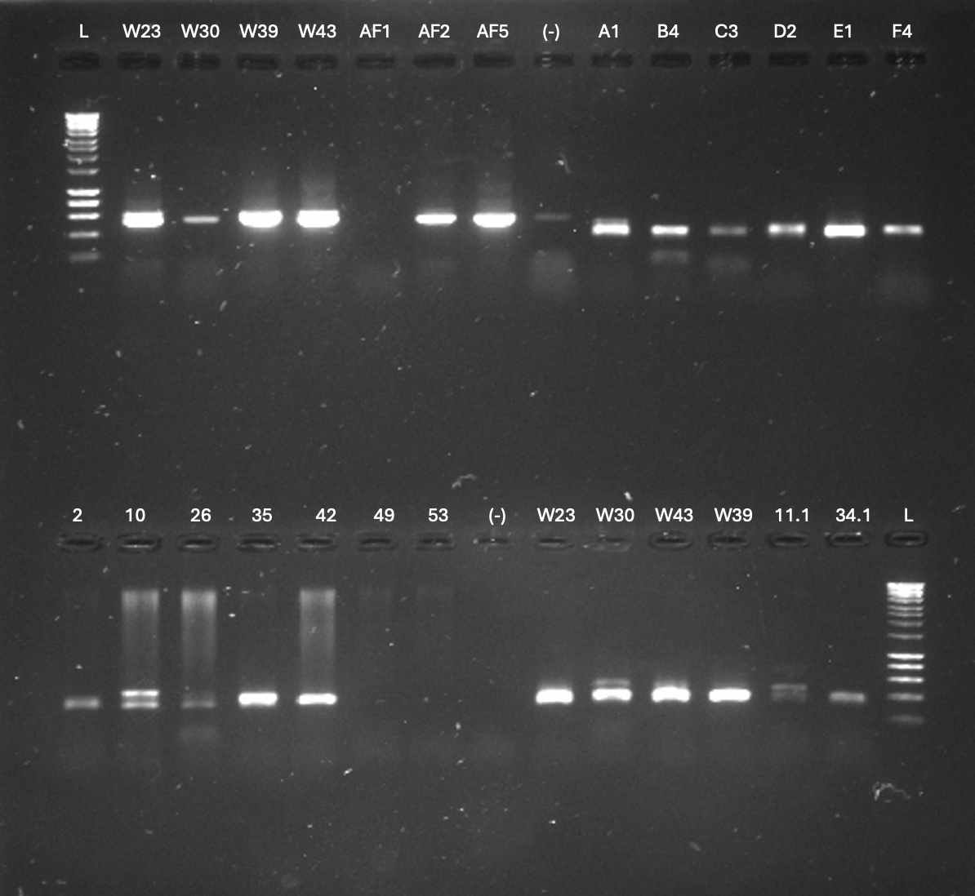
ID | qubit (ng/mL) | Nanodrop (ng/mL)
A1 | 1.04
A2 | 0.279
A3 | 0.141
A4 | 0.34
B1 | 0.778
B2 | 0.9
B3 | 0.75
B4 | 0.64
C1 | 0.753
C2 | 0.707
C3 | 0.588
C4 | 0.202
D1 | 1.17
D2 | 1.01
D3 | 0.467
D4 | 0.936
E1 | 2.64
E2 | 0.635
E3 | 0.723
E4 | 0.348
F1 | 0.722
F2 | 0.327
F3 | 0.44
F4 | 1.51
AF1 | 0.015 | 22.88
AF2 | 0.041 | 67.823
AF3 | 0.021 | 95.303
AF4 | 0.015 | 42.439
AF5 | 25 | 35.053
AF6 | 11.6 | 137.099
7.2 | 0.587
11.1 | 0.767
31.2 | 0.557
34.1 | 1.21

