GUI-Test
Header: | Title Bar: Test Powertek - Build datetime - Release Vxx.yy
 |  |  |  |  |  |  |  | Logo:
Logs: |  | Product: |  | P/N:
Text Area with a scroll to move and see logs in real time as the test is executing … The UI thread must refresh this component. |  | comboBox: "Select Product" |  | textField (read only): "P/N" |  | PRINTER MENU (LABELS)
 |  |  |  |  |  | TextField: IP address | Button: "SAVE"
 |  |  |  |  |  | TextField: Port

 |  | check All | Individual Test | Result |  | Button: "PRINT" | disabled
 |  | checkBox | Button: "test 1"
 |  | checkBox | Button: "test 2" |  |  | Button: "Admin" | enabled
 |  | checkBox | Button: "test 3"
 |  | checkBox | Button: "test 4"

 |  |  | Counter (Seconds)

 |  | Full Test: |  |  | Stop Global Test:
 |  | START Button |  |  | STOP Button

 |  | TextField: ERROR Messages |  |  | could also jump to an ERROR.html page in case of a CRITICAL error.

Footer: To be defined (Company Details, ...)

The combo box allows to select the product we want to test. The combo is filled with the data extracted from the data base "PRODUCTS"
The P/N text field is read only and shows us the part number associated to the product selected in the combobox of products.
The individual test column are buttons that allow us to run a single test and see its result (green is OK, red is NOK) without doing a "Full Test"
When the comboBox of products selects a specific product, the "individual test" column is automatically refreshed with the all the tests associated to the selected product. See the DB "PRODUCTS" Table "Devices"
Depending on the selected product, the number and name of the tests might vary, so the UI refreshes while changing the product selected in the comboBox
The MAXIMUM number of tests is 20.
The START button allows a Full Test: all the individual tests are executed in sequence, and the COUNTER starts to run from zero in steps of 1 second.
The UI must have responsiveness to update/refresh the Text Area (Logs) and the Counter as well as the Tests Results (Green/Red). You could use Threads, Tasks and Dispatcher to make this with success (in WPF works)
c# - What is the difference between Dispatcher.BeginInvoke and Task.Factory.StartNew - Stack Overflow
The STOP button is to stop the full test if the program hangs or whatever. The user should have the control of the UI and cancel other internal processes in the backend (threads, tasks, etcetera)

PRINTER MENU
We can edit the IP address and the port text fields. The changes do not have effect until we press the button SAVE.
If we press the button PRINT, a TCP/IP Client Socket is created and a String is sent to print a label at the remote printer.
The button PRINT is not enabled by default. It enables only when a Full Test was right without any errors to print a label (the quality label)
The button "Admin" is to popup a window to enter a password (text field with asteriks characteres): it allows to enable the PRINT button by an authorized administrator for testing purposes
Once the page is refreshed (url) the PRINT button must always return to Disabled!

Requirements:
The App has to be designed as a web page in ASP .Net CORE and C# language in the back-end for the business logic. Net CORE is cross-platform for Mac, Windows and Linux.
Use Visual Studio 2022 to create the whole project from the IDE in Windows
The app will be deployed/published just in a local computer (preferably Windows, might be Linux Ubuntu later), with its local database and web server installed locally.
For the local data base we will use MySQL to build different DB and Tables. |  |  |  |  |  |  |  |  |  | How To Connect MySQL In ASP.NET Core (c-sharpcorner.com)
Note: we can use MySQL if we install the web server XAMPP in Windows, althoug it's preferable to use Microsoft-IIS as the native web server in Windows. |  |  |  |  |  |  |  |  |  | sql - What is the difference between installing Xampp and MySql? - Stack Overflow
For Linux systems (Ubuntu), we could use APACHE or NGINX which is better. |  |  |  |  |  |  |  |  |  | Nginx vs Apache: Which Web Server Is the Best? (kinsta.com)
 |  |  |  |  |  |  |  |  | Linux-Apache | Host ASP.NET Core on Linux with Apache | Microsoft Learn
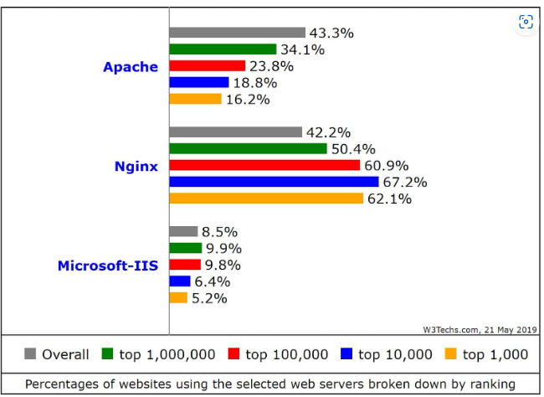
 |  |  |  |  |  |  |  |  | Linux-Nginx | Host ASP.NET Core on Linux with Nginx | Microsoft Learn

 |  |  |  |  |  |  |  |  | Windows-IIS | Configuring Step 1: Install IIS and ASP.NET Modules | Microsoft Learn

