Canada Population Data
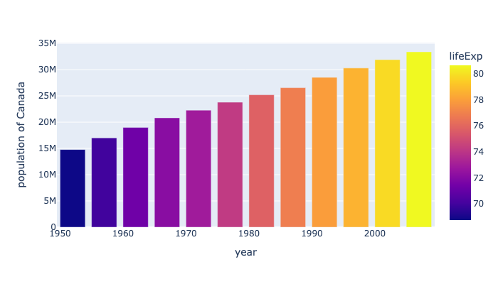
country | continent | year | lifeExp | pop | gdpPercap | iso_alpha | iso_num
Canada | Americas | 1952 | 68.75 | 14785584 | 11367.16112 | CAN | 124
Canada | Americas | 1957 | 69.96 | 17010154 | 12489.95006 | CAN | 124
Canada | Americas | 1962 | 71.3 | 18985849 | 13462.48555 | CAN | 124
Canada | Americas | 1967 | 72.13 | 20819767 | 16076.58803 | CAN | 124
Canada | Americas | 1972 | 72.88 | 22284500 | 18970.57086 | CAN | 124
Canada | Americas | 1977 | 74.21 | 23796400 | 22090.88306 | CAN | 124
Canada | Americas | 1982 | 75.76 | 25201900 | 22898.79214 | CAN | 124
Canada | Americas | 1987 | 76.86 | 26549700 | 26626.51503 | CAN | 124
Canada | Americas | 1992 | 77.95 | 28523502 | 26342.88426 | CAN | 124
Canada | Americas | 1997 | 78.61 | 30305843 | 28954.92589 | CAN | 124
Canada | Americas | 2002 | 79.77 | 31902268 | 33328.96507 | CAN | 124
Canada | Americas | 2007 | 80.653 | 33390141 | 36319.23501 | CAN | 124

