Sheet1
Test Scenario ID | Test Scenario | ID:Test Case Desription | Pre-Conditions | Test Steps | Test Data | Expected Results | Status | Actual Results

TS_001 | Check if the existing/New user is able to login/Register with valid credentials | TC_001:Verify if the existing user is able to login with valid username & password | User can navigate the turnup portal login page | Existing user can navigate the turnup portal login page. User enters the username and password and clicks on login button | Url: https://localhost:5000 Username: geothy@gmail.com Password:7geothy* | User should be able to navigate the turnup portal login page User should be able to enter username and password correctly & able to click login button. After successful login user should be able to see the profile page. | Passed
TS_002 | Check if the existing user is not able to login with invalid credentials | TC_002: Verify if the existing user is not able to login with (valid/invalid)username & (invalid/valid)password | User can navigate the turnup portal login page | Existing user can navigate the turnup portal login page. User enters the (valid)username and (invalid)password and clicks on login button. Or User enters the (invalid)username and (valid)password and clicks on login button Or User enters the (invalid)username and (invalid)password and clicks on login button | Url: https://localhost:5000 Username: geothy@gmail.com Password:123456 Or Url: https://localhost:5000 Username: hari@gmail.com Password:7geothy* Or Url: https://localhost:5000 Username: hari@gmail.com Password:123456 | User should be able to navigate the turnup portal login page User should be able to enter username and password & when click the login button should not be able to login. | Passed
TS_003 | Check if the existing user is able to change location.
TS_004 | Check if the existing user is able to edit availability | TC_00:Verify if existing user is able to edit their avalibalibilty | User is navigated to Profile page | User clicks on Edit button in the Profile page availability section. User makes the desired changes and updates the selected data. | Availability:Part Time/Full Time | User should be able to navigate the profile page. User should be able to edit the desired data in availability. User should be able to update the changes. | Passed
TS_005 | Check if the existing user is able to edit Hours | TC_00:Verify if existing user is able to edit their hours | User is navigated to Profile page | User clicks on Edit button in the Profile page Hours section. User makes the desired changes and updates the selected data. | Hours:Less than 30 hrs a week Or Hours: More than 30hrs a week Or Hours: As Needed | User should be able to navigate the profile page. User should be able to edit the desired data in hours. User should be able to update the changes. | Passed
TS_006 | Check if the existing user is able to earn target | TC_00:Verify if existing user is able to edit their earn targets | User is navigated to Profile page | User clicks on Edit button in the Profile page earn target section. User makes the desired changes and updates the selected data. | Earn Target:Less than $500 per month Earn Target:Between $500 to $1000 per month Or Earn Target:More than $1000 per month | User should be able to navigate the profile page. User should be able to edit the desired data in earn target. User should be able to update the changes. | Passed
TS_007 | Check if the user is able to add new Language | TC_00:Verify if user is able to add a new entry into Language tab by clicking on Add new button TC_00:Verify if user is navigated to add a new data entry of Language TC_00:Verify if user is able to select language level option from dropdown menu Add new Language | User is navigated to Profile page | User clicks on Add new button in Language section & is navigated to new entry Textbox and enters the data. User selects Language Level from dropdown menu in Language tab User adds the data. | Add Language:English Language Level:Fluent Or Add Language:C# Language Level:Basic | User should be able to enter data in Add Language. User should be able to select Language level dropdown. User should be able to add the language. | Passed
TS_008 | Check if the user is unable to add new Language | TC_006: Verify if user is unable to add the existing data in Language section. | User is navigated to Profile page | User clicks on Add new button in Language section & is navigated to new entry Textbox. User selects Language Level from dropdown menu in Language tab User clicks on add. User is unable to add data. | Add Language: Language Level:Choose Language Level Or Add Language: Language Level:Basic Or Add Language:English Language Level:Fluent Or Add Language:English Language Level:Conversational | User should be able to enter data in Add Language. User should be able to select Language level dropdown.Clicked on Add User should be not be able to add the language. | Passed
TS_009 | Check if the user is able to edit new Language | TC_00: Verify if user is able to edit the existing data in Language section. | User is navigated to Profile page | User clicks on Edit button in Language section & is navigated to existing record. User makes the desired changes and updates the entered data. | Add Language:Malayalam Language Level:Conversational Or Add Language:C++ Language Level:Basic | User should be able to navigate the edit textbox in Language tab User should be able to edit the desired data. User should be able to update the changes. | Passed
TS_010 | Check if the user is unable to edit new Language | TC_00: Verify if user is unable to edit the existing data in Language section. | User is navigated to Profile page | User clicks on Edit button in Language section & is navigated to existing record. User makes the desired changes and is unable to update the entered data. | Add Language:Malayalam Level:Conversational Or Add Language:Malayalam Level:Language Level Or Add Language: Level:Language Level | User should be able to navigate the edit textbox in Language tab User should be able to edit the desired data. User should be unable to update the changes. | Passed
TS_011 | Check if the user is able to delete new Language | TC_00: Verify if user is able to delete the existing data in Language section. | User is navigated to Profile page | User clicks on Delete button in Language list. | Language:Malayalam | User should be able to click on delete in Language list. | Passed
TS_012 | Check if the user is able to add new Share Skill | TC_00: Verify if user is able to add the Share skill in Share Skill section. | User is navigated to Profile page | User clicks on Share Skill button in Profile Page section & is navigated to new entry Textbox and enters the data. User selects Title, Description, Category, Tags, Service Type,Location Type, Available Days, Skill Trade, Skill Exchange, Work Samples, Active. User adds the data. | Title:Software Manual Testing Description:Love testing different applications Category:Programming & Tech QA Tags:#Testing Service Type:Hourly Basis Service LocationType:Online Available Days:Monday Friday Skill Trade:Skill Exchange Skill Exchange:Digital Marketing Work Samples: Active:Active | User should be able to enter data in Add Language. User should be able to select Language level dropdown. User should be able to add the language. | Passed | 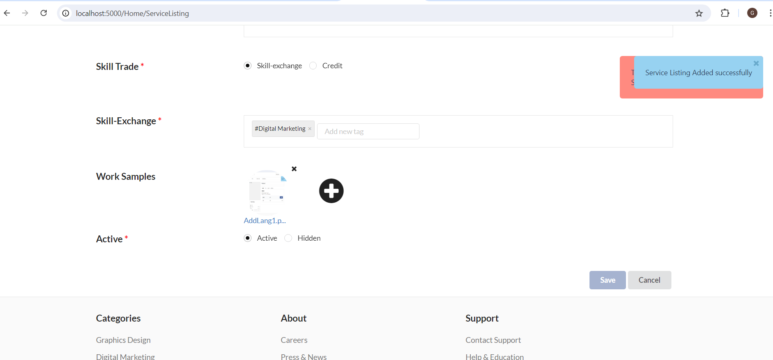
TS_013
TS_014
TS_015
TS_016
TS_017

