Sheet1
Test Scenario ID | Test Scenario | ID:Test Case Desription | Pre-Conditions | Test Steps | Test Data | Expected Results | Status | Actual Results

TS_001 | Check if the existing/New user is able to login/Register with valid credentials | TC_001:Verify if the existing user is able to login with valid username & password | User can navigate the turnup portal login page | Existing user can navigate the turnup portal login page. User enters the username and password and clicks on login button | Url: https://localhost:5000 Username: geothy@gmail.com Password:7geothy* | User should be able to navigate the turnup portal login page User should be able to enter username and password correctly & able to click login button. After successful login user should be able to see the profile page. | Passed | 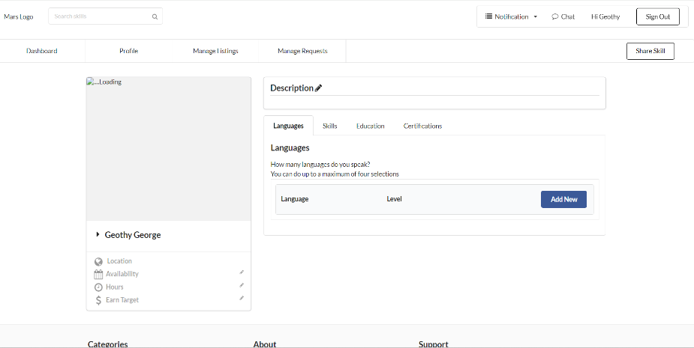
TS_002 | Check if the existing user is not able to login with invalid credentials | TC_002: Verify if the existing user is not able to login with (valid/invalid)username & (invalid/valid)password | User can navigate the turnup portal login page | Existing user can navigate the turnup portal login page. User enters the (valid)username and (invalid)password and clicks on login button. Or User enters the (invalid)username and (valid)password and clicks on login button Or User enters the (invalid)username and (invalid)password and clicks on login button | Url: https://localhost:5000 Username: geothy@gmail.com Password:123456 Or Url: https://localhost:5000 Username: hari@gmail.com Password:7geothy* Or Url: https://localhost:5000 Username: hari@gmail.com Password:123456 | User should be able to navigate the turnup portal login page User should be able to enter username and password & when click the login button should not be able to login. | Passed | 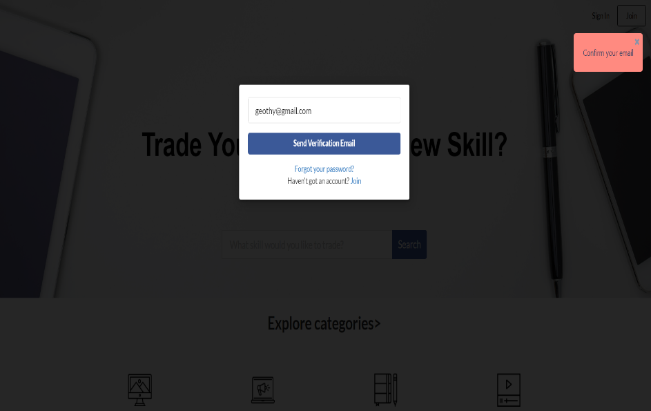
TS_003 | Check if the user is able to add new data in Education | TC_003:Verify if user is navigated to add a new data by clicking on Add new button in Education tab TC_004:Verify if user is able to add college name,Country,Title,Degree & year of Graduation in Education field | User is navigated to Profile page | User clicks on Add new button in Education section & is navigated to new entry Textbox. User selects college name,Country,Title,Degree,Year of Graduation in Education tab. User adds the data. | College/University Name:RMU Country of College/University:United States Title:BTech Degree:BE Year of Graduation:2004 Or College/University Name:Rcert Country of College/University:India Title:BTech Degree:abcd Year of Graduation:2014 Or College/University Name:1234 Country of College/University:Belgium Title:BA Degree:78.88 Year of Graduation:2007 Or College/University Name:a3456 Country of College/University:Bangladesh Title:Associate Degree:BE Year of Graduation:2004 | User should be able to enter data in College,Degree. User should be able to select Country of College/University,Title,Year of Graduation from dropdown. User should be able to add the education. | Passed | 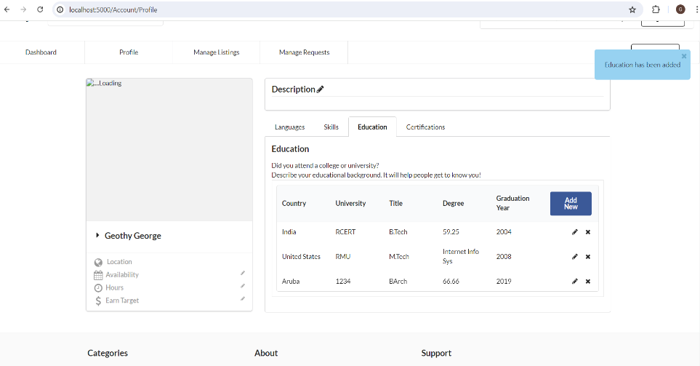
TS_004 | Check if the user is unable to add new Education | TC_005: Verify if user is unable to add the data in Language section. | User is navigated to Profile page | User clicks on Add new button in Education section & is navigated to new entry Textbox. User selects college name,Country,Title,Degree,Year of Graduation in Education tab. User clicks on add. | College/University Name: Country of College/University:Armania Title:BArch Degree: Year of Graduation:2021 OR College/University Name:___ Country of College/University:Armania Title:BArch Degree: Year of Graduation:2021 OR College/University Name:RCERT Country of College/University:India Title:BTech Degree:59.25 Year of Graduation:2004 | When User enters invalid data in Add Education. When Clicked on Add User should be not be able to add the language. | Passed | 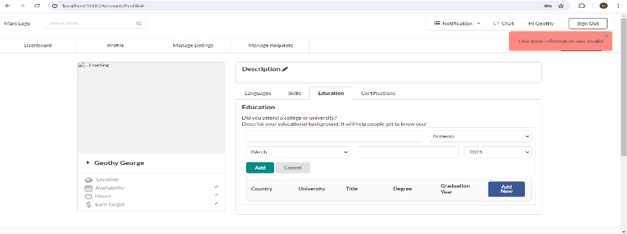 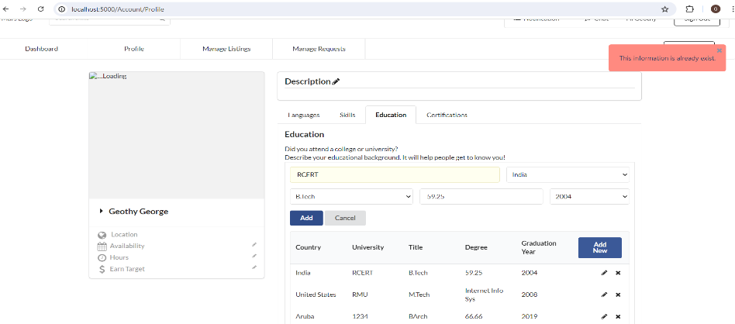 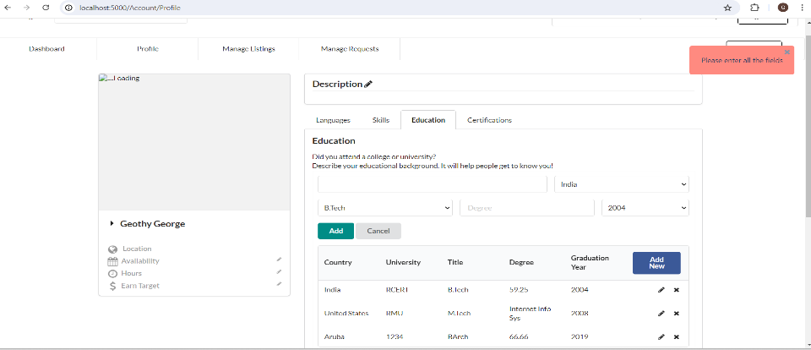
TS_005 | Check if the user is able to edit new Education | TC_006: Verify if user is able to edit the existing data in Education section. | User is navigated to Profile page | User clicks on Edit button in the Education section & is navigated to existing record. User makes the desired changes and updates the entered data. | College/University Name:Robert Morris Country of College/University:United States Title:MTech Degree:Internet Info Systems Year of Graduation:2008 | User should be able to navigate the edit textbox in Education tab User should be able to edit the desired data. User should be able to update the changes. |  | 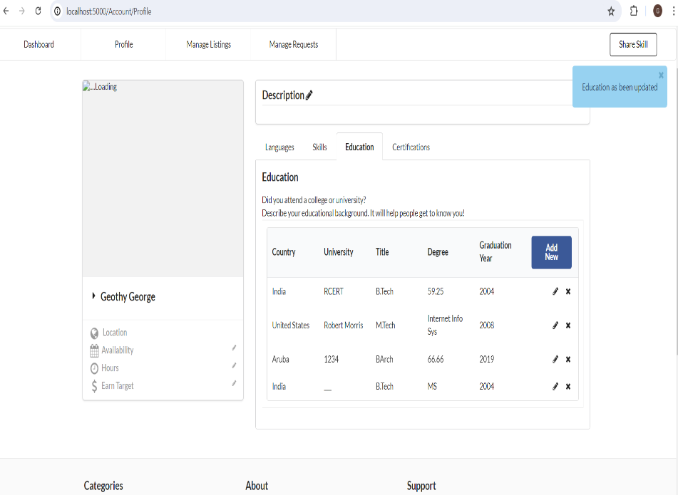
TS_006 | Check if the user is unable to edit new Education | TC_007: Verify if user is unable to edit the existing data in Education section. | User is navigated to Profile page | User clicks on Edit button in the Education section & is navigated to existing record. User makes the desired changes and tries to update the entered data. | College/University Name: Country of College/University:United States Title:MTech Degree:Internet Info Systems Year of Graduation:2008 OR College/University Name:Rcert Country of College/University:India Title:BTech Degree:59.25 Year of Graduation:2004 | User should be able to navigate the edit textbox in Education tab User should be able to edit the invalid data. User should be unable to update the changes. | Passed
TS_007 | Check if the user is able to delete new Education | TC_008: Verify if user is able to delete the existing data in Education section. | User is navigated to Profile page | User clicks on Delete button in Education list. | College/University Name:Rcert Country of College/University:India Title:BTech Degree:59.25 Year of Graduation:2004 | User should be able to click on delete in Education list. | Passed | 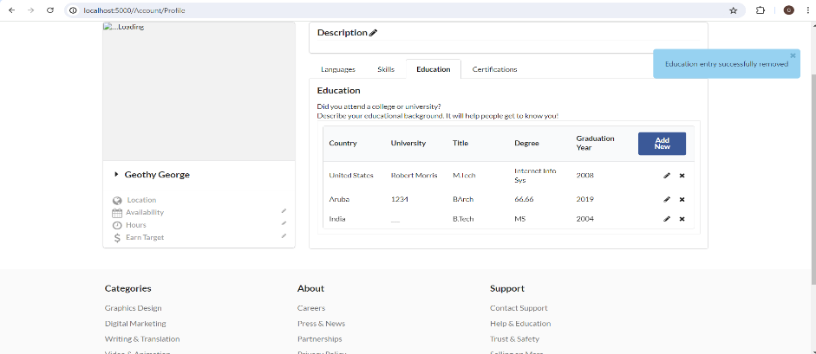
TS_008 | Check if the user is able to add new data in Certification | TC_009:Verify if user is navigated to Certifications tab TC_010:Verify if user is able to add a new data by clicking on Add new button in Certificate name,Certificate from & Certificate year in Certification field | User is navigated to Profile page | User clicks on Add new button in Certification section & is navigated to new entry Textbox. User enters Certificate name,Certificate from,Year in Certification tab. User adds the data. | Certification Name:ISTQB Certified from:ISTQB Year:2022 Or Certification Name:1234 Certified from:5678 Year:2013 OR Certification Name: Certified from: Year:2011 | User should be able to enter data in Certificate name,certified from. User should be able to select the dropdown from year. User should be able to add the data in certifications. | Passed
TS_009 | Check if the user is unable to add new data in Certification | TC_011: Verify if user is unable to add the data in Certification section. | User is navigated to Profile page | User clicks on Add new button in Certification section & is navigated to new entry Textbox. User selects Certificate name,Certificate from,Year in Certification tab. User clicks on add. | Certification Name:ISTQB Certified from:ISTQB Year:2022 Or Certification Name: Certified from:ISTQB Year:2022 | User should be able to enter invalid data in Certificate name,certified from. User should be able to select the dropdown from year. User should be unable to add the data in certifications. | Passed
TS_010 | Check if the user is able to edit new Certification | TC_012: Verify if user is able to edit the existing data in Certification section. | User is navigated to Profile page | User clicks on Edit button in the Certification section & is navigated to existing record. User makes the desired changes and updates the entered data. | Certification Name: Certified from:ISTQB Year:2022 Or Certification Name:ISTQB Foundation Certified from:ISTQB Year:2022 | User should be able to edit valid data in Certificate name,certified from. User should be able to select the dropdown from year. User should be able to edit the data in certifications. | Passed
TS_011 | Check if the user is unable to edit new Certification | TC_013: Verify if user is unable to edit the existing data in Certification section. | User is navigated to Profile page | User clicks on Edit button in the Certification section & is navigated to existing record. User makes the desired changes and is unable to update the entered data. | Certification Name:ISTQB Foundation Certified from:ISTQB Year:2022 Or Certification Name: Certified from: Year:Year | User should be able to edit invalid data in Certificate name,certified from. User should be able to select the dropdown from year. User should be unable to edit the data in certifications. | Passed
TS_012 | Check if the user is able to delete new Certification | TC_014: Verify if user is able to delete the existing data in Certification section. | User is navigated to Profile page | User clicks on Delete button in Certification list. | Certification Name:ISTQB Foundation Certified from:ISTQB Year:2022 | User should be able to click on delete in Certification list. | Passed | 