Sheet1
Test Scenario ID | Test Scenario | ID:Test Case Desription | Pre-Conditions | Test Steps | Test Data | Expected Results | Status | Actual Results

TS_001 | Check if the existing/New user is able to login/Register with valid credentials | TC_001:Verify if the existing user is able to login with valid username & password | User can navigate the turnup portal login page | Existing user can navigate the turnup portal login page. User enters the username and password and clicks on login button | Url: https://localhost:5000 Username: geothy@gmail.com Password:7geothy* | User should be able to navigate the turnup portal login page User should be able to enter username and password correctly & able to click login button. After successful login user should be able to see the profile page. | Passed
TS_002 | Check if the existing user is not able to login with invalid credentials | TC_002: Verify if the existing user is not able to login with (valid/invalid)username & (invalid/valid)password | User can navigate the turnup portal login page | Existing user can navigate the turnup portal login page. User enters the (valid)username and (invalid)password and clicks on login button. Or User enters the (invalid)username and (valid)password and clicks on login button Or User enters the (invalid)username and (invalid)password and clicks on login button | Url: https://localhost:5000 Username: geothy@gmail.com Password:123456 Or Url: https://localhost:5000 Username: hari@gmail.com Password:7geothy* Or Url: https://localhost:5000 Username: hari@gmail.com Password:123456 | User should be able to navigate the turnup portal login page User should be able to enter username and password & when click the login button should not be able to login. | Passed | 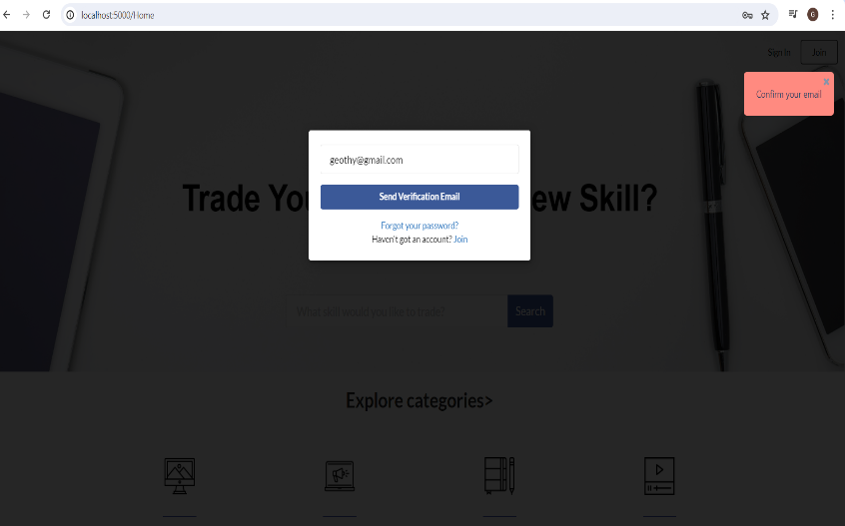
TS_003 | Check if the user is able to add new Language | TC_003:Verify if user is able to add a new entry into Language tab by clicking on Add new button TC_004:Verify if user is navigated to add a new data entry of Language TC_005:Verify if user is able to select language level option from dropdown menu Add new Language | User is navigated to Profile page | User clicks on Add new button in Language section & is navigated to new entry Textbox. User selects Language Level from dropdown menu in Language tab User adds the data. | Add Language:Marathi Language Level:Basic | User should be able to enter data in Add Language. User should be able to select Language level dropdown. User should be able to add the language. | Passed | 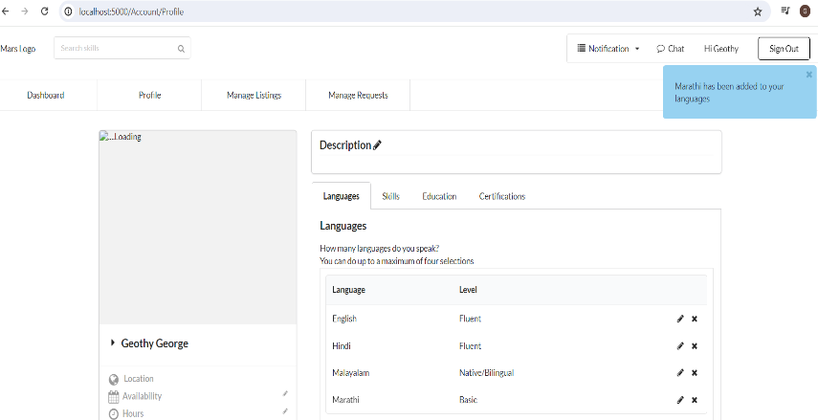
TS_004 | Check if the user is unable to add new Language | TC_006: Verify if user is unable to add the existing data in Language section. | User is navigated to Profile page | User clicks on Add new button in Language section & is navigated to new entry Textbox. User selects Language Level from dropdown menu in Language tab User clicks on add. | Add Language:English Language Level:Basic | User should be able to enter data in Add Language. User should be able to select Language level dropdown.Clicked on Add User should be not be able to add the language. | Passed | 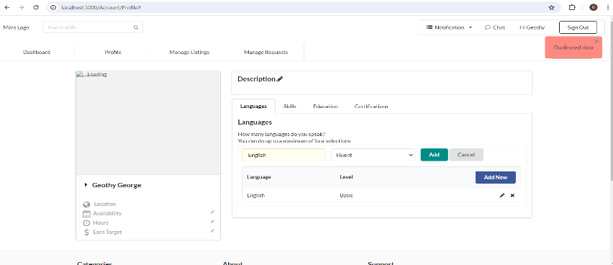
TS_005 | Check if the user is able to edit new Language | TC_007: Verify if user is able to edit the existing data in Language section. | User is navigated to Profile page | User clicks on Edit button in Language section & is navigated to existing record. User makes the desired changes and updates the entered data. | Add Language:Tamil Language Level:Basic | User should be able to navigate the edit textbox in Language tab User should be able to edit the desired data. User should be able to update the changes. | Passed
TS_006 | Check if the user is able to delete new Language | TC_008: Verify if user is able to delete the existing data in Language section. | User is navigated to Profile page | User clicks on Delete button in Language list. | Language:Tamil | User should be able to click on delete in Language list. | Passed
TS_007 | Check if the user is able to add new Skill | TC_009:Verify if user is able to add a new entry into Language tab by clicking on Add new button TC_10:Verify if user is navigated to add a new data entry of Language TC_011:Verify if user is able to select language level option from dropdown menu Add new Language | User is navigated to Profile page | User clicks on Add new button in Skills section & is navigated to new entry Textbox. User selects Skill Level from dropdown menu in Skills tab. User adds the data. | Add Skill:Mulititasking Skill Level:Intermediate | User should be able to enter data in Add Skill. User should be able to select Skill level dropdown. User should be able to add the Skill. | Passed | 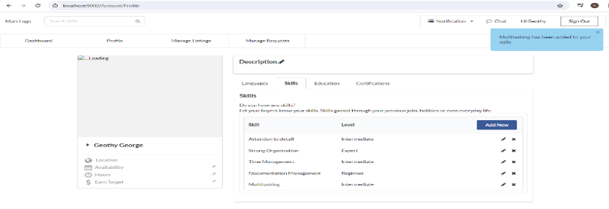
TS_008 | Check if the user is unable to add new Skill | TC_12:Verify user is unable to add a entry in Skills | User is navigated to Profile page | User clicks on Add new button Skill section & is navigated to Add Skill Textbox.Add the same existing data.Selects the skill level & clicks on add. | Add Skill:Multitasking Language Level:Beginner | User should be able to enter data in Add Skill. User should be able to select Skill level dropdown.Clicked on Add User should be not be able to add the Skill. | Passed | 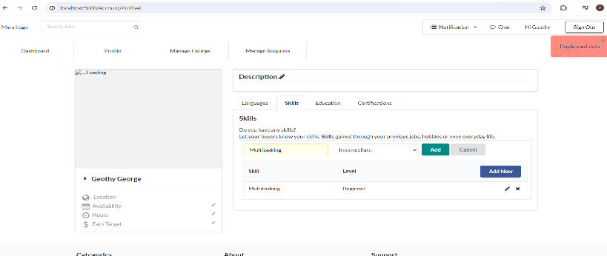
TS_009 | Check if the user is able to edit new Skill | TC_013: Verify if user is able to edit the existing data in Skill section. | User is navigated to Profile page | User clicks on Edit button in Skill section & is navigated to existing record. User makes the desired changes and updates the entered data. | Add Skill:Mulititasking Skill Level:Beginner | User should be able to navigate the edit textbox in Skills tab User should be able to edit the desired data. User should be able to update the changes. | Passed
TS_010 | Check if the user is able to delete new Skill | TC_014: Verify if user is able to delete the existing data in Skill section. | User is navigated to Profile page | User clicks on Delete button in Skills list. | Skill:Documentation Management | User should be able to click on delete in Skills List | Passed | 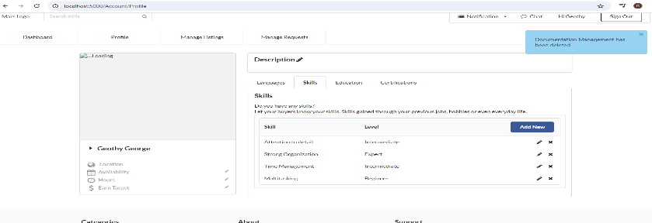
TS_011 | Check if the user is unable to delete new Skill | TC_015: Verify if user is not able to delete the existing data in Skill section. | User is navigated to Profile page | User clicks on Delete button in Skills list. | Skill:Documentation Management | User should be able to click on delete in Skills List | To do
TS_012 | Check if the user is unable to delete new language | TC_016: Verify if user is not able to delete the existing data in language section. | User is navigated to Profile page | User clicks on Delete button in language list. | Language:Tamil | User should be able to click on delete in language List | To do

