Insight_google_trend
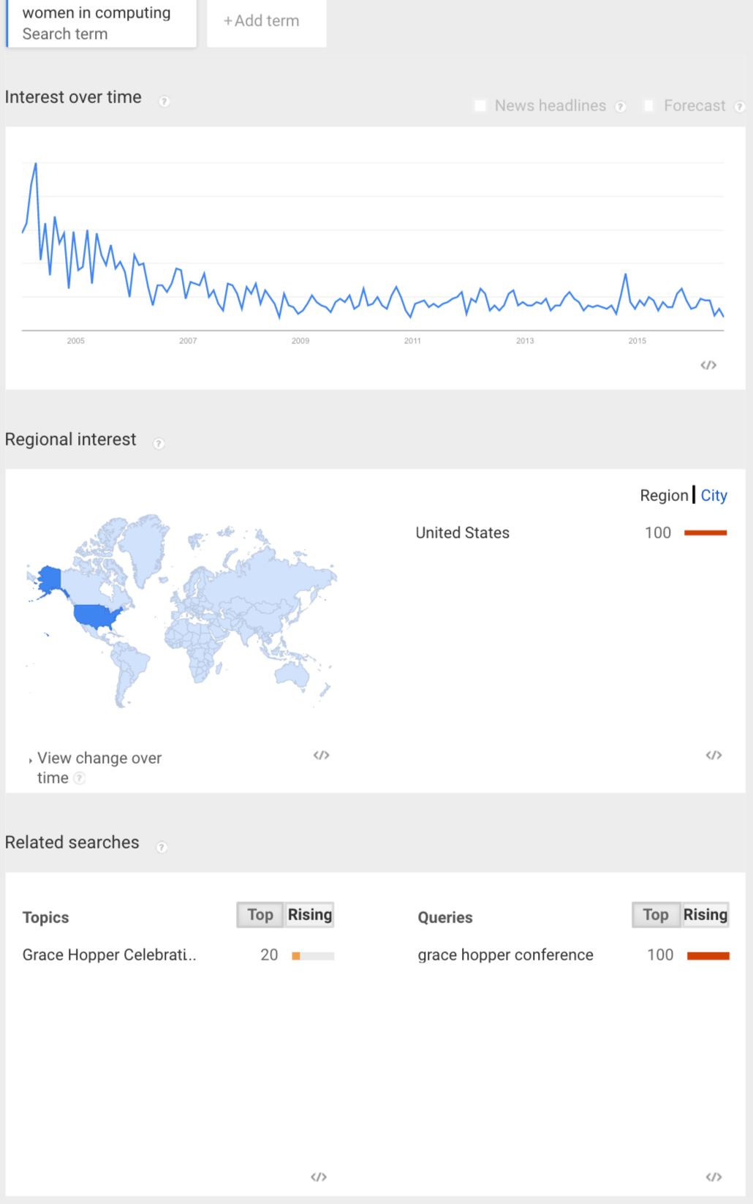
Use the "Shift& Printscreen" to copy and then past into Excel. Report the month with the highest traffic count.

