Sheet1
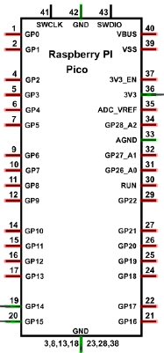
Name | Pin | Description
 | GP0
 | GP1
 | GND
 | GP2
 | GP3
 | GP4
 | GP5
 | GND
 | GP6
 | GP7
 | GP8
 | GP9
 | GND
 | GP10
 | GP11
 | GP12
 | GP13
 | GND
 | GP14
ESC | GP15 | Controls the motor
 | VBUS
 | VSS
 | GND
 | 3V3_EN
 | 3V3
 | ADC_VREF
 | GP28_A2
 | AGND
 | GP27_A1
 | GP26_A0
 | RUN
 | GP9
 | GND
 | GP10
 | GP11
 | GP12
 | GP13
 | GND
 | GP14
ESC | GP15 | Controls the motor

