Sheet1
Name | Pin | Description
 | GP0
 | GP1
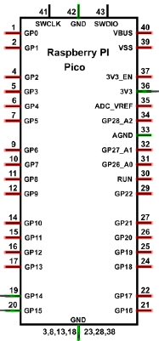
 | GND
 | GP2
 | GP3
 | GP4
 | GP5
 | GND
 | GP6
 | GP7
LED indicator GREEN | GP8 | If green light is lit up the area is clear
LED indicator RED | GP9 | If red light is lit up the area is not clear
 | GND
Step Motor IN1 | GP10 | Allows the step motor to pivot back and forth
Step Motor IN2 | GP11 | Allows the step motor to pivot back and forth
Step Motor IN3 | GP12 | Allows the step motor to pivot back and forth
Step Motor IN4 | GP13 | Allows the step motor to pivot back and forth
 | GND
Servo | GP14 | Controls the steering of the car
ESC | GP15 | Controls the motor of the car
Positive rail(right) | VBUS | Powers small components(ultrasonic sensor)
 | VSS
Negative rail(right) | GND | Used as ground for all components
 | 3V3_EN
 | 3V3
 | ADC_VREF
 | GP28_A2
 | AGND
 | GP27_A1
 | GP26_A0
 | RUN
 | GP22
 | GND
 | GP21
 | GP20
 | GP19
IR Sensor | GP18 | Sends light signals to to detect obstacles. Used for rear obstacle detection
 | GND
Ultrasonic Sensor Trigger | GP17 | Sends the ultrasonic pulse
Ultrasonic Sensor Echo | GP16 | Recieves the returning ultrasonic signal

