#6. Data_Dashboard
CROCS ARE DOMINATING THE MARKET!
IDEA: A HIGH FASHION SANDAL CROC!

Crocs | 1808
Tory Burch | 214
Tresmode | 618
Franco Leone | 630
Nike | 236
Woodland | 176
TOTAL REVENUE
Crocs | 6262
Tory Burch | 5624
Tresmode | 2382
Franco Leone | 1028
Nike | 955
Woodland | 619
50% of Stores Carry
Crocs!
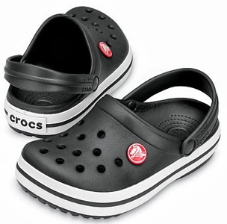
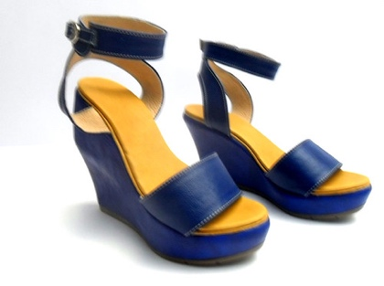
Launch the shoes in Brown, Blue and Black

However, there is potential to market towards those who enjoy high fashion

COLORS AND SIZES PREDICT THE PRICE
OFFERED BY CARRIERS:

 | Brown | Blue | Black
8 | 4029.1794872 | 3218.6666667 | 3725.0188679
6 | 4581.4736842 | 3971.2682927 | 3896.0540541
9 | 4160.9189189 | 4064 | 3895.8461538

Average price
CURRENT CUSTOMERS

POPULAR SIZES:
POPULAR COLORS:

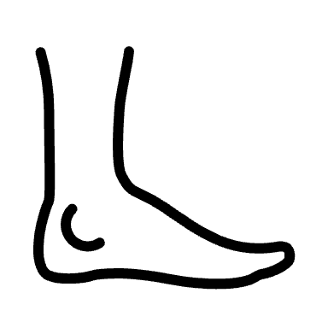
BROWN
BLUE
8
6
9

BLACK

Size

