ML Results
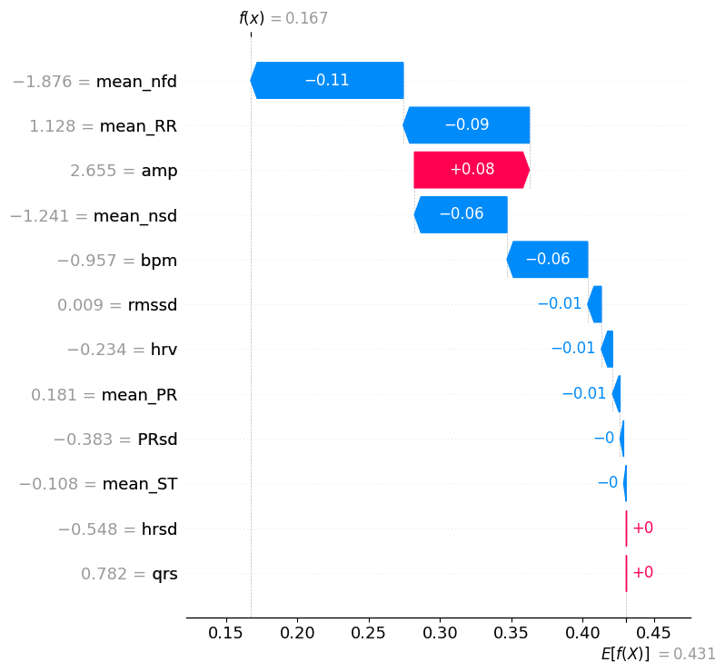
ML Classification: | 0
ML Confidence: | 0.83282173075

Feature | ECG Baseline | ECG Test | ECG % Difference
bpm | 87.90715 | 81.81659 | -6.92839%
hrv | 0.06405 | 0.05589 | -12.74518%
hrsd | 8.55632 | 6.20654 | -27.46243%
qrs | 74.89412 | 88.65000 | 18.36711%
amp | 0.03999 | 0.04697 | 17.43947%
rmssd | 0.40818 | 0.43885 | 7.51412%
mean_RR | 0.68874 | 0.73757 | 7.09030%
mean_PR | 0.12835 | 0.12772 | -0.49302%
PRsd | 0.01400 | 0.00751 | -46.38271%
mean_ST | 0.05312 | 0.04809 | -9.46952%
mean_nfd | 0.69106 | 0.37329 | -45.98240%
mean_nsd | 0.60157 | 0.29092 | -51.63978%

Stats Graphs
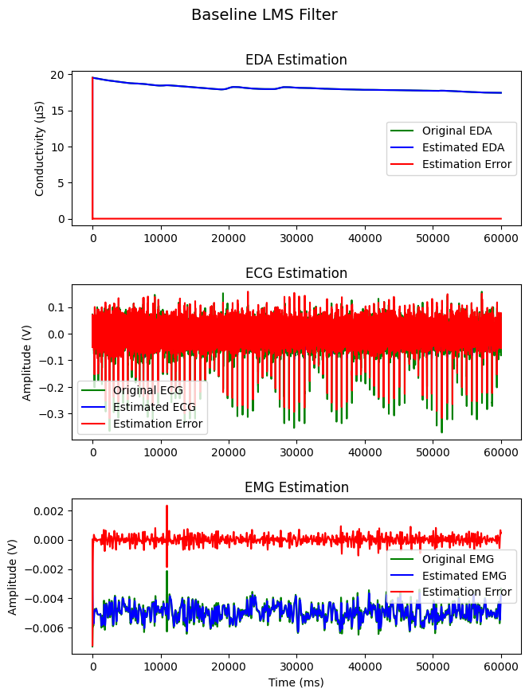
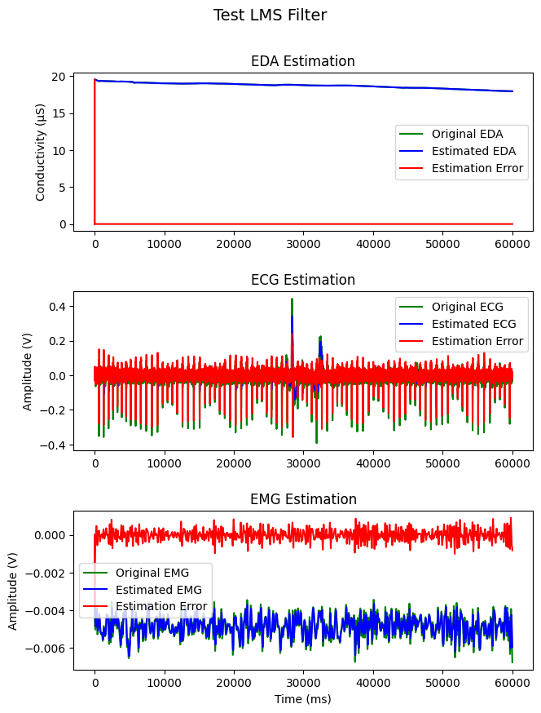
Baseline Stats
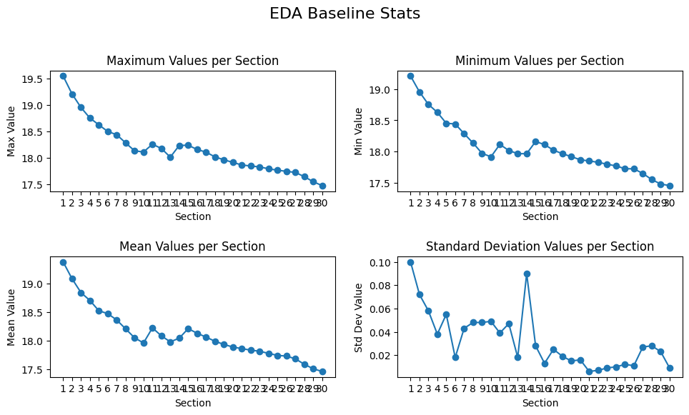

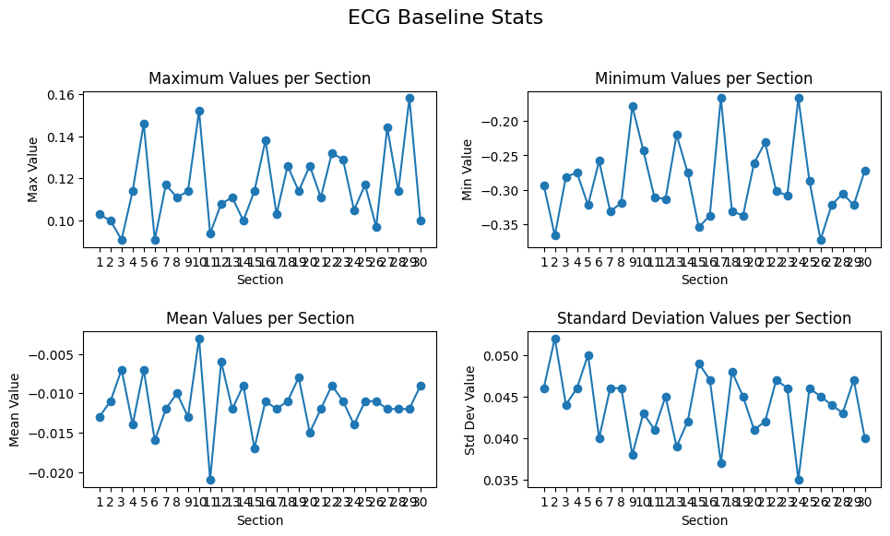

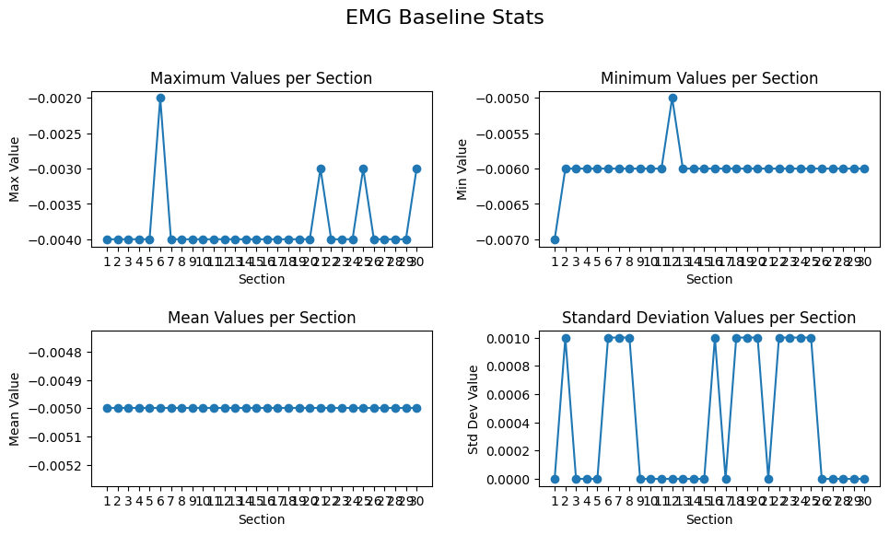

Test Stats
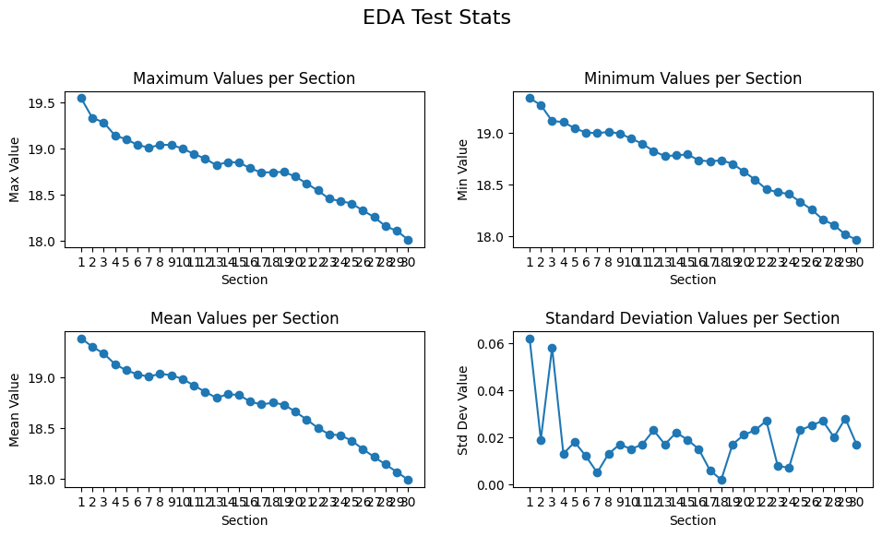

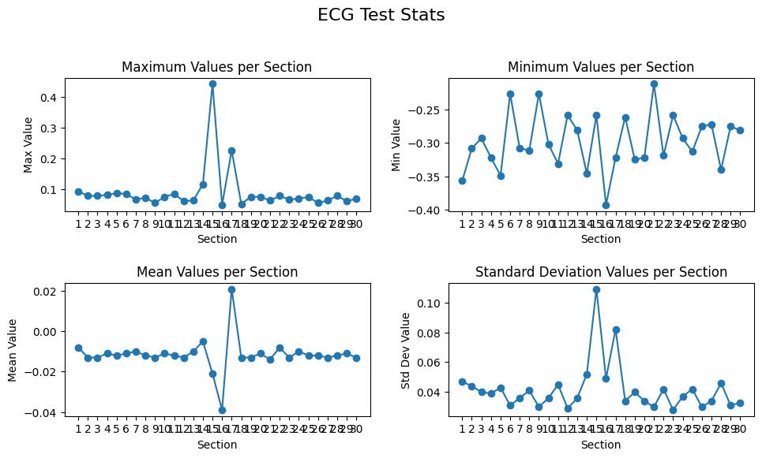

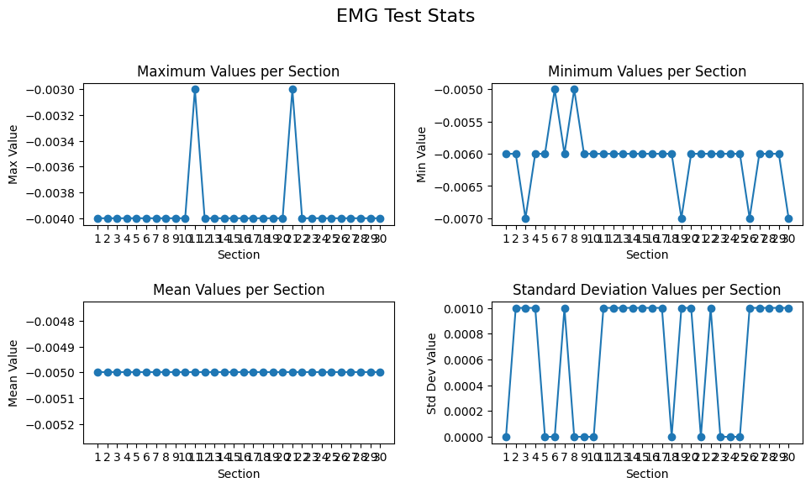

LMS Adaptive Filtering

