Organization
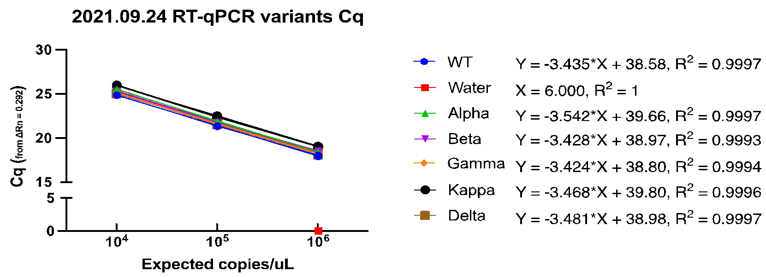
This sheet organizes this CompiledVariantData_EM_28092021 Excel file

 | Researcher: | EM
 | File Made: | 11102021 |  |  |  |  |  |  |  |  |  |  |  |  |  |  | Some Preliminary Data Analyses with Explanations:
 | Experiment Date: | 28092021
 | https://docs.google.com/spreadsheets/d/1Jb2RJwmQQAtqtR2FaVXAs202Hqb4pBkErXy0Uewa9zg/edit#gid=1605120549 |  |  |  |  |  |  |  |  |  |  |  |  |  |  |  | EM's Linear Regression (pretty sure errored, using T15min/960s as starting), did Times RFU - T15 RFU to "standardize", though not really sure if that is how to do this. |  | Reference Table for Data Analysis by Allen (03102020 AC)
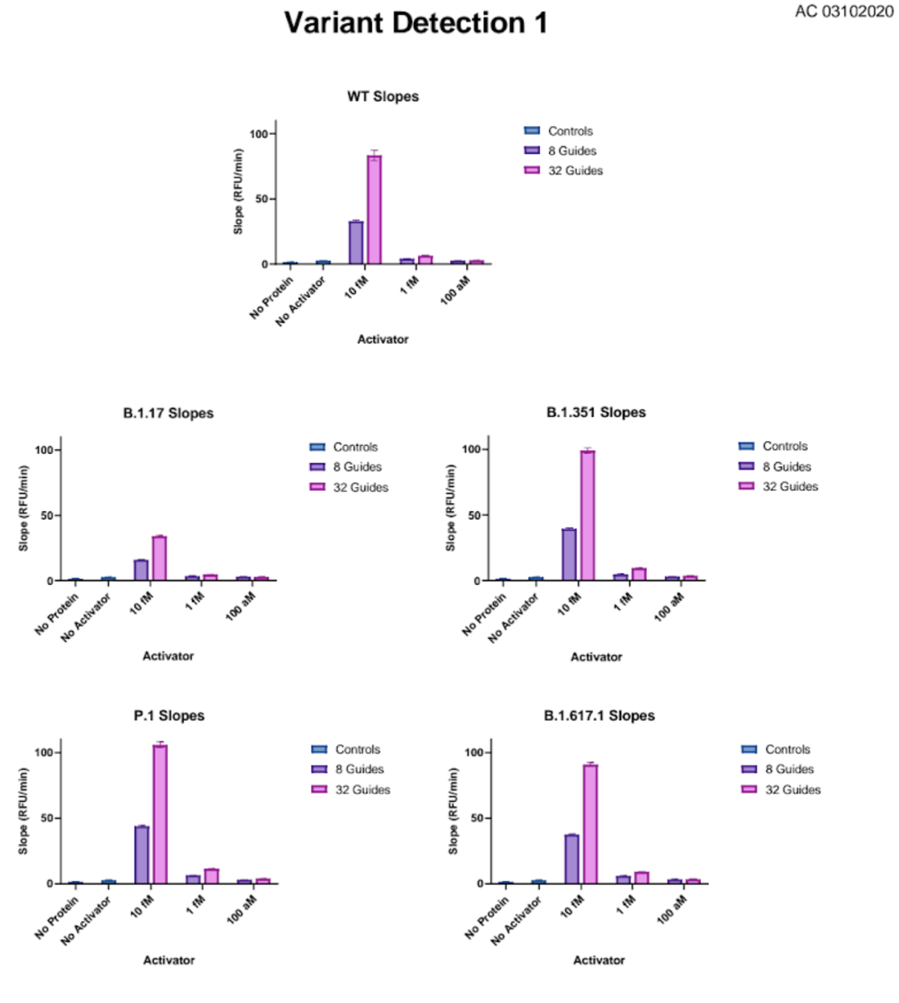
 | Reaction Conditions:
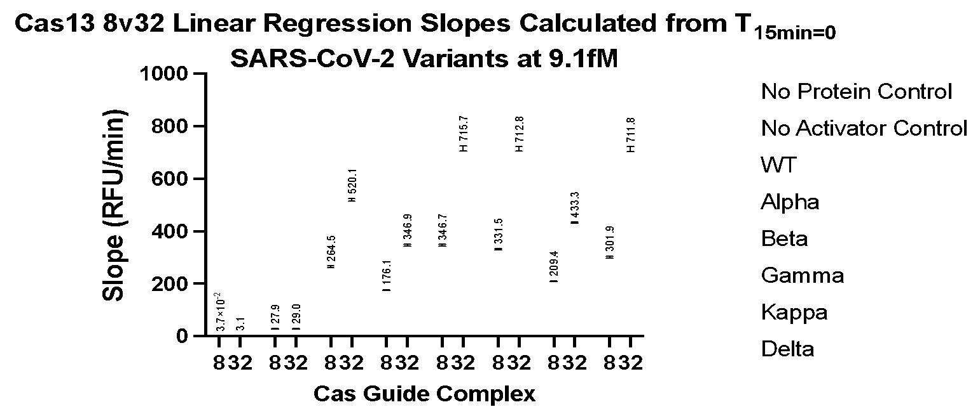
 | TECAN M1000 (ex: 485(8) / em: 535(20))
 | gain: 87
 | 400nM Reporter
 | 50nM LbuCas13a + 50nM crRNA
 | Twist RNA Variants at 9.1fM in reaction (Stock: 1,667fM or 10^6 copies/uL)
 | + Cover
 | EM 28092021

 | Tabs Explained:
 | 8g and 32g (4X) | All 4 replicates of raw data from Tecan
 | 8g and 32g (3X) | Selected 3 replicates (1 bad) for data analysis
 | RT-qPCR | Cq values for Twist variant dilutions (10^6 to 10^4)

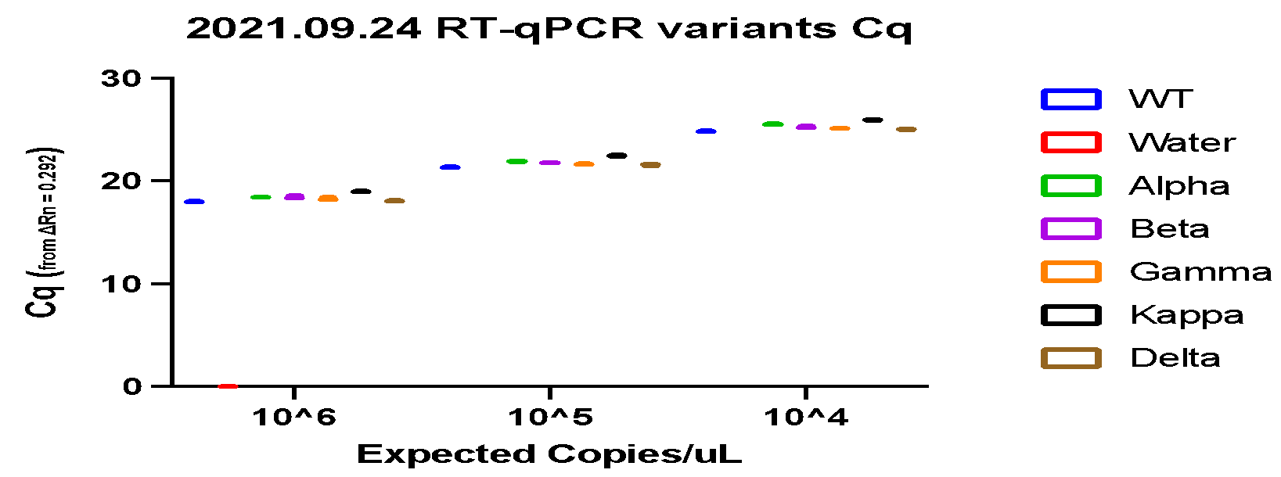
 | Snapshot of Plate Map for Full Run (Rows A- F (P), Columns 1-16 (24)) |  |  |  |  |  |  |  |  |  |  |  |  |  |  |  | RT-qPCR data (boxplot of Cq triplicate values)
 | 1 | 2 | 3 | 4 | 5 | 6 | 7 | 8 | 9 | 10 | 11 | 12 | 13 | 14 | 15 | 16…
A | No Protein Control | No Protein Control | No Activator Control | No Activator Control | WT | WT | Alpha | Alpha | Beta | Beta | Gamma | Gamma | Kappa | Kappa | Delta | Delta
B | No Protein Control | No Protein Control | No Activator Control | No Activator Control | WT | WT | Alpha | Alpha | Beta | Beta | Gamma | Gamma | Kappa | Kappa | Delta | Delta
C | No Protein Control | No Protein Control | No Activator Control | No Activator Control | WT | WT | Alpha | Alpha | Beta | Beta | Gamma | Gamma | Kappa | Kappa | Delta | Delta
D | No Protein Control | No Protein Control | No Activator Control | No Activator Control | WT | WT | Alpha | Alpha | Beta | Beta | Gamma | Gamma | Kappa | Kappa | Delta | Delta
E | -- | -- | -- | -- | -- | -- | -- | -- | -- | -- | -- | -- | -- | -- | -- | --
F… | -- | -- | -- | -- | -- | -- | -- | -- | -- | -- | -- | -- | -- | -- | -- | --

 | Guides
 | 8 | 32
 | Replicates Used for Analysis: x3 = yellow/green, omitted = brown
 | 1 | 2
 | 3 | 4

 |  |  |  |  |  |  |  |  |  |  |  |  |  |  |  |  | Zooming in on the RT-qPCR values per Twist dilution to observe significant, relative variation between Cq values. (Note: water only tested in the first graph, not diluted (no RNA) so similar to the first graph.

 |  |  |  |  |  |  |  |  |  |  |  |  |  |  |  |  | 1 | 2 |  | 3

 |  |  |  |  |  |  |  |  |  |  |  |  |  |  |  |  | Linear regression (simple) of the RT-qPCR dilutions and Cq values, with R^2 goodness of fit values, df = 7

RT-qPCR Cq
Twist Cp/uL | Expected copies/uL | WT |  |  | Water |  |  | Alpha |  |  | Beta |  |  | Gamma |  |  | Kappa |  |  | Delta
10^6 | 1000000 | 17.961 | 18.084 | 17.948 | 0 | 0 | 0 | 18.45 | 18.445 | 18.416 | 18.347 | 18.357 | 18.561 | 18.225 | 18.181 | 18.415 | 18.975 | 18.983 | 19.074 | 18.039 | 18.082 | 18.146
10^5 | 100000 | 21.363 | 21.329 | 21.389 | -- | -- | -- | 21.91 | 21.906 | 21.865 | 21.767 | 21.791 | 21.78 | 21.606 | 21.649 | 21.716 | 22.36 | 22.429 | 22.523 | 21.631 | 21.621 | 21.507
10^4 | 10000 | 24.862 | 24.882 | 24.859 | -- | -- | -- | 25.507 | 25.492 | 25.566 | 25.24 | 25.24 | 25.352 | 25.111 | 25.106 | 25.147 | 25.9 | 26.009 | 25.93 | 25.04 | 25.016 | 25.096

 | Some Preliminary Data Analyses with Explanations: |  |  |  |  |  |  |  | Plate map for QuantStudio3
 |  |  |  |  |  |  | Species |  | 1 | 2 | 3 | 4 | 5 | 6 | 7 | 8 | 9 | 10 | 11 | 12
 | RT-qPCR data (boxplot of Cq triplicate values) |  |  |  |  |  | WT | A | F Twist WT vRNA | F Twist WT vRNA | F Twist WT vRNA | 1:10 Twist WT vRNA | 1:10 Twist WT vRNA | 1:10 Twist WT vRNA | 1:100 Twist WT vRNA | 1:100 Twist WT vRNA | 1:100 Twist WT vRNA | -- | -- | --
 |  |  |  |  |  |  | -- | B | H2O | H2O | H2O | -- | -- | -- | -- | -- | -- | -- | -- | --
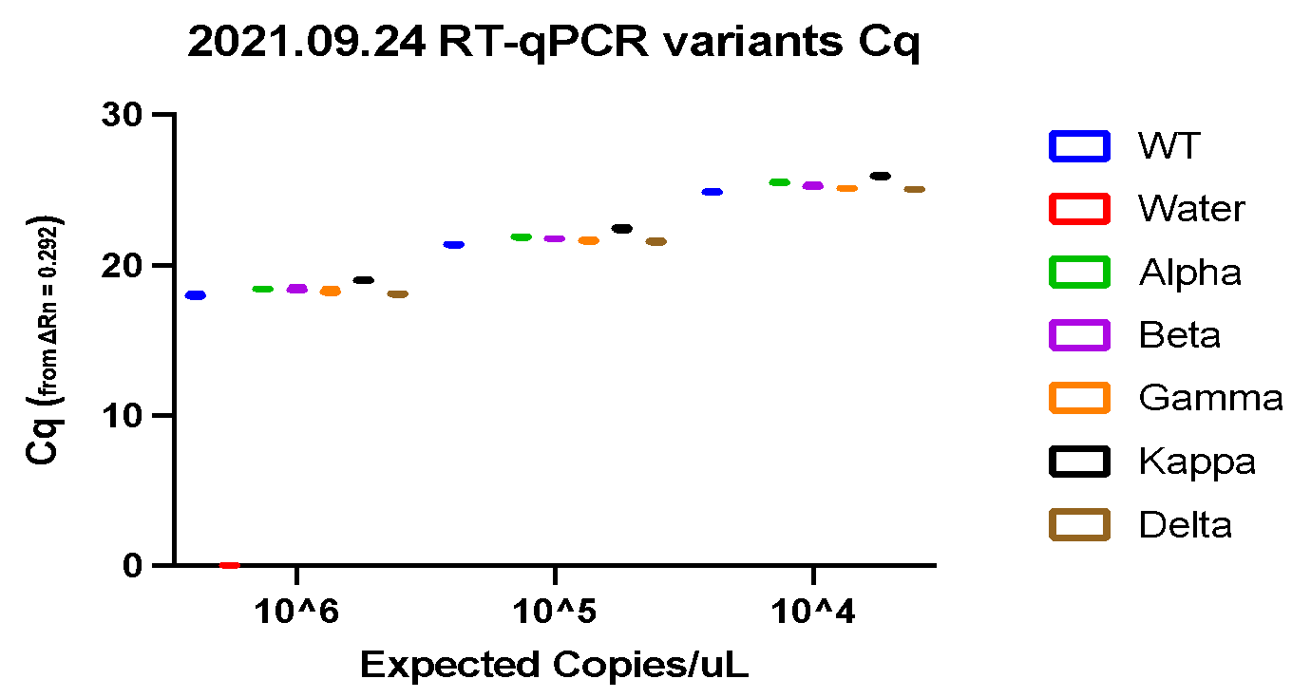
 |  |  |  |  |  |  | Alpha | C | Alpha | Alpha | Alpha | Alpha | Alpha | Alpha | Alpha | Alpha | Alpha | -- | -- | --
 |  |  |  |  |  |  | Beta | D | Beta | Beta | Beta | Beta | Beta | Beta | Beta | Beta | Beta | -- | -- | --
 |  |  |  |  |  |  | Gamma | E | Gamma | Gamma | Gamma | Gamma | Gamma | Gamma | Gamma | Gamma | Gamma | -- | -- | --
 |  |  |  |  |  |  | Kappa | F | Kappa | Kappa | Kappa | Kappa | Kappa | Kappa | Kappa | Kappa | Kappa | -- | -- | --
 |  |  |  |  |  |  | Delta | G | Delta | Delta | Delta | Delta | Delta | Delta | Delta | Delta | Delta | -- | -- | --
 |  |  |  |  |  |  |  | H | -- | -- | -- | -- | -- | -- | -- | -- | -- | -- | -- | --
 |  |  |  |  |  |  |  |  | [F] |  |  | D1 (1:10) |  |  | D2 (1:100)

 | Zooming in on the RT-qPCR values per Twist dilution to observe significant, relative variation between Cq values. (Note: water only tested in the first graph, not diluted (no RNA) so similar to the first graph.

 | 1 |  |  |  | 2 |  |  |  | 3

 | Linear regression (simple) of the RT-qPCR dilutions and Cq values, with R^2 goodness of fit values, df = 7

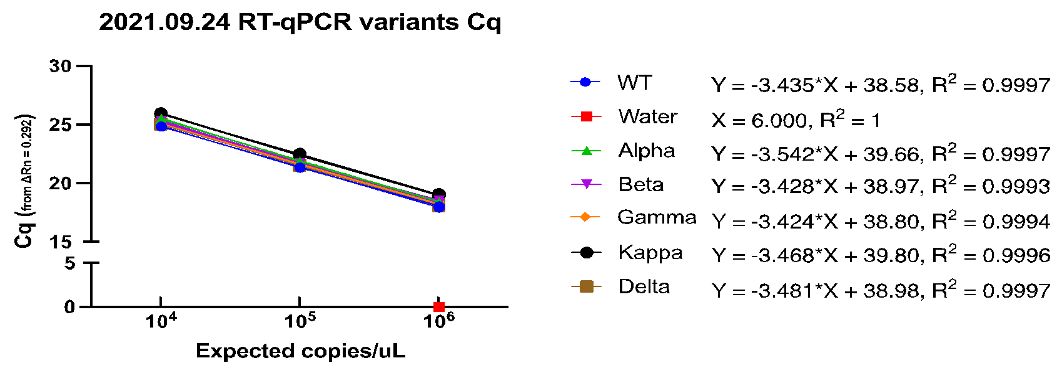
 |  |  |  |  |  |  |  |  |  |  | Table of equations and R^2 values
 |  |  |  |  |  |  |  |  |  |  | Sample | Equation | Goodness of Fit R^2
 |  |  |  |  |  |  |  |  |  |  | WT | Y = -3.435*X + 38.58 | 0.9997
 |  |  |  |  |  |  |  |  |  |  | Water | X = 6.000 | 1
 |  |  |  |  |  |  |  |  |  |  | Alpha | Y = -3.542*X + 39.66 | 0.9997
 |  |  |  |  |  |  |  |  |  |  | Beta | Y = -3.428*X + 38.97 | 0.9993
 |  |  |  |  |  |  |  |  |  |  | Gamma | Y = -3.424*X + 38.80 | 0.9994
 |  |  |  |  |  |  |  |  |  |  | Kappa | Y = -3.468*X + 39.80 | 0.9996
 |  |  |  |  |  |  |  |  |  |  | Delta | Y = -3.481*X + 38.98 | 0.9997

