Sheet1
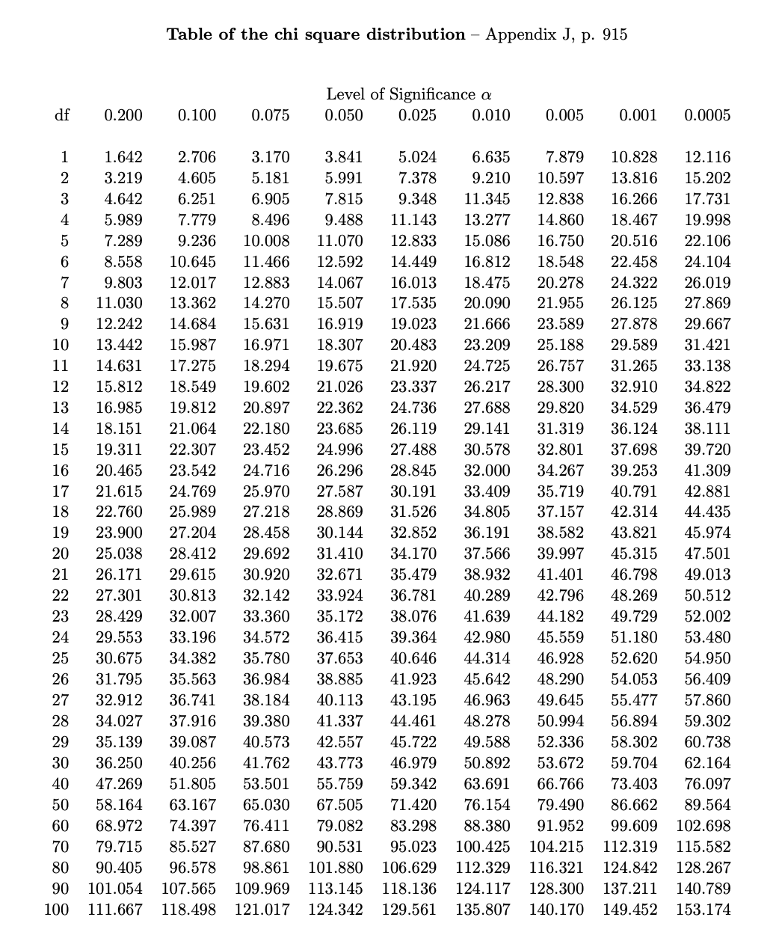
Question 2b
 | OBSERVED | EXPECTED | O-E | (O-E)^2 | ((O-E)^2) / E
Sunday | 47 | 34.58 | 12.42 | 154.2564 | 4.4608559861
Monday | 15 | 19.76 | -4.76 | 22.6576 | 1.1466396761
Tuesday | 27 | 24.7 | 2.3 | 5.29 | 0.21417004049
Wednesday | 45 | 59.28 | -14.28 | 203.9184 | 3.4399190283
Thursday | 44 | 54.34 | -10.34 | 106.9156 | 1.9675303644
Friday | 166 | 182.78 | -16.78 | 281.5684 | 1.5404770763
Saturday | 150 | 118.56 | 31.44 | 988.4736 | 8.3373279352

n = | 494
groups (k) = | 7
equal prop. = | 70.571428571
yates cc? | no
alpha = | 0.05
df = | 6

chi-sq critical value | 12.592
chi-sq statistic | 21.106920107
is stat.sig? | TRUE |  | p-val is less than alpha
p-value = | 0.0017551980016 | TRUE | < - p-val < alpha (satistically significant, reject null)
 |  |  | data favors alternative hypothesis
Question 3a

OBSERVED
 | Pet Therapy Participation |  |  |  | yates cc? | yes
Level of Calmness | Participants | Non-participants | Total |  | alpha = | 0.05
High level | 23 | 15 | 38 |  | df = | 1
Low level | 11 | 18 | 29 |  | chi-sq critical value | 3.841
Total | 34 | 33 | 67 |  | chi-sq statistic | 2.5164882114
 |  |  |  |  | is stat.sig? | FALSE
EXPECTED |  |  |  |  | p-value = | 0.11266123014
 | Pet Therapy Participation
Level of Calmness | Participants | Non-participants | Total |  | p-val is greater than alpha
High level | 19.28358209 | 18.71641791 | 38 |  | TRUE | < - p-val > alpha
Low level | 14.71641791 | 14.28358209 | 29 |  | (not statistically significant, fail to reject null)
Total | 34 | 33 | 67 |  | not enough evidence to conclude whether effect exists

O-E
 | Pet Therapy Participation
Level of Calmness | Participants | Non-participants
High level | 3.7164179104 | -3.7164179104
Low level | -3.7164179104 | 3.7164179104

|O-E|
 | Pet Therapy Participation
Level of Calmness | Participants | Non-participants
High level | 3.7164179104 | 3.7164179104
Low level | 3.7164179104 | 3.7164179104

|O-E|-0.5
 | Pet Therapy Participation
Level of Calmness | Participants | Non-participants
High level | 3.2164179104 | 3.2164179104
Low level | 3.2164179104 | 3.2164179104

(|O-E|-0.5)^2
 | Pet Therapy Participation
Level of Calmness | Participants | Non-participants
High level | 10.345344175 | 10.345344175
Low level | 10.345344175 | 10.345344175

((|O-E|-0.5)^2) / E
 | Pet Therapy Participation
Level of Calmness | Participants | Non-participants
High level | 0.53648456633 | 0.5527416744
Low level | 0.70297977657 | 0.72428219405

Question 3b
Original table
 | Pet Therapy Participation |  |  |  | Particpants % | 68%
Level of Calmness | Participants | Non-participants | Total |  | Non-participants % | 45%
High level | 23 | 15 | 38
Low level | 11 | 18 | 29
Total | 34 | 33 | 67

New table with column percentages
 | Pet Therapy Participation
Level of Calmness | Participants | Non-participants | Total
High level | 68% | 45% | 57%
Low level | 32% | 55% | 43%
Total | 100% | 100% | 100%

Question 3c

The Relationship Between Calmness Levels During Exams & Pet Therapy Participation

Question 4b

OBSERVED
 | Hard ‘g’ | Soft ‘g’ | All letters | Total |  | yates cc? | no
USA | 65 | 32 | 1 | 98 |  | alpha = | 0.01
Europe | 75 | 22 | 1 | 98 |  | df = | 9
Asia | 33 | 34 | 30 | 97 |  | chi-sq critical value | 14.684
Total | 173 | 88 | 32 | 293 |  | chi-sq statistic | 72.298380398
 |  |  |  |  |  | is stat.sig? | TRUE
EXPECTED |  |  |  |  |  | p-value = | 5.3851368148E-12
 | Hard ‘g’ | Soft ‘g’ | All letters | Total
USA | 57.863481229 | 29.433447099 | 10.703071672 | 98
Europe | 57.863481229 | 29.433447099 | 10.703071672 | 98
Asia | 57.273037543 | 29.133105802 | 10.593856655 | 97
Total | 173 | 88 | 32 | 293

O-E
 | Hard ‘g’ | Soft ‘g’ | All letters
USA | 7.1365187713 | 2.566552901 | -9.7030716724
Europe | 17.136518771 | -7.433447099 | -9.7030716724
Asia | -24.273037543 | 4.866894198 | 19.406143345

(O-E)^2
 | Hard ‘g’ | Soft ‘g’ | All letters
USA | 50.929900174 | 6.5871937938 | 94.149599879
Europe | 293.6602756 | 55.256135773 | 94.149599879
Asia | 589.18035155 | 23.686659134 | 376.59839952

((O-E)^2) / E
 | Hard ‘g’ | Soft ‘g’ | All letters
USA | 0.88017345469 | 0.22379960361 | 8.7965027948
Europe | 5.0750537189 | 1.87732465 | 8.7965027948
Asia | 10.287220249 | 0.81304956962 | 35.548753563

