20220402_Puzzle
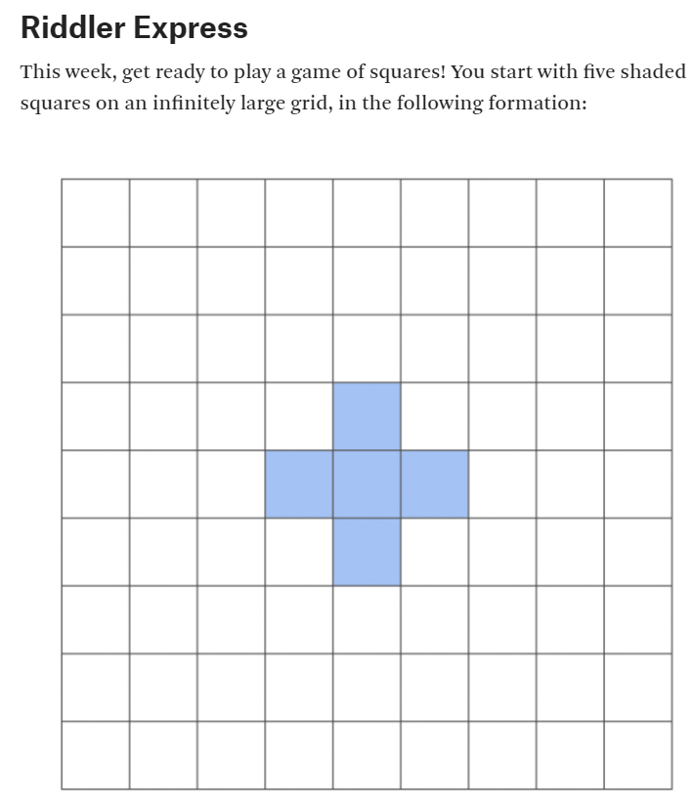
LINK
 |  |  |  |  |  |  |  | X | X | X |  |  |  |  |  |  |  |  | Current Count | Turn | Count | Diff | Approx | Select N | Value
 |  |  |  |  |  | X | X | X | X | X | X | X |  |  |  |  |  |  | 89 | 1 | 5 |  | 4.7 | 10 | 89
 |  |  |  |  | X | X | X | X | X | X | X | X | X |  |  |  |  |  |  | 2 | 9 | 4 | 8.7
Number of Squares
 |  |  |  |  | X | X | X | X | X | X | X | X | X |  |  |  |  |  |  | 3 | 13 | 4 | 14.0
 |  |  |  | X | X | X | X | X | X | X | X | X | X | X |  |  |  |  |  | 4 | 21 | 8 | 20.7
 |  |  |  | X | X | X | X | X | X | X | X | X | X | X |  |  |  |  |  | 5 | 29 | 8 | 28.7
 |  |  |  | X | X | X | X | X | X | X | X | X | X | X |  |  |  |  |  | 6 | 37 | 8 | 38.0
 |  |  |  |  | X | X | X | X | X | X | X | X | X |  |  |  |  |  |  | 7 | 49 | 12 | 48.7
 |  |  |  |  | X | X | X | X | X | X | X | X | X |  |  |  |  |  |  | 8 | 61 | 12 | 60.7
 |  |  |  |  |  | X | X | X | X | X | X | X |  |  |  |  |  |  |  | 9 | 73 | 12 | 74.0
 |  |  |  |  |  |  |  | X | X | X |  |  |  |  |  |  |  |  |  | 10 | 89 | 16 | 88.7
 |  |  |  |  |  |  |  |  |  |  |  |  |  |  |  |  |  |  |  | 11 | 105 | 16 | 104.7
 |  |  |  |  |  |  |  |  |  |  |  |  |  |  |  |  |  |  |  | 12 | 121 | 16 | 122.0
 |  |  |  |  |  |  |  |  |  |  |  |  |  |  |  |  |  |  |  | 13 | 141 | 20 | 140.7
 |  |  |  |  |  |  |  |  |  |  |  |  |  |  |  |  |  |  |  | 14 | 161 | 20 | 160.7
 |  |  |  |  |  |  |  |  |  |  |  |  |  |  |  |  |  |  |  | 15 | 181 | 20 | 182.0
 |  |  |  |  |  |  |  |  |  |  |  |  |  |  |  |  |  |  |  | 16 | 205 | 24 | 204.7
 |  |  |  |  |  |  |  |  |  |  |  |  |  |  |  |  |  |  |  | 17 | 229 | 24 | 228.7
 |  |  |  |  |  |  |  |  |  |  |  |  |  |  |  |  |  |  |  | 18 | 253 | 24 | 254.0
 |  |  |  |  |  |  |  |  |  |  |  |  |  |  |  |  |  |  |  | 19 | 281 | 28 | 280.7
 |  |  |  |  |  |  |  |  |  |  |  |  |  |  |  |  |  |  |  | 20 | 309 | 28 | 308.7
 |  |  |  |  |  |  |  |  |  |  |  |  |  |  |  |  |  |  |  | 21 | 337 | 28 | 338.0
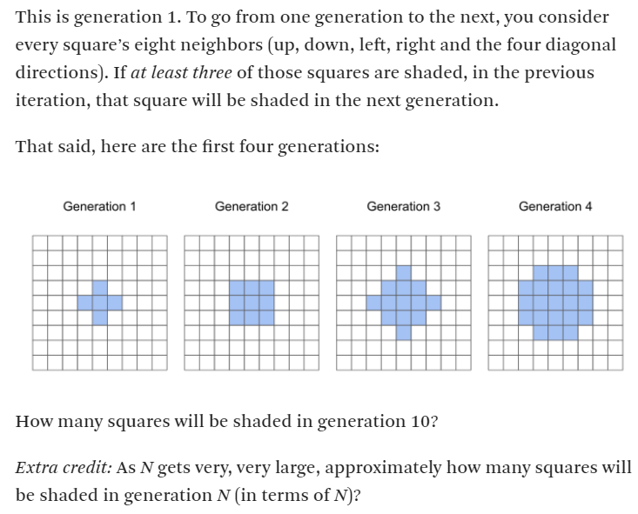
 |  |  |  |  |  |  |  |  |  |  |  |  |  |  |  |  |  |  |  | 22 | 369 | 32 | 368.7
 |  |  |  |  |  |  |  |  |  |  |  |  | X |  |  |  |  |  |  | 23 | 401 | 32 | 400.7
 |  |  | X |  |  | X | X | X |  |  |  | X | X | X |  |  |  |  |  | 24 | 433 | 32 | 434.0
 |  | X | X | X |  | X | X | X |  |  | X | X | X | X | X |  |  |  |  | 25 | 469 | 36 | 468.7
 |  |  | X |  |  | X | X | X |  |  |  | X | X | X |  |  |  |  |  | 26 | 505 | 36 | 504.7
 |  |  |  |  |  |  |  |  |  |  |  |  | X |  |  |  |  |  |  | 27 | 541 | 36 | 542.0
 |  |  |  |  |  |  |  |  |  |  |  |  |  |  |  |  |  |  |  | 28 | 581 | 40 | 580.7
 |  |  | X | X | X |  |  |  |  |  | X |  |  |  |  |  |  |  |  | 29 | 621 | 40 | 620.7
 |  | X | X | X | X | X |  |  | X | X | X | X | X |  |  |  |  |  |  | 30 | 661 | 40 | 662.0
 |  | X | X | X | X | X |  |  | X | X | X | X | X |  |  |  |  |  |  | 31 | 705 | 44 | 704.7
 |  | X | X | X | X | X |  | X | X | X | X | X | X | X |  |  |  |  |  | 32 | 749 | 44 | 748.7
 |  |  | X | X | X |  |  |  | X | X | X | X | X |  |  |  |  |  |  | 33 | 793 | 44 | 794.0
 |  |  |  |  |  |  |  |  | X | X | X | X | X |  |  |  |  |  |  | 34 | 841 | 48 | 840.7
 |  |  |  |  |  |  |  |  |  |  | X |  |  |  |  |  |  |  |  | 35 | 889 | 48 | 888.7
 |  |  |  |  |  |  |  |  |  |  |  |  |  |  |  |  |  |  |  | 36 | 937 | 48 | 938.0
 |  |  |  |  |  |  |  |  |  |  |  |  |  | X |  |  |  |  |  | 37 | 989 | 52 | 988.7
 |  |  |  | X | X | X |  |  |  |  |  | X | X | X | X | X |  |  |  | 38 | 1041 | 52 | 1040.7
 |  |  | X | X | X | X | X |  |  |  | X | X | X | X | X | X | X |  |  | 39 | 1093 | 52 | 1094.0
 |  | X | X | X | X | X | X | X |  |  | X | X | X | X | X | X | X |  |  | 40 | 1149 | 56 | 1148.7
 |  | X | X | X | X | X | X | X |  | X | X | X | X | X | X | X | X | X |  | 41 | 1205 | 56 | 1204.7
 |  | X | X | X | X | X | X | X |  |  | X | X | X | X | X | X | X |  |  | 42 | 1261 | 56 | 1262.0
 |  |  | X | X | X | X | X |  |  |  | X | X | X | X | X | X | X |  |  | 43 | 1321 | 60 | 1320.7
 |  |  |  | X | X | X |  |  |  |  |  | X | X | X | X | X |  |  |  | 44 | 1381 | 60 | 1380.7
 |  |  |  |  |  |  |  |  |  |  |  |  |  | X |  |  |  |  |  | 45 | 1441 | 60 | 1442.0
 |  |  |  |  |  |  |  |  |  |  |  |  |  |  |  |  |  |  |  | 46 | 1505 | 64 | 1504.7
 |  |  |  | X | X | X |  |  |  |  |  |  |  |  |  |  |  |  |  | 47 | 1569 | 64 | 1568.7
 |  | X | X | X | X | X | X | X |  |  |  |  |  |  |  |  |  |  |  | 48 | 1633 | 64 | 1634.0
 |  | X | X | X | X | X | X | X |  |  |  |  |  |  |  |  |  |  |  | 49 | 1701 | 68 | 1700.7
 | X | X | X | X | X | X | X | X | X |  |  |  |  |  |  |  |  |  |  | 50 | 1769 | 68 | 1768.7
 | X | X | X | X | X | X | X | X | X |  |  |  |  |  |  |  |  |  |  | 51 | 1837 | 68 | 1838.0
 | X | X | X | X | X | X | X | X | X |  |  |  |  |  |  |  |  |  |  | 52 | 1909 | 72 | 1908.7
 |  | X | X | X | X | X | X | X |  |  |  |  |  |  |  |  |  |  |  | 53 | 1981 | 72 | 1980.7
 |  | X | X | X | X | X | X | X |  |  |  |  |  |  |  |  |  |  |  | 54 | 2053 | 72 | 2054.0
 |  |  |  | X | X | X |  |  |  |  |  |  |  |  |  |  |  |  |  | 55 | 2129 | 76 | 2128.7
 |  |  |  |  |  |  |  |  |  |  |  |  |  |  |  |  |  |  |  | 56 | 2205 | 76 | 2204.7
 |  |  |  |  |  |  |  |  |  |  |  |  |  |  |  |  |  |  |  | 57 | 2281 | 76 | 2282.0
 |  |  |  |  |  |  |  |  |  |  |  |  |  |  |  |  |  |  |  | 58 | 2361 | 80 | 2360.7
 |  |  |  |  |  |  |  |  |  |  |  |  |  |  |  |  |  |  |  | 59 | 2441 | 80 | 2440.7
 |  |  |  |  |  |  |  |  |  |  |  |  |  |  |  |  |  |  |  | 60 | 2521 | 80 | 2522.0
 |  |  |  |  |  |  |  |  |  |  |  |  |  |  |  |  |  |  |  | 61 | 2605 | 84 | 2604.7
 |  |  |  |  |  |  |  |  |  |  |  |  |  |  |  |  |  |  |  | 62 | 2689 | 84 | 2688.7
 |  |  |  |  |  |  |  |  |  |  |  |  |  |  |  |  |  |  |  | 63 | 2773 | 84 | 2774.0
 |  |  |  |  |  |  |  |  |  |  |  |  |  |  |  |  |  |  |  | 64 | 2861 | 88 | 2860.7
 |  |  |  |  |  |  |  |  |  |  |  |  |  |  |  |  |  |  |  | 65 | 2949 | 88 | 2948.7
 |  |  |  |  |  |  |  |  |  |  |  |  |  |  |  |  |  |  |  | 66 | 3037 | 88 | 3038.0
 |  |  |  |  |  |  |  |  |  |  |  |  |  |  |  |  |  |  |  | 67 | 3129 | 92 | 3128.7
 |  |  |  |  |  |  |  |  |  |  |  |  |  |  |  |  |  |  |  | 68 | 3221 | 92 | 3220.7
 |  |  |  |  |  |  |  |  |  |  |  |  |  |  |  |  |  |  |  | 69 | 3313 | 92 | 3314.0
 |  |  |  |  |  |  |  |  |  |  |  |  |  |  |  |  |  |  |  | 70 | 3409 | 96 | 3408.7
 |  |  |  |  |  |  |  |  |  |  |  |  |  |  |  |  |  |  |  | 71 | 3505 | 96 | 3504.7
 |  |  |  |  |  |  |  |  |  |  |  |  |  |  |  |  |  |  |  | 72 | 3601 | 96 | 3602.0
 |  |  |  |  |  |  |  |  |  |  |  |  |  |  |  |  |  |  |  | 73 | 3701 | 100 | 3700.7
 |  |  |  |  |  |  |  |  |  |  |  |  |  |  |  |  |  |  |  | 74 | 3801 | 100 | 3800.7
 |  |  |  |  |  |  |  |  |  |  |  |  |  |  |  |  |  |  |  | 75 | 3901 | 100 | 3902.0
 |  |  |  |  |  |  |  |  |  |  |  |  |  |  |  |  |  |  |  | 76 | 4005 | 104 | 4004.7
 |  |  |  |  |  |  |  |  |  |  |  |  |  |  |  |  |  |  |  | 77 | 4109 | 104 | 4108.7
 |  |  |  |  |  |  |  |  |  |  |  |  |  |  |  |  |  |  |  | 78 | 4213 | 104 | 4214.0
 |  |  |  |  |  |  |  |  |  |  |  |  |  |  |  |  |  |  |  | 79 | 4321 | 108 | 4320.7
 |  |  |  |  |  |  |  |  |  |  |  |  |  |  |  |  |  |  |  | 80 | 4429 | 108 | 4428.7
 |  |  |  |  |  |  |  |  |  |  |  |  |  |  |  |  |  |  |  | 81 | 4537 | 108 | 4538.0
 |  |  |  |  |  |  |  |  |  |  |  |  |  |  |  |  |  |  |  | 82 | 4649 | 112 | 4648.7
 |  |  |  |  |  |  |  |  |  |  |  |  |  |  |  |  |  |  |  | 83 | 4761 | 112 | 4760.7
 |  |  |  |  |  |  |  |  |  |  |  |  |  |  |  |  |  |  |  | 84 | 4873 | 112 | 4874.0
 |  |  |  |  |  |  |  |  |  |  |  |  |  |  |  |  |  |  |  | 85 | 4989 | 116 | 4988.7
 |  |  |  |  |  |  |  |  |  |  |  |  |  |  |  |  |  |  |  | 86 | 5105 | 116 | 5104.7
 |  |  |  |  |  |  |  |  |  |  |  |  |  |  |  |  |  |  |  | 87 | 5221 | 116 | 5222.0
 |  |  |  |  |  |  |  |  |  |  |  |  |  |  |  |  |  |  |  | 88 | 5341 | 120 | 5340.7
 |  |  |  |  |  |  |  |  |  |  |  |  |  |  |  |  |  |  |  | 89 | 5461 | 120 | 5460.7
 |  |  |  |  |  |  |  |  |  |  |  |  |  |  |  |  |  |  |  | 90 | 5581 | 120 | 5582.0
 |  |  |  |  |  |  |  |  |  |  |  |  |  |  |  |  |  |  |  | 91 | 5705 | 124 | 5704.7
 |  |  |  |  |  |  |  |  |  |  |  |  |  |  |  |  |  |  |  | 92 | 5829 | 124 | 5828.7
 |  |  |  |  |  |  |  |  |  |  |  |  |  |  |  |  |  |  |  | 93 | 5953 | 124 | 5954.0
 |  |  |  |  |  |  |  |  |  |  |  |  |  |  |  |  |  |  |  | 94 | 6081 | 128 | 6080.7
 |  |  |  |  |  |  |  |  |  |  |  |  |  |  |  |  |  |  |  | 95 | 6209 | 128 | 6208.7
 |  |  |  |  |  |  |  |  |  |  |  |  |  |  |  |  |  |  |  | 96 | 6337 | 128 | 6338.0
 |  |  |  |  |  |  |  |  |  |  |  |  |  |  |  |  |  |  |  | 97 | 6469 | 132 | 6468.7
 |  |  |  |  |  |  |  |  |  |  |  |  |  |  |  |  |  |  |  | 98 | 6601 | 132 | 6600.7
 |  |  |  |  |  |  |  |  |  |  |  |  |  |  |  |  |  |  |  | 99 | 6733 | 132 | 6734.0
 |  |  |  |  |  |  |  |  |  |  |  |  |  |  |  |  |  |  |  | 100 | 6869 | 136 | 6868.7

