Registrations
Registration ID | Event | Team Name | Team Leader | Email | Mobile | Gender | College | Course | Year | Roll No | Aadhar | Team Size | Aadhar Image | College ID Image
 |  |  |  |  |  |  |  |  |  |  |  |  |  | 
2ab793ce-b697-4cb1-a54e-61cb9cf75a34 | robo-race | TECH FUSION | AMAN GUPTA | ag0567688@gmail.com | 9560472926 | male | HI-Tech Institute of Engineering and Technology | btech | two | 2302200100012 | 614643536243 | 2
49447d9d-ecd4-49c6-826d-8f61dd9817e9 | robo-race | ANSHU | ANSHU | anshu@gmail.com | 9140555712 | female | HI-Tech Institute of Engineering and Technology | btech | two | 230220100011 | 489972280883 | 2
4016e28e-c70a-46ff-b9e2-cdf850174c6c | project-exhibition | ANANYTARI | ANKUSH YADAV | guptaaman8574@gmail.com | 9953326681 | female | HLM | inter | three | 230220100011 | 123456789102 | 2
 |  |  |  |  |  |  |  |  |  |  |  |  | 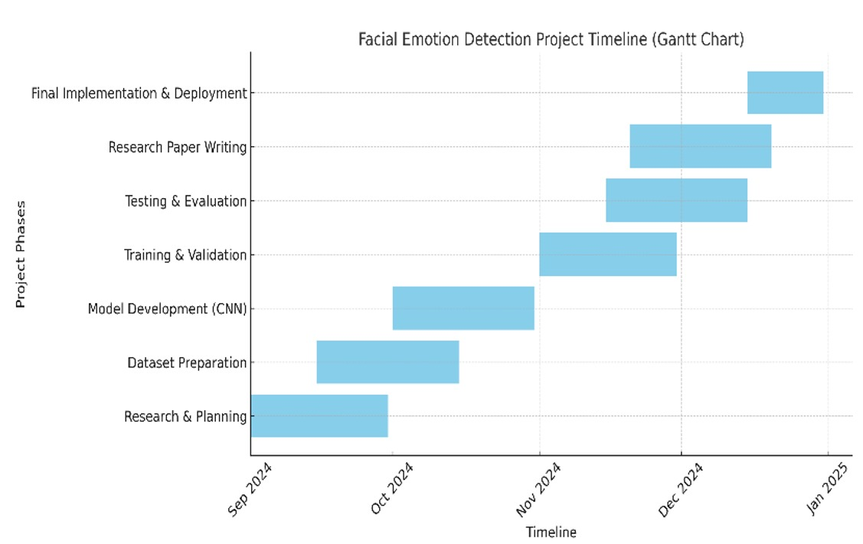 | 