Group names
Second Weekend Project
Group7
Amani Almarzoog - Fatimah Al-Rashed - Mashael Aljohani

created database for bank using MySQL
Creatde 4 tables: customer, branch, employee, and account
insert all the data.
We did some queries for tables on the database
Used Excel for visuilization

Database Managment for Bank

Branch
branch_name | branch_city | assets
abc | dammam | 9000000
bcd | jedah | 7100000
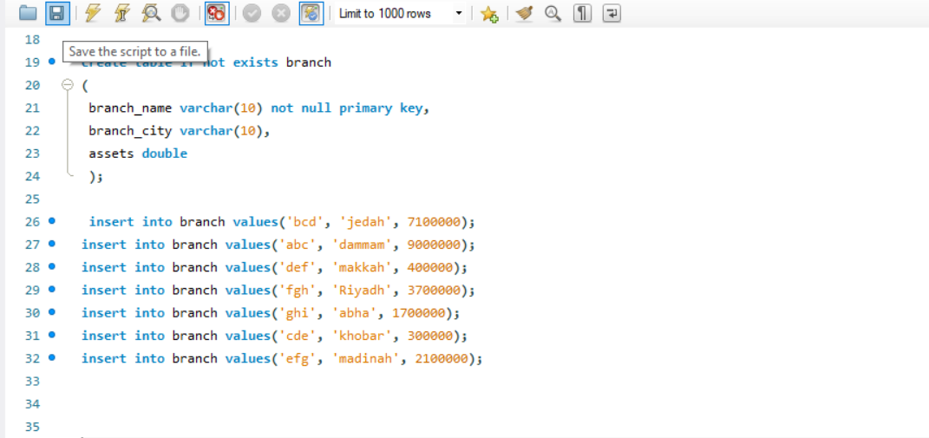
cde | khobar | 300000
def | makkah | 400000
efg | madinah | 2100000
fgh | Riyadh | 3700000
ghi | abha | 1700000

customer
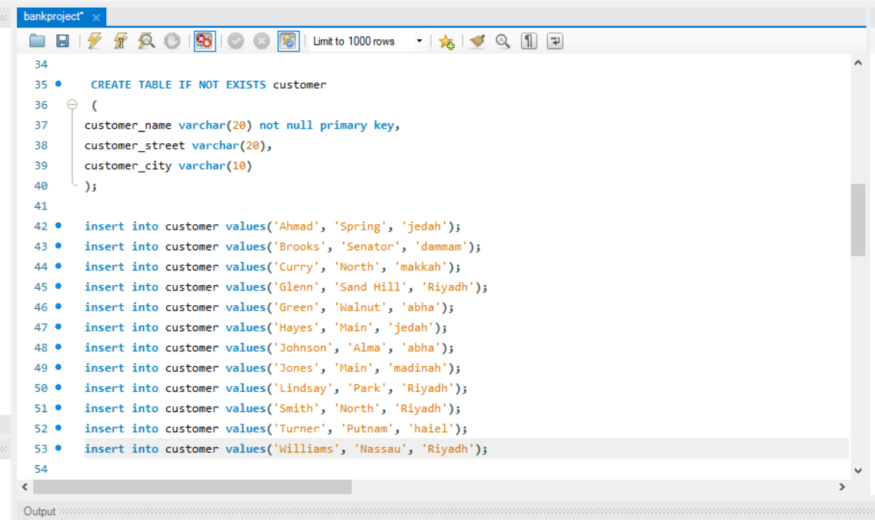
customer_name | customer_street | customer_city
Ahmad | Spring | jedah
Brooks | Senator | dammam
Curry | North | makkah
Glenn | Sand Hill | Riyadh
Green | Walnut | abha
Hayes | Main | jedah
Johnson | Alma | abha
Jones | Main | madinah
Lindsay | Park | Riyadh
Smith | North | Riyadh
Turner | Putnam | haiel
Williams | Nassau | Riyadh

employee
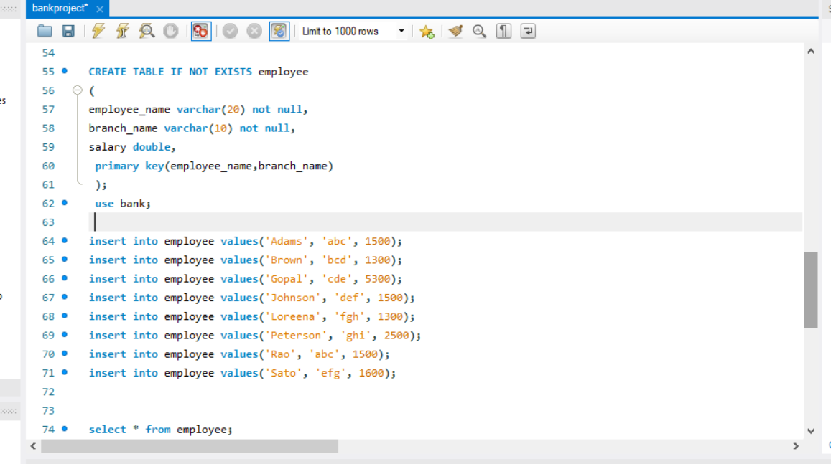
employee_name | branch_name | salary
Adams | abc | 1500
Brown | bcd | 1300
Gopal | cde | 5300
Johnson | def | 1500
Loreena | fgh | 1300
Peterson | ghi | 2500
Rao | abc | 1500
Sato | efg | 1600

account
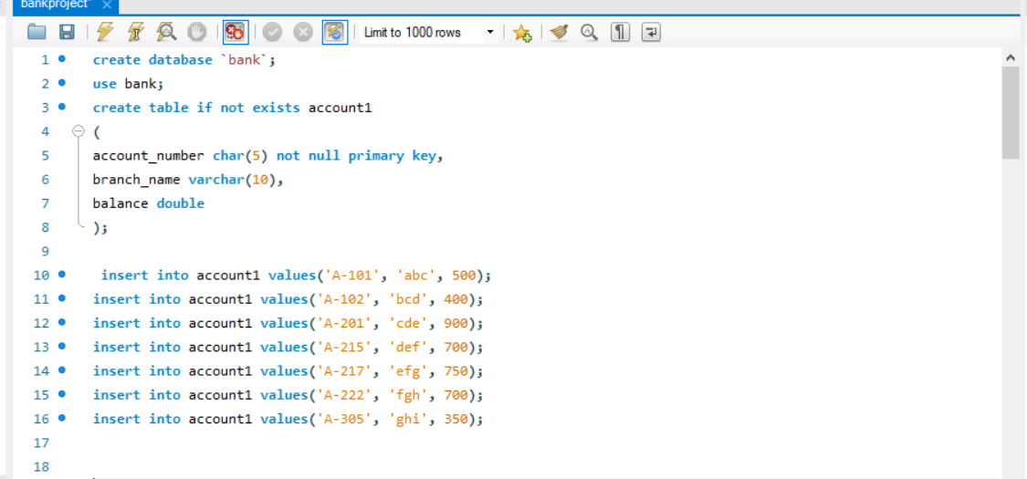
account_number | branch_name | balance
A-101 | abc | 500
A-102 | bcd | 400
A-201 | cde | 900
A-215 | def | 700
A-217 | efg | 750
A-222 | fgh | 700
A-305 | ghi | 350

Query & visuialization
join between customer table & branch table

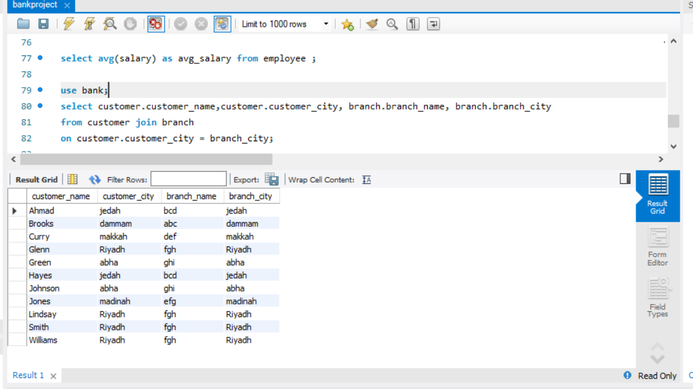

 | customer_name | customer_city | branch_name | branch_city
 | Ahmad | jedah | bcd | jedah
 | Brooks | dammam | abc | dammam
 | Curry | makkah | def | makkah
 | Glenn | Riyadh | fgh | Riyadh
 | Green | abha | ghi | abha
 | Hayes | jedah | bcd | jedah
 | Johnson | abha | ghi | abha
 | Jones | madinah | efg | madinah
 | Lindsay | Riyadh | fgh | Riyadh
 | Smith | Riyadh | fgh | Riyadh
 | Williams | Riyadh | fgh | Riyadh

Count of customer_name by branch_city
 | Total
abha | 2
dammam | 1
jedah | 2
madinah | 1
makkah | 1
Riyadh | 4

 |  | branch_city | Count of customer_name
 |  | abha | 2
 |  | dammam | 1
 |  | jedah | 2
 |  | madinah | 1
 |  | makkah | 1
 |  | Riyadh | 4

join between emplyee table & branch table with condition

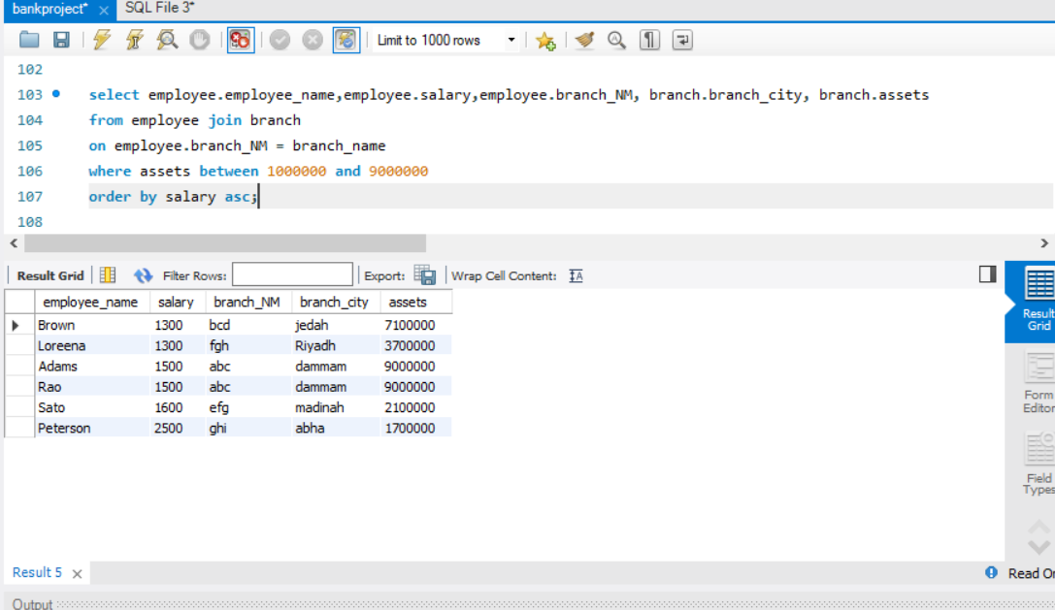

 | employee_name | salary | branch_NM | branch_city | assets
 | Brown | 1300 | bcd | jedah | 7100000
 | Loreena | 1300 | fgh | Riyadh | 3700000
2023 | Adams | 1500 | abc | dammam | 9000000
2024 | Rao | 1500 | abc | dammam | 9000000
2025 | Sato | 1600 | efg | madinah | 2100000
2026 | Peterson | 2500 | ghi | abha | 1700000
2027
2028
2029
2030

Sum of assets by branch_city
 | Total
abha | 1700000
dammam | 18000000
jedah | 7100000
madinah | 2100000
Riyadh | 3700000

 |  | branch_city | Sum of assets
 |  | abha | 1700000
 |  | dammam | 18000000
 |  | jedah | 7100000
 |  | madinah | 2100000
 |  | Riyadh | 3700000

