Sheet1
DataPreprocessing task:
Checking the information about the dataset
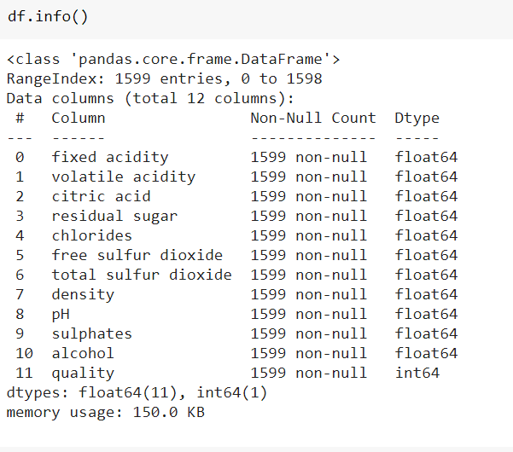

description of the dataset

Check if there is any null value

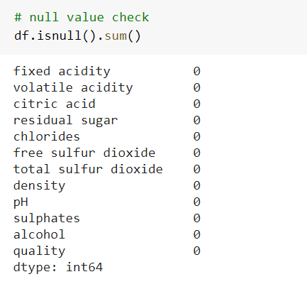

Relation between the quality and citric acid:
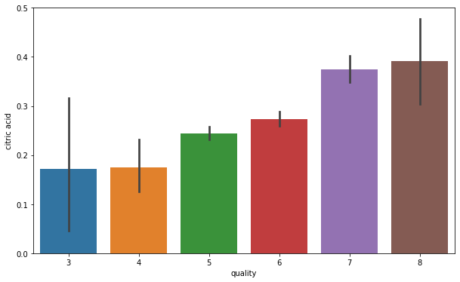

Relation between sulphates and quality of the wine
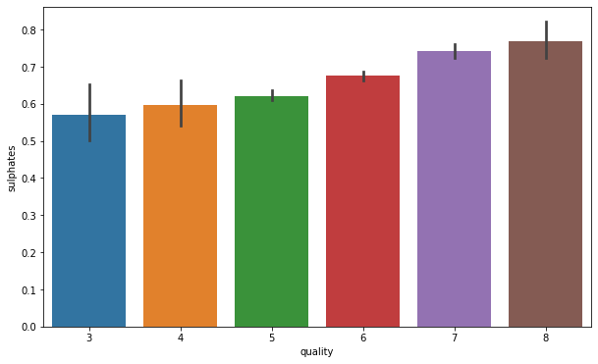

Checking the number of instances belonging to each class
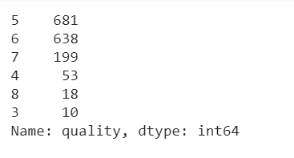

Figure shows the data of the classes and class imbalance

After Applying Encoding technique

Data description after encoding

Correlation between the variables
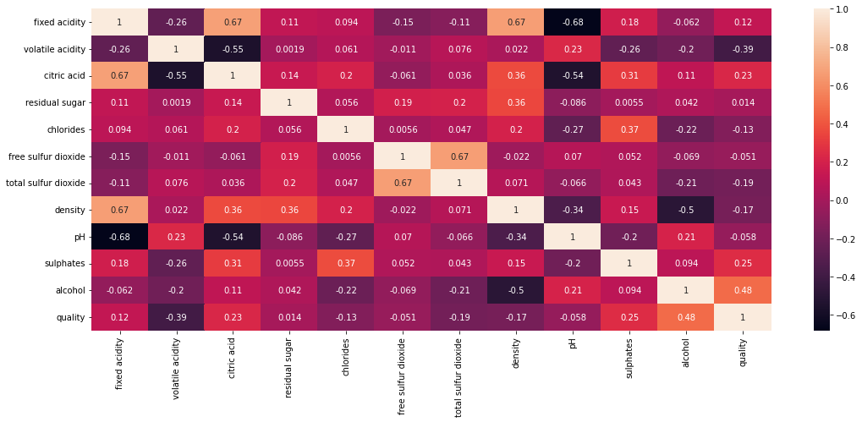

Algorithms

Logistic Regression without hyperparameter tunning

Score for the train and test set

MSE vs Epoch graph for Logistic Regression
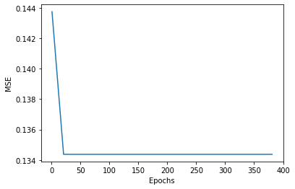

Logloss vs Epoch graph for logistic regression
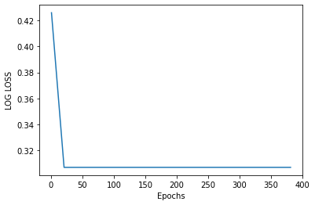

Suggestion of the best hyperparameters from the given hyperparameters

Training and validation set accuracy after hyperparameter tunning

test accuracy after Hyperparameter tunnning
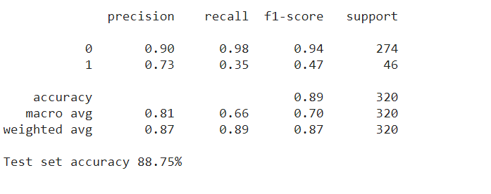

SGD Classifier without Hyperparameter tunning

Selection of the best hyperparameters from the given hyperparameters

score for training set and validation set

Test set score

Kfold Crossvalidation
here k=5 was used
Training and test score for each fold

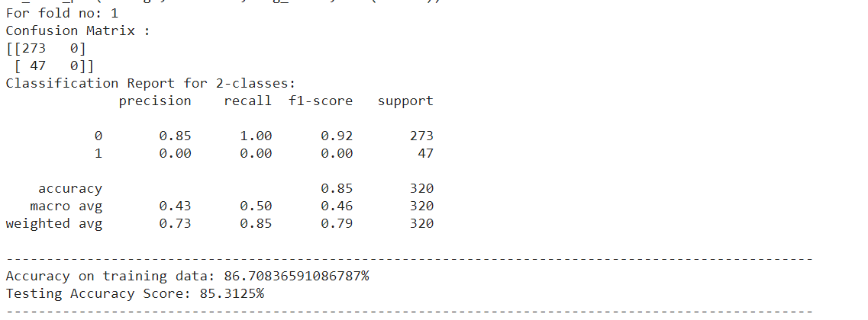

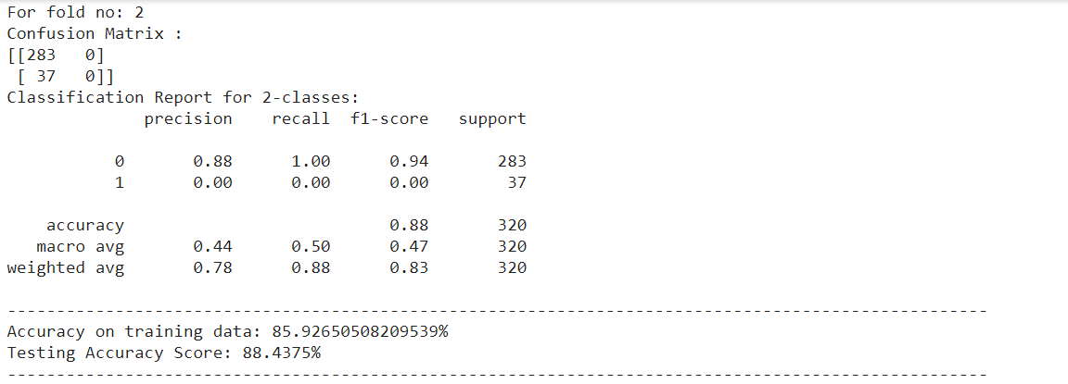

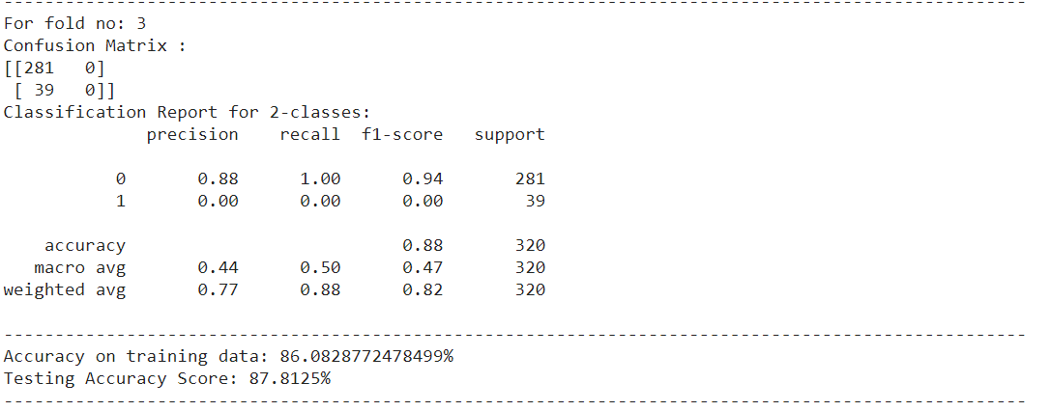

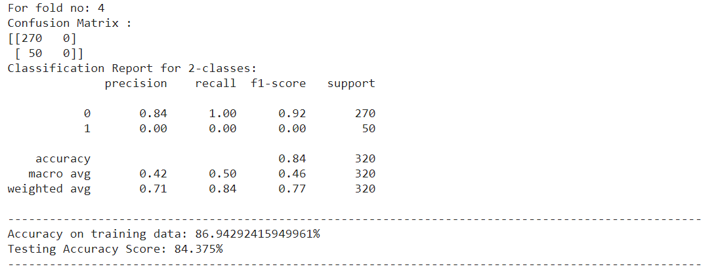

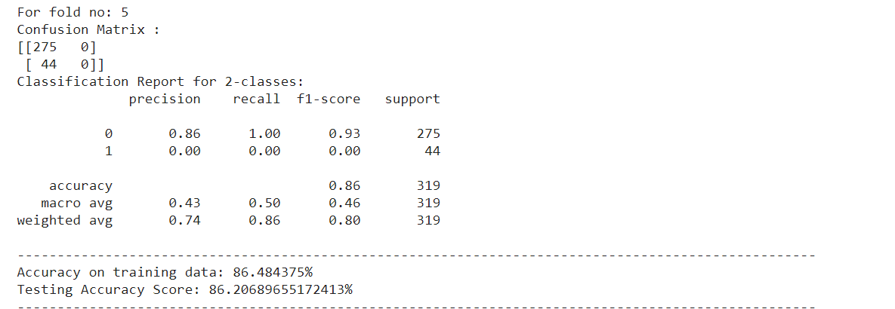

Overall accuracy of the Kfold

Perceptron Model

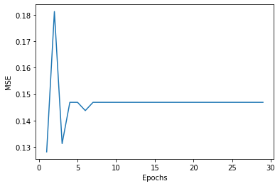
 | MSE vs Epochs graph for perceptron model

 |  | Logloss vs epoch graph for Perceptron model
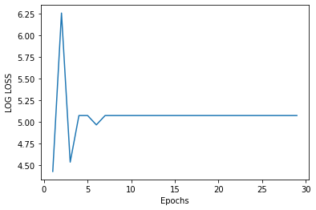

 | Test accuracy of the perceptron model

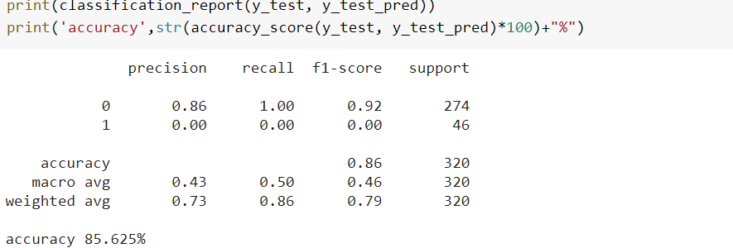

Test set accuracy for the Perceptron model

Single Layer Perceptron

Test and train set accuracy for SLP
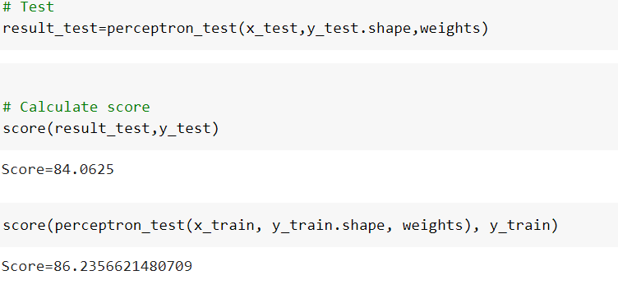

Confusion matrix for SLP
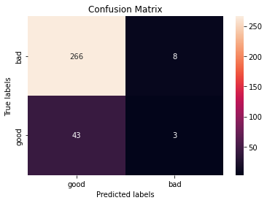

Multi Layer Perceptron Model
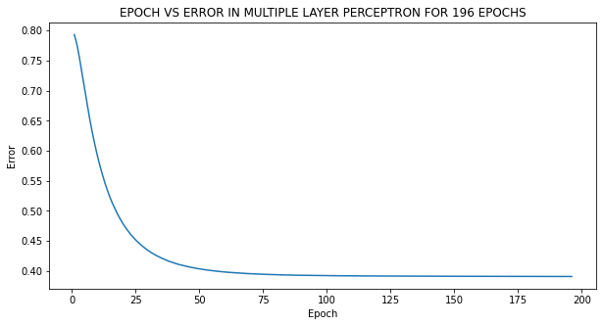

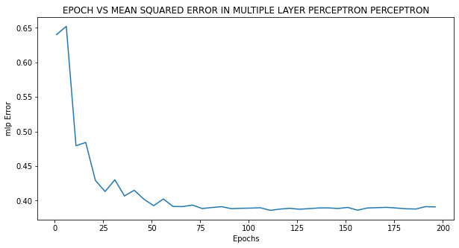

Test set accuracy for Multi Layer perceptron model

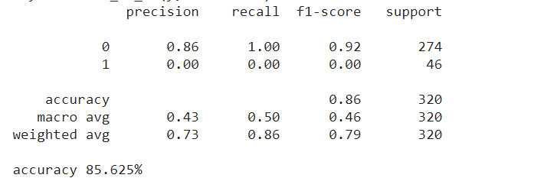

Train set accuracy for MLP

