Home Screen
FINTASTIC HUB |  |  |  | We lift your finances
YOUR FINANCIAL WEALTH-BEING |  |  |  | Your financial wealth-being
 |  |  |  | The law bidding magicians
Many financial demands, one place to fulfil them |  |  |  | We make every penny matter
 |  |  |  | Building financial gratitude
TOP SERVICES |  |  |  | The financial jackpot
**Create boxes like below screenshot |  |  |  | Your financial game changer
 |  |  |  | Your financial A-game
 |  |  |  | Grow from idea to IPO | to be used with virtual cfo and mark for startups

VIRTUAL CFO
For startups & small businesses
Dedicated financial team that handles all your recurring financial and statutory compliances. This includes book-keeping, creating and managing business processes, Direct & Indirect tax return filings, ROC filings, preparation of financial statements, audit assistance, business analytics, Strategic reporting & more

BOOK-KEEPING
For startups, small businesses, professionals, traders
Preparation and maintenance of books of accounts, business reports, preparation of financial statements, business statistics & more

BUSINESS REGISTARTION, LICENSES & CERTIFICATES
For starting business, existing businesses
Formation & Registration of Company, LLP or other forms of business, Trademark, food license, GST, EPF, Import Export Code, 80G registration & more

DIRECT & INDIRECT TAXATION
For individuals, professionals, traders, businesses
Income Tax Return, monthly and Annual GST Return, Quarterly TDS Return, monthly EPF/ESI Return & more

STATUTORY COMPLIANCES
Businesses registered under Companies Act, 2013
ROC Filings, Statutory Report Preparation & Filing & more

BUY, EARN & INVEST

You are just a few clicks away
Select service you want to avail
Pay through secured payment channels
Post booking of your service, Our Financial Expert will contact you
Track service status on real time basis
Access your documents through secured cloudspace from anywhere at anytime

 | Buy Service Button

Earn on purchases made by you and your referrals
Join our affiliate program. Refer once, earn lifetime
Earn cashback on every service you avail

 | Buy Service Button |  | Become an Affiliate button

Are you a risk-averse? We provide the best assured returns.

We offer lucrative return rates on your deposits

 |  | Start Now Button

Trusted by several individuals & growing startups

>Aticx
>Vnya
>Valley
>The wired society
>Stree
>Bigway Cafe
>Individual 1
>Individual 2

Why budding startups choose Fintastic Hub

> All financial solutions under one roof
We provide solutions for each and every financial need of your business.
From building business processes and strategies to analysing business growth, we are there to make it happen for you
We work with you at every step to strengthen your financial health

> Expertise and Committed Support
Our experienced professionals align their commitment to your business objectives.
Get support from financial experts equipped with best understanding and knowledge of your industry

> Cloud Based and AI powered platform
Our platform uses the best technology and tools to ensure ease of doing business.
You don't have to worry about piling up loads of paperwork. We offer cloud storage space dedicated to each business ensuring data confidentiality and integrity
All your finances are taken care of while you are away managing all your other business needs

> Dedicated Community Access
Not just finances, we build business network. Get an opportunity to meet budding entrepreneurs, startups, growing businesses
to gain business synergy and access varied resources. We align our work goals with your business goals to produce the best results

> Creating financial gratitude
We make every penny count. We want your business not just to grow, we want it to grow better and for that we offer varied opportunities to improve your earnings and build investments that gives the best returns.

BEST QUALITY DELIVERED USING THE BEST TOOLS

>Quickbooks
>Tally ERP
>Vyaapar
>Zoom
>Razorpay

Business Statistics (dynamic)
+70 startups served
+10,000 ITRs filed
+50 lakhs savings for businesses & individuals
+1 lakh manhour saved

Get in touch with us

1. Email box
2. Book an Appointment with an Expert

FAQs

1. Who can join the Affiliate Program? What are its benefits?
Anyone can join our affiliate program. You one time referral generates lifetime of earnings.
Register for our affiliate program (button here) and start earning

2. What are the benefits of comunity access?
Fintatstic Hub club has built a network of existing, new businesses, professionals, individuals to help our clients
leverage varied resources, share and learn from experiences and build relations.

3. How much time will it take to get the service completed?
Once you book a service our dedicated expert will contact you and explain you all the requirements and process.
You can also track the status of service on real time basis from your FH dashboard. We ensure every service is completed in least possible time

Wallet
Fintastic Wallet

> Your own Proprietory Fintastic Wallet to Buy, Donate, Redeem or Invest
> Get flat 10% cashback for every purchase you made with FH
> Being our loyal customer you deserve a COOKIE
> Earn money for every purchase you made on FH

(Layout for Wallet)
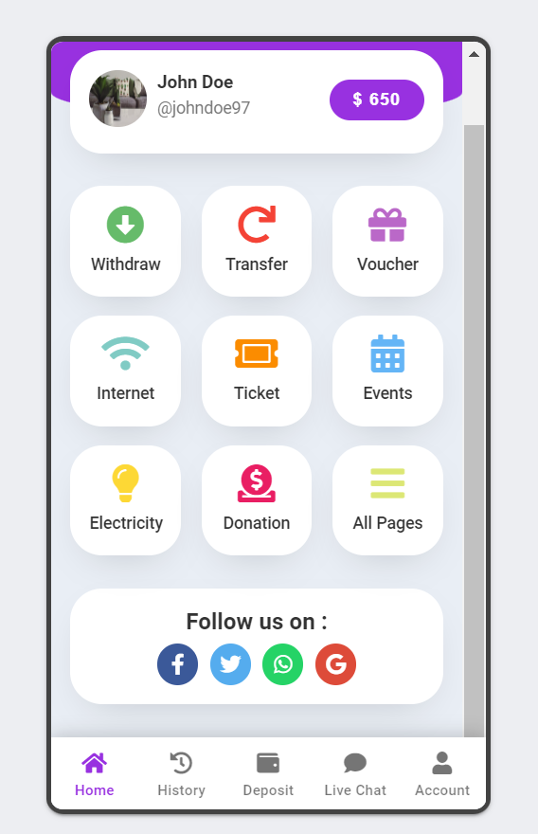
 | (These options should be present on the right side of wallet layout explaining the use of cashback)

 | BUY
 | Purchase any voucher of your choice listed here and avail special discounts on amazing products offered by our clients

 | INVEST
 | Invest your wallet money and get assured 10% annual return. You can withdraw the money in your account after a lock in period of 2 years

 | DONATE
 | Donate to serve backward classes of society by empowering them with means of education and livelihood.

 | REDEEM
 | Use your cashback to purchase any service listed on our platform

Options in below tab
My Account
> Personal details, Bank details, Login and Logout

History
> History of cash back received and utilized

Deposit
> Client can mannually add funds also in the wallet so as to donate or invest or buy our services

Withdraw
> The invested can be withdrawn only after 2 year so a code to inserted which shows the date on which funds will be available and then on that date the customer can withdraw the fund

