Sheet1
Issue | Location |  | Comments | Status

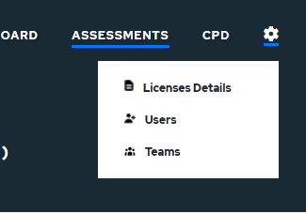
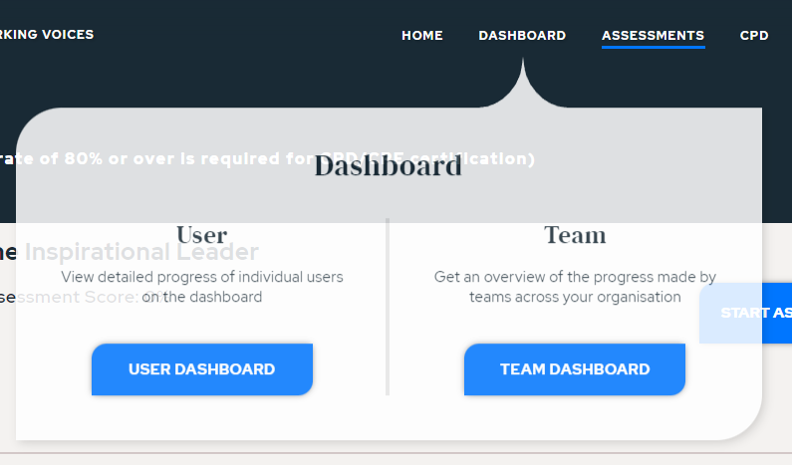
1 | Main Menu | Settings Menu not styled or working like dashboard menu, ie doesn’t stay active on hover so you cant click on items unless you click on it. |  | Incomplete

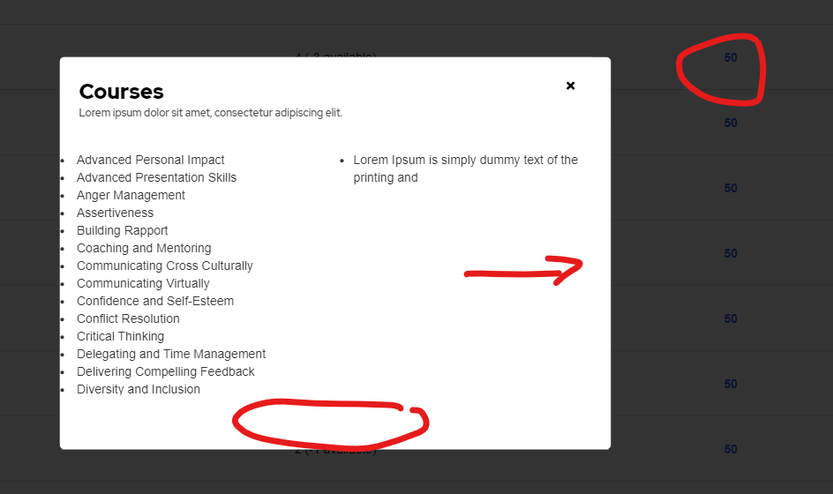
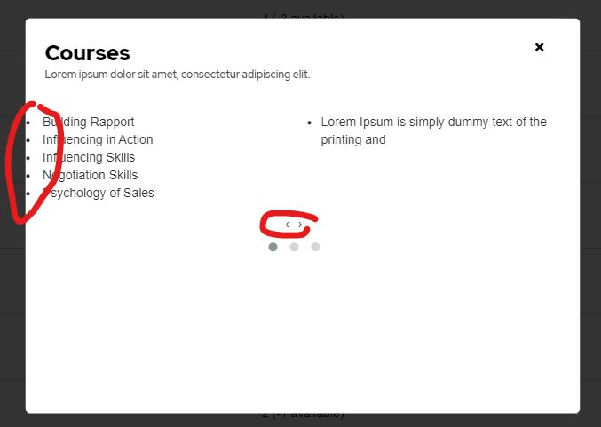
2 | Admin / License / Course View Link | No carousel even though scrollable, not using available rows |  | Incomplete
 |  | Needs left padding
 |  | Arrows can be removed as so small they arent useful
 |  | or make them accessible with the arrow keys
 |  | have to click and drag to change page

 |  | Goes way if implement point 7

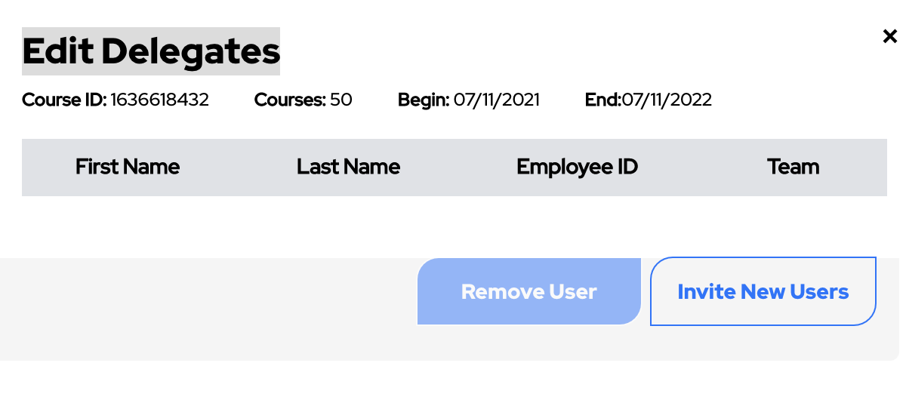
3 | start and expiry dates don’t match | every 2021-09-23 date dosent match with the beginning and end date when you click edit users |  | Incomplete
 |  | this problem happens to all dates
 |  | the edit users page dates don’t match with the dates being stuck to 07-11-21/22
 |  | as well as this the courses numbers don’t match either
 |  | course id are all the same
 |  | Refreshed page and started working again - so issue is intermittant. Happens regularly though

4 | formatting of dates don’t match | Formatting of dates in lists needs to be dd/mm/yyyy to match everywhere else |  | Incomplete

5 | start date and end date named differently | change begin and end to start date and end date to match one another |  | Incomplete

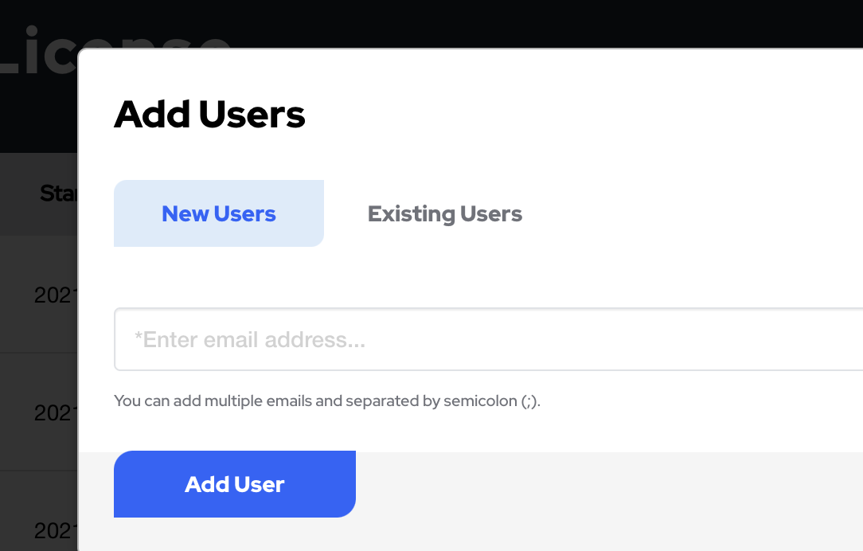
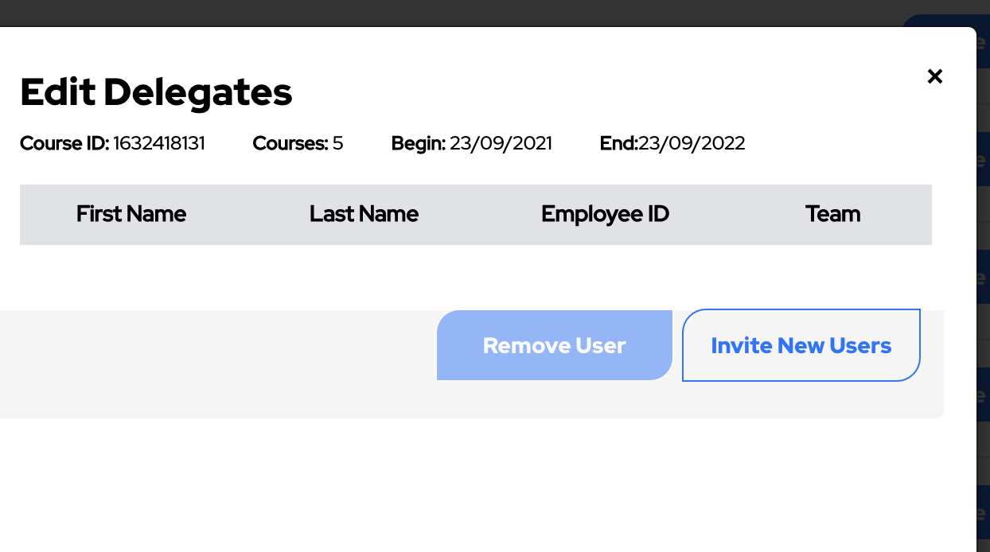
6 | invite new users button not working while on edit users page | no need for this button here as there is an already existing invite new users button |  | Incomplete
 |  | also change add user button to send invite as new user is the add user button

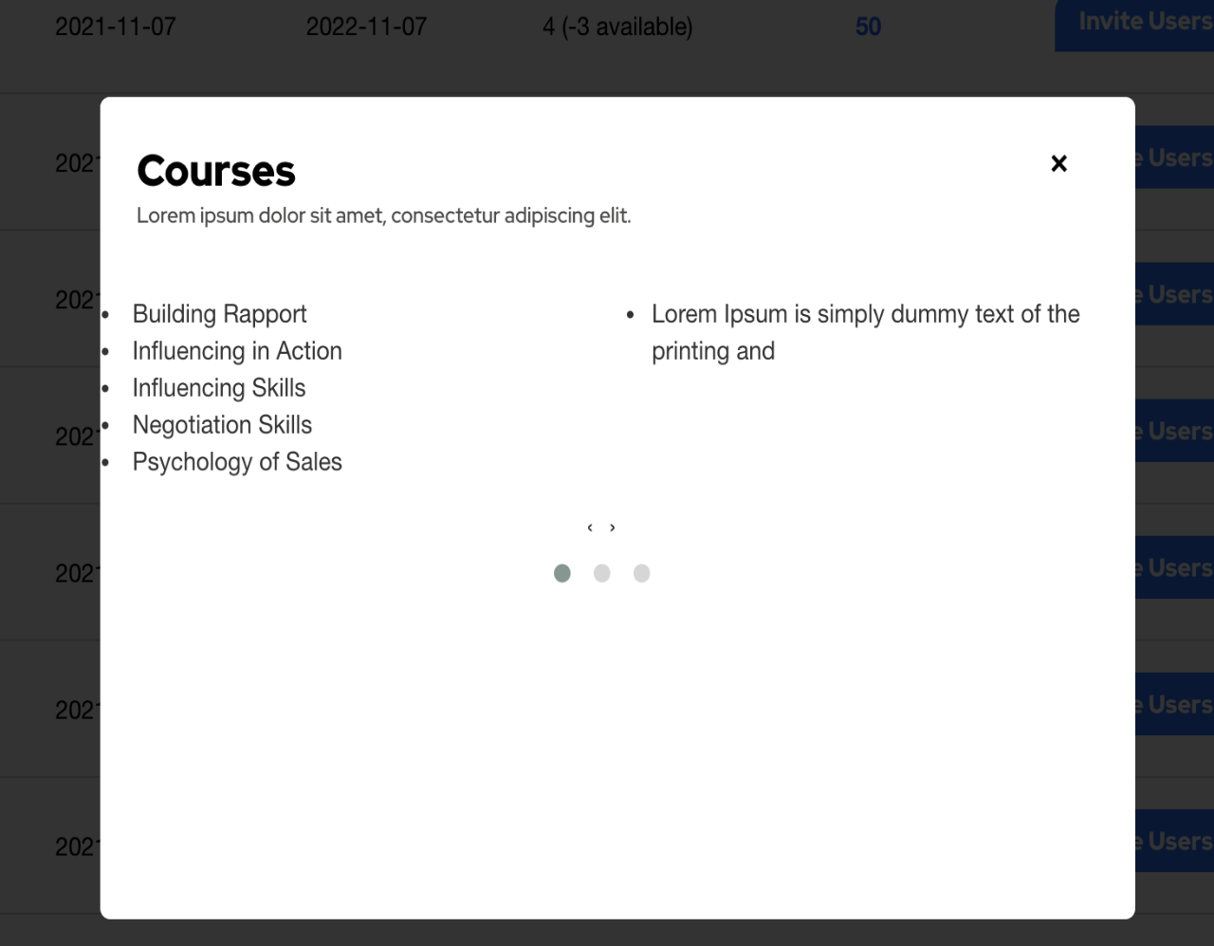
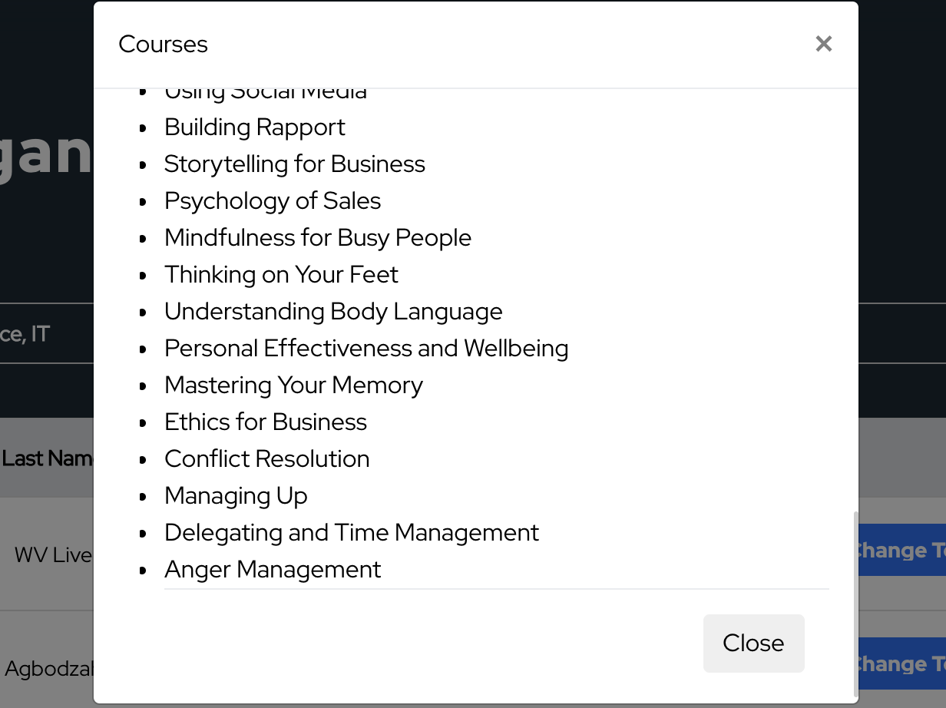
7 | courses page | on license details courses are displayed differently to that on the users page |  | Incomplete
 |  | the format of courses on the users page looks and works better than that on the license page
 |  | by switching to the format on the users page it removes the problems with the arrow keys and replaces them with the smiple scroll feature
 |  | all information can be displayed on one screen this way
 |  | this also makes it look neat

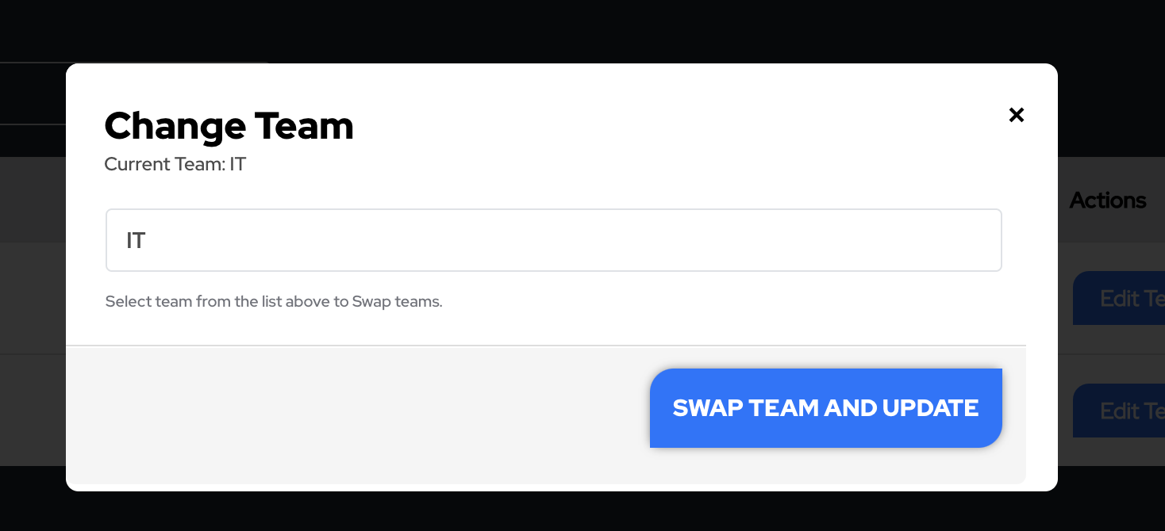
8 | teams page | team search bar not working |  | Incomplete
 |  | also no way to remove a team

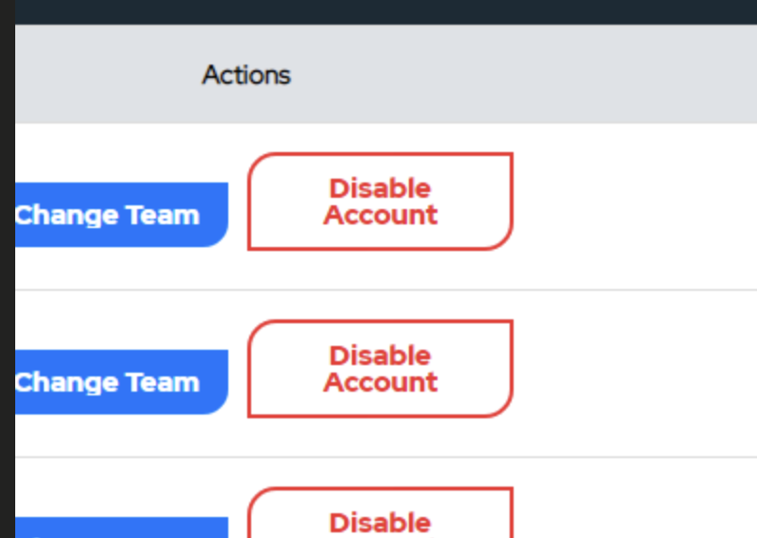

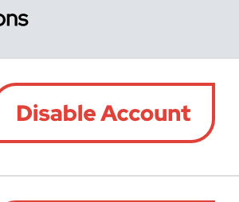
9 | disable account button | switches to double line height on large responsive break |  | Incomplete

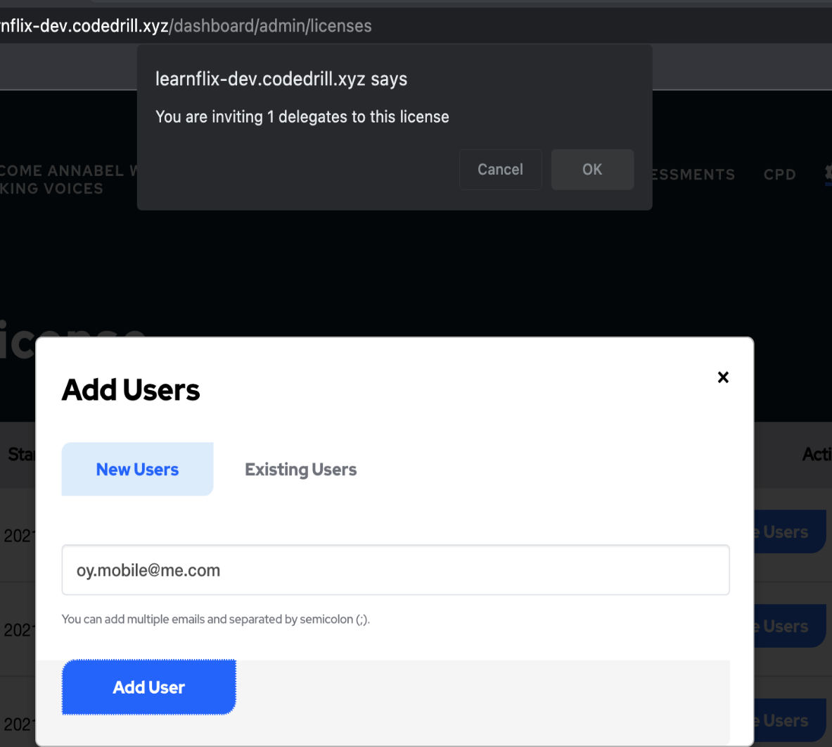
10 | invite user (new) | doesnt do anything when clicking add user |  | Incomplete
 |  | just displays browser alert. No email is sent

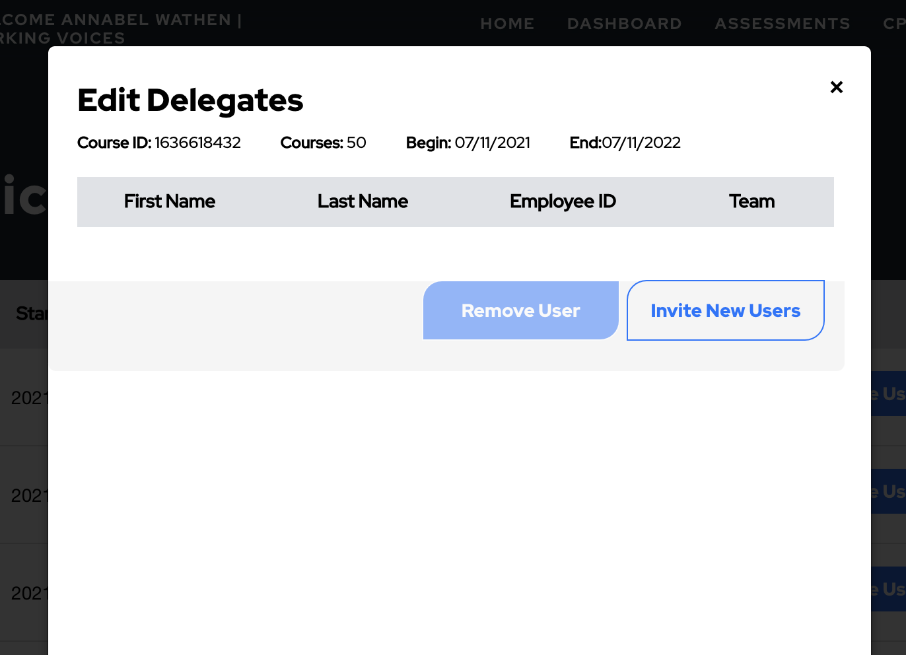
11 | edit user | when clicking on edit user it dosent show a list of users |  | Incomplete

 |  | Alignment issues with boxes, buttons need to be
 |  | centered.

