Wallet
Fintastic Wallet

> Your own Proprietory Fintastic Wallet to Buy, Donate, Redeem or Invest
> Get flat 10% cashback for every purchase you made with FH
> Being our loyal customer you deserve a COOKIE
> Earn money for evey purchase you made on FH

(Layout for Wallet)
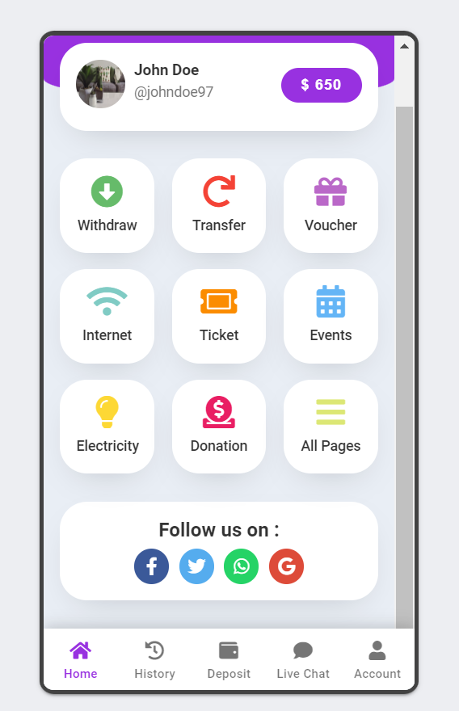
 | (These options should be present on the right side of wallet layout explaining the use of cashback)

 | BUY
 | Purchase any voucher of your choice listed here and avail special discounts on amazing products offered by our clients

 | INVEST
 | Invest your wallet money and get assured 10% annual return. You can withdraw the money in your account after a lock in period of 2 years

 | DONATE
 | Donate to serve backward classes of society by empowering them with means of education and livelihood. You can claim exemption under 80G for any donation you make

 | REDEEM
 | Use your cashback to purchase any service listed on our platform

Options in below tab
My Account
> Personal details, Bank details, Login and Logout

History
> History of cash back received and utilized

Deposit
> Client can mannually add funds also in the wallet so as to donate or invest or buy our services

Withdraw
> The invested can be withdrawn only after 2 year so a code to inserted which shows the date on which funds will be available and then on that date the customer can withdraw the fund

