Colorado USA
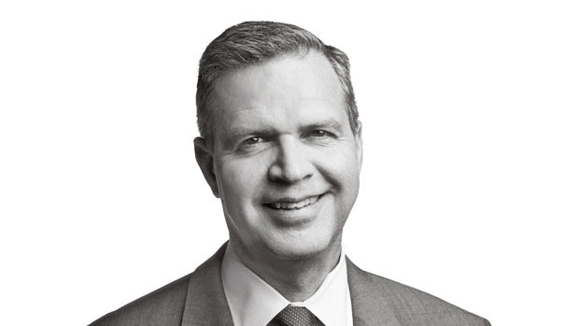
Photo & Personal Information |  | Company Name | Website | Contact Name | First Name | Middle Name | Last Name | Title | Email | Address | Address1 | City | State | ZIP Code | Country | Phone Number | Fax Number | Employees | Revenue in Million | SIC Code | Industry | Linkedin / Profile (Optional)
 | Contact Name : Arthur P. Steinmetz | Oppenheimerfunds , Inc | www.oppenheimerfunds.com | Arthur P. Steinmetz | Arthur | P | Steinmetz | Chairman, Chief Executive Officer & President | asteinmetz@oppenheimerfunds.com | P.O. Box 5270 |  | Denver | CO | 80217 | United States | (303) 768-3200 | (303) 768-1500 | 1000 to 5000 | 100 to 250 | 672 | Investment Offices | https://www.oppenheimerfunds.com/investors/article/executive-profiles
 | Current Company : Oppenheimerfunds , Inc | Accellos | www.accellos.com | Michael Cornell | Michael |  | Cornell | Chairman & Chief Executive Officer | michael.cornell@accellos.com | 90 South Cascade Avenue | Suite 1200 | Colorado Springs | CO | 80903 | United States | (719) 433-7000 | (719) 433-7039 | 100 to 250 | 10 to 25 | 7372 | Computer Software | http://www.accellos.com/about-us/leadership-team/
 | Current Title : Chairman, Chief Executive Officer & President | Western Union | corporate.westernunion.com | Hikmet Ersek | Hikmet |  | Ersek | President, Chief Executive Officer & Director | hikmet.ersek@westernunion.com | 12500 East Belford Avenue | Suite M1-I | Englewood | CO | 80112 | United States | (720) 332-6606 | (720) 332-4772 | Above 10000 | Above 5000 | 6200 | Financial services | http://corporate.westernunion.com/leadership.html
 | Education : Columbia Business School | Gates Corporation | www.gates.com | Ivo Jurek | Ivo |  | Jurek | Chief Executive Officer | ivo.jurek@gates.com | 1551 Wewatta Street |  | Denver | CO | 80202 | United States | (303) 744-1911 | (303) 744-4000 | Above 10000 | 1000 to 5000 | 3568 | Mechanical Power Transmission Equipment | http://www.gates.com/about-gates/executives
 | Address : P.O. Box 5270 | MWH Global | www.mwhglobal.com | Alan Krause | Alan |  | Krause | Chairman & Chief Executive Officer | alan.krause@mwhglobal.com | 370 Interlocken Boulevard | Suite 300 | Broomfield | CO | 80021 | United States | (303) 410-4000 | (303) 410-4100 | 5000 to 10000 | 50 to 100 | 8711 | Engineering Services | http://www.mwhglobal.com/about-us/corporate-governance/board-directors/alan-krause/
 | Denver, CO, 80217, United States | Triangle Petroleum Corporation | www.trianglepetroleum.com | Jonathan Samuels | Jonathan |  | Samuels | President & Chief Executive Officer | jsamuels@trianglepetroleum.com | 1200 17th Street | Suite 2500 | Denver | CO | 80202 | United States | (303) 260-7125 | (303) 260-5080 | 250 to 500 | 250 to 500 | 1389 | Oil and Gas Field Exploration Services | http://www.trianglepetroleum.com/about/executive-leadership
 |  | Quark Inc | www.quark.com | Ray Schiavone | Ray |  | Schiavone | President & Chief Executive Officer | rschiavone@quark.com | 1225 17th Street | Suite 2050 | Denver | CO | 80202 | United States | (303) 894-8888 |  | 1000 to 5000 | 100 to 250 | 7372 | Computer Software | http://www.quark.com/About_Quark/Company_Profile/Corporate_Bios.aspx
 |  | Wm Smith & Co | www.wmsmith.com | William S. Smith | William | S | Smith | President | bsmith@wmsmith.com | P.O. Box 990 |  | Morrison | CO | 80465 | United States | (303) 831-9696 | (303) 831-7158 | 100 to 250 | 10 to 25 | 6282 | Investment Advice | http://www.wmsmith.com/team.htm
 |  | Resolute Energy Corporation | www.resoluteenergy.com | Nicholas J. Sutton | Nicholas | J | Sutton | Chairman & Chief Executive Officer | nsutton@resoluteenergy.com | 1700 Lincoln Street | Suite 2800 | Denver | CO | 80203 | United States | (303) 534-4600 |  | 100 to 250 | 100 to 250 | 1311 | Crude Petroleum and Natural Gas | http://www.resoluteenergy.com/mgmt.html
Email : | asteinmetz@oppenheimerfunds.com | Barry E. Walter Sr. Company | www.barrywalter.com | Barry E. Walter | Barry | E | Walter | President, Chief Executive Officer & Co-Owner | barry@barrywalter.com | 2550 E. Platte Avenue |  | Fort Morgan | CO | 80701 | United States | (970) 867-3858 |  | 25 to 50 | 1 to 10 | 3432 | Plumbing Fixture Fittings and Trim | http://www.barrywalter.com/Contact.htm
Web address : | www.oppenheimerfunds.com
Phone Number : | (303) 768-3200
Linkedin Address : | https://www.oppenheimerfunds.com/investors/article/executive-profiles

