Sheet1
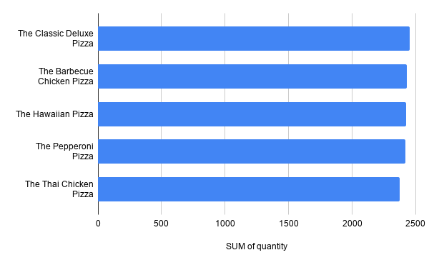
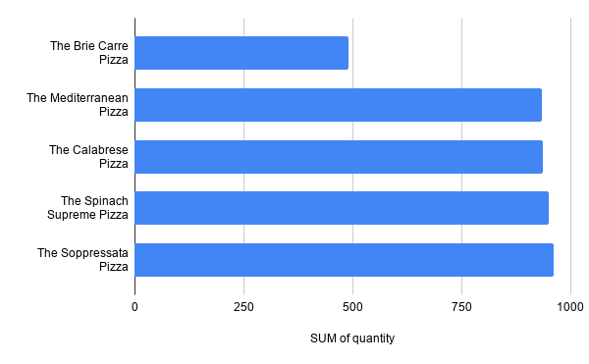
 |  | PIZZA SALES DASHBOARD
 |  | Sales Analysis & Business Insights

 | Daily Trend For Total Orders |  |  | Hourly Trend For Total Orders
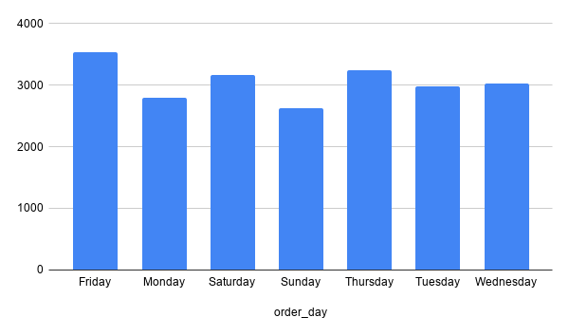
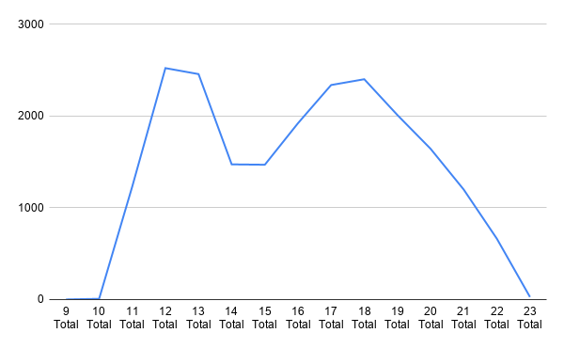

Percentage Sales by Pizza Category |  |  |  | Percentage of Sales by Pizza Size
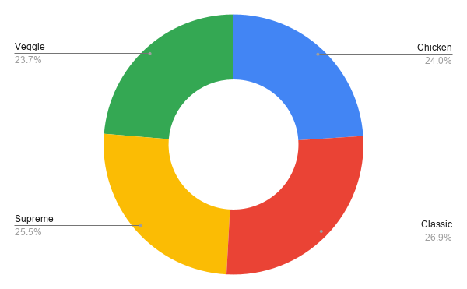
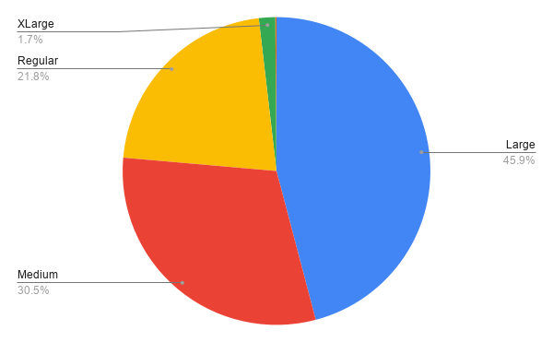

 |  |  | Total Pizza Sold by Pizza Category
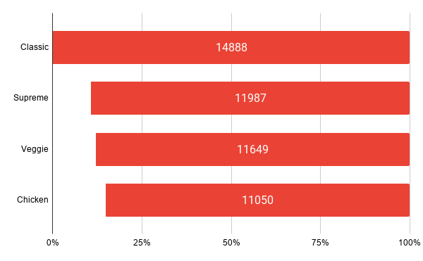

 | Top 5 Best Selling Pizzas |  |  |  | Top 5 Worst Selling Pizzas

