Sheet1
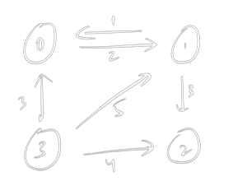

 |  |  |  |  |  |  |  | via 0
 | 0 | 1 | 2 | 3 |  |  | 0 | 1 | 2 | 3
0 | 0 | 2 | inf | inf |  | 0 | 0 | 2 | inf | inf
1 | 1 | 0 | 3 | inf |  | 1 | 1 | 0 | inf | inf
2 | inf | inf | 0 | inf |  | 2
3 | 3 | 5 | 4 | 0 |  | 3

 | 0 -> 1 => [0][0] + [0][1] |  |  | 1 -> 0 => 1
 |  | 2
 | 0 -> 2 => [0][0] + [0][2] |  |  | 1 -> 2 => [1][0] + [0][2]
 |  | 0+inf => inf |  |  | 1 + inf
 | 0 -> 3 => [0][0] + [0][3] |  |  | 1-> 3 => [1][0] + [0][3]
 |  | 0+inf => inf |  |  | 1+inf

