1.Tahoe Salt - Static (even)
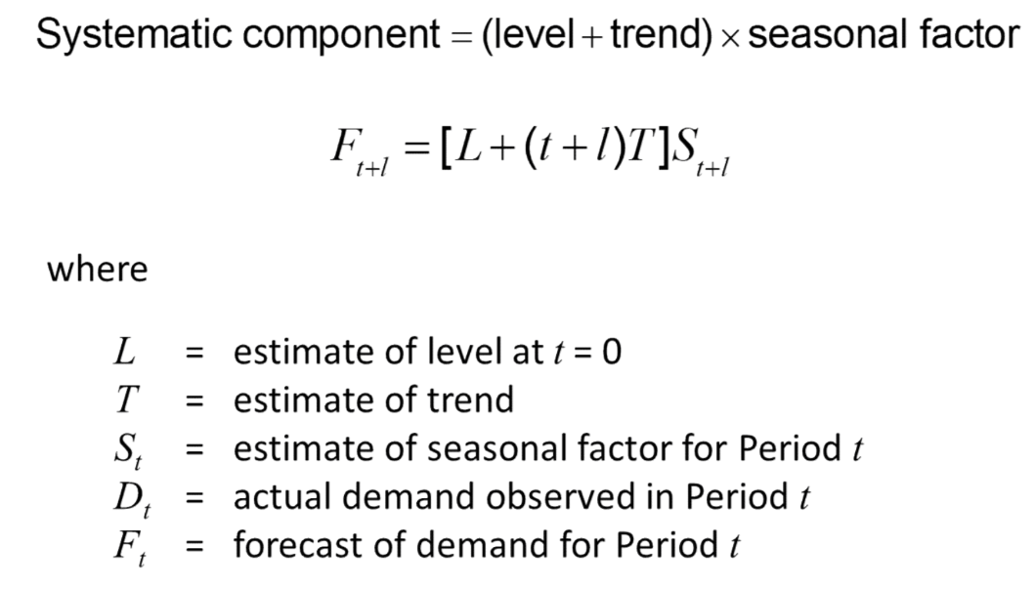
Period t | Demand Dt | Deseasonalised Demand | Dseasonalised Demand (Regressed) D't | Seasonal Factor | Avg Seas Fact
1 | 8000 |  | 18963 | 0.42187417603 | 0.47165904366
2 | 13000 |  | 19487 | 0.66711140761 | 0.68337026425
3 | 23000 | 19750 | 20011 | 1.1493678477 | 1.1706374799
4 | 34000 | 20625 | 20535 | 1.6557097638 | 1.6643096695
5 | 10000 | 21250 | 21059 | 0.47485635595
6 | 18000 | 21750 | 21583 | 0.83398971413
7 | 23000 | 22500 | 22107 | 1.0403944452
8 | 38000 | 22125 | 22631 | 1.6791127215
9 | 12000 | 22625 | 23155 | 0.51824659901
10 | 13000 | 24125 | 23679 | 0.54900967102
11 | 32000 |  | 24203 | 1.3221501467
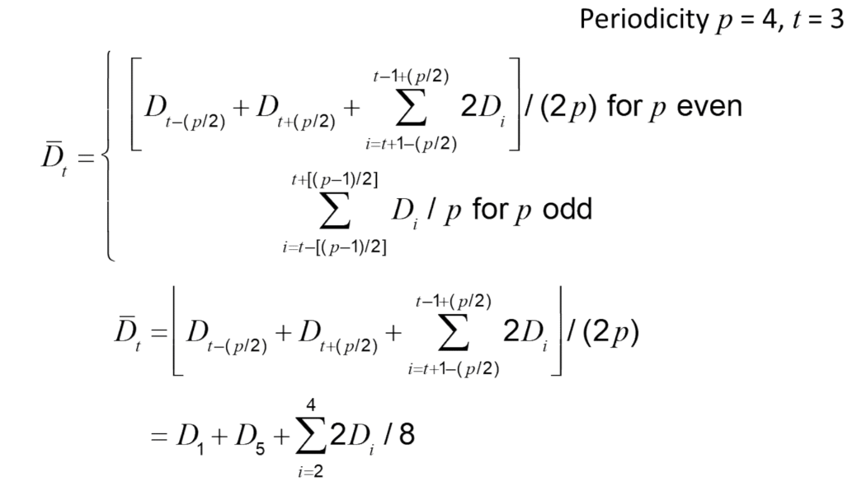
12 | 41000 |  | 24727 | 1.6581065232
13 |  |  | 11909.862512

Period |  | T |  |  | Dt= L+Tt | Intercept

 | Level | 18439
 | Trend | 524

Moving Average
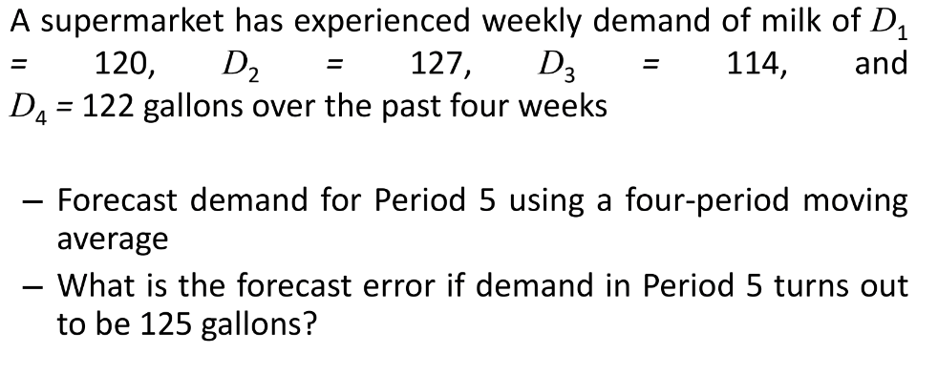
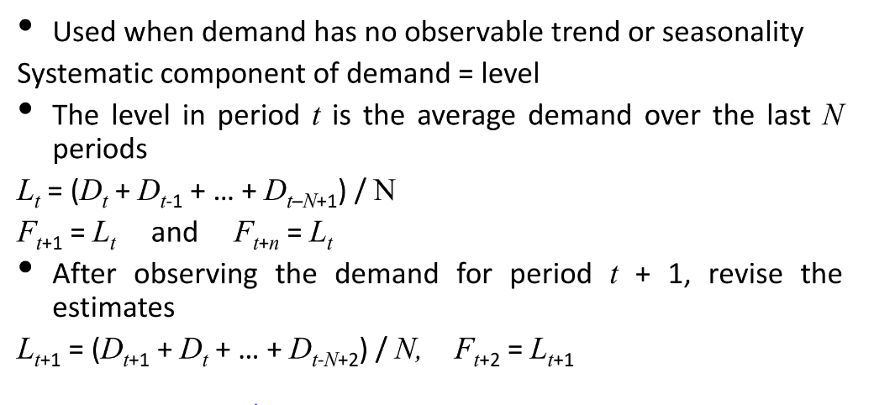
Period t | Demand Dt | Level L | Forecast | Error
1 | 120
2 | 127
3 | 114
4 | 122
5 | 125 | 120.75 | 120.75 | -4.25

Exponential Smoothing
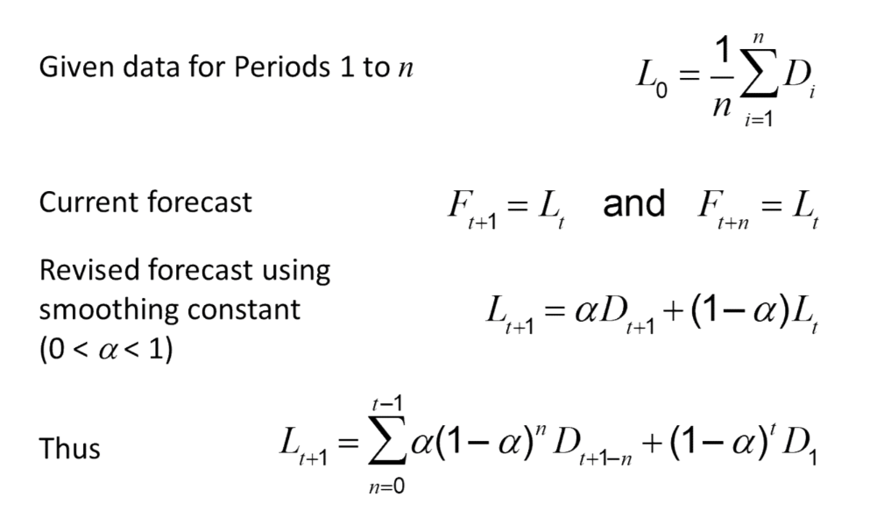
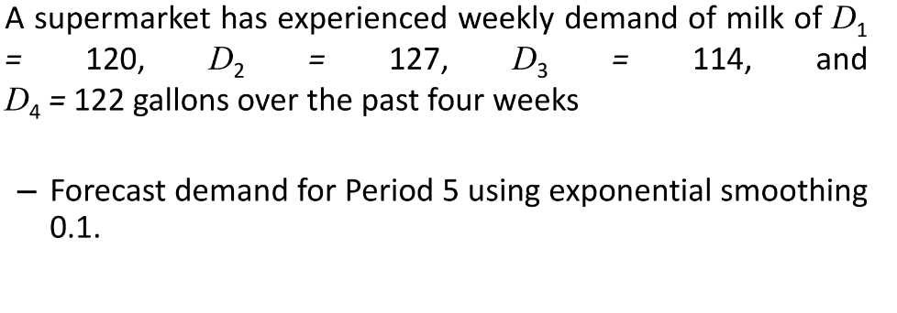
Period t | Demand Dt | Level | Forecast | Error | Alpha | 0.1
0 |  | 120.75
1 | 120 | 120.675 | 120.75 | 0.75
2 | 127 | 121.3075 | 120.675 | -6.325
3 | 114 | 119.67675 | 120.3075 | 6.3075
4 | 122 | 119.9102 | 119.678 | -2.322
5 |  |  | 119.9102

Holt's Model
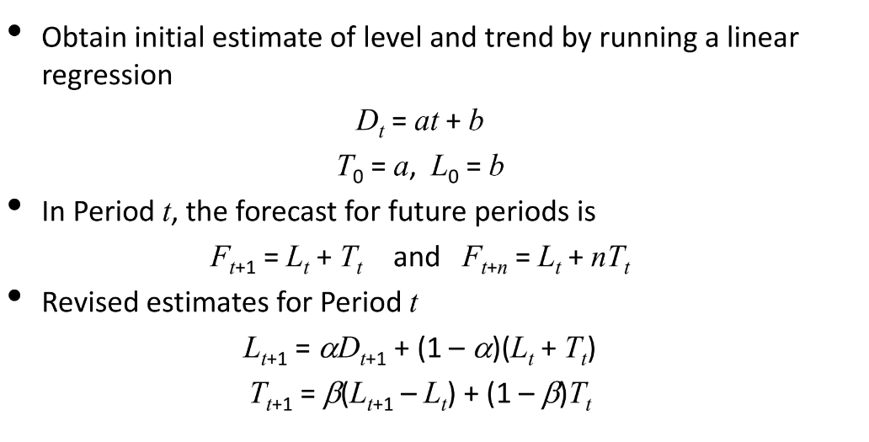
Period t | Demand Dt | Level Lt | Trend Tt | Ft
0 |  | 7367 | 673
1 | 8415 | 8077.5 | 680.5 | 8040
2 | 8732 | 8755.4 | 679.98 | 8758 | alpha | 0.1
3 | 9014 | 9393.242 | 671.5524 | 9435.38 | Beta | 0.2
4 | 9808 | 10039.11496 | 666.416512 | 10064.7944
5 | 10413 | 10676.278325 | 660.56588256 | 10705.531472
6 | 11961 | 11399.259787 | 673.04899841 | 11336.844207
7 |  | 10865.077907 | 431.60282271 | 12072.308785

Winter's Model
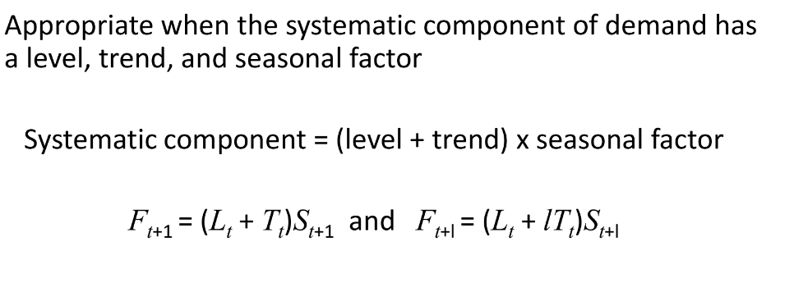
Period t | Demand Dt |  | Level | Trend | Seasonality | Forecast | Error | Absolute Error | MSE | MAD | MAPE | bias | TS | sigma
 |  |  | 18439 | 524
1 | 8000 |  | 18762.840487 | 483.96809739 | 0.47165904366 | 8944.070445 | 944.07044496 | 944.07044496 | 891269.00505 | 944.07044496 | 11.800880562 | 944.07044496
2 | 13000 |  | 19224.463938 | 479.49916814 | 0.68337026425 | 13152.696668 | 152.69666825 | 152.69666825 | 23316.272496 | 152.69666825 | 1.1745897558 | 152.69666825
3 | 23000 | 19750 | 19698.308263 | 478.3681995 | 1.1706374799 | 23066.197714 | 66.197713792 | 66.197713792 | 4382.1373112 | 66.197713792 | 0.28781614692 | 66.197713792 |  |  | alpha | 0.1
4 | 34000 | 20625 | 20201.897866 | 483.41248029 | 1.6643096695 | 33580.237735 | -419.76226474 | 419.76226474 | 176200.3589 | 419.76226474 | 1.2345948963 | -419.76226474 |  |  | beta | 0.2
5 | 10000 | 21250 | 20757.508234 | 497.85205769 | 0.46713060672 | 9662.7415724 | -337.25842757 | 337.25842757 | 113743.24696 | 337.25842757 | 3.3725842757 | -337.25842757 |  |  | gamma | 0.1
6 | 18000 | 21750 | 21766.586493 | 600.09729793 | 0.68265540946 | 14510.086683 | -3489.913317 | 3489.913317 | 12179494.96 | 3489.913317 | 19.388407317 | -3489.913317
7 | 23000 | 22500 | 22095.264631 | 545.81346604 | 1.1703350278 | 26176.513495 | 3176.5134953 | 3176.5134953 | 10090237.986 | 3176.5134953 | 13.810928241 | 3176.5134953
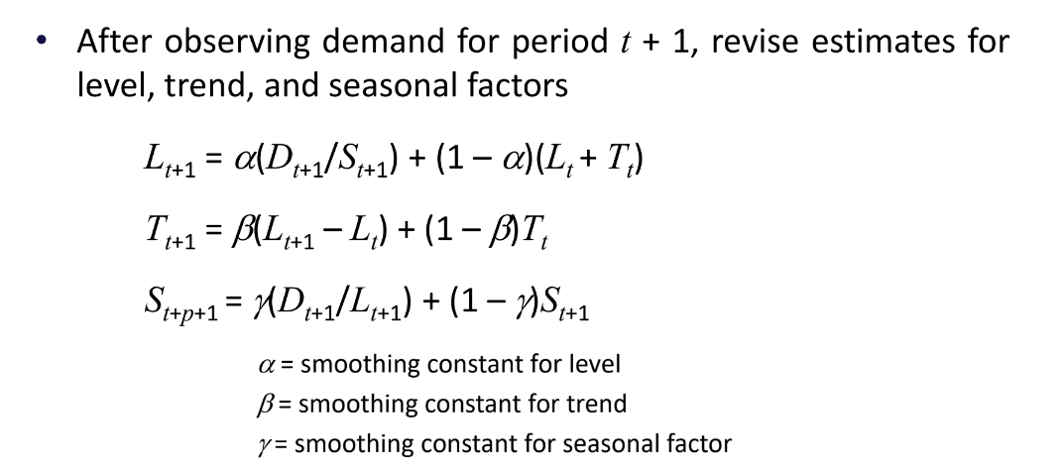
8 | 38000 | 22125 | 22657.636623 | 549.12517117 | 1.6661797217 | 37724.105204 | -275.89479645 | 275.89479645 | 76117.938709 | 275.89479645 | 0.72603893803 | -275.89479645
9 | 12000 | 22625 | 23446.943958 | 597.16160404 | 0.46859288524 | 10874.523466 | -1125.4765339 | 1125.4765339 | 1266697.4283 | 1125.4765339 | 9.3789711156 | -1125.4765339
10 | 13000 | 24125 | 23504.602738 | 489.26103907 | 0.69708542579 | 16760.795564 | 3760.7955637 | 3760.7955637 | 14143583.272 | 3760.7955637 | 28.929196644 | 3760.7955637
11 | 32000 |  | 24359.304105 | 562.34910484 | 1.1573962276 | 27770.40742 | -4229.5925801 | 4229.5925801 | 17889453.394 | 4229.5925801 | 13.217476813 | -4229.5925801
12 | 41000 |  | 24888.589398 | 555.7363424 | 1.6672756229 | 41551.264881 | 551.26488118 | 551.26488118 | 303892.96922 | 551.26488118 | 1.3445484907 | 551.26488118
 |  |  | 22899.893166 | 46.849827588 | 0.47291297438 | 12032.951767 |  |  | 4763199.0807 | 1544.1197239 | 8.7221694329 | -1226.3591526 | -0.79421247821 | 1930.1496549

