Sheet1
What is Word Normalization
What is Tokenization | Extracting words or phrases or other meaningful elements from text
What is Case Folding | converting the case of text to lower or upper
What is Lemmatization | converting various word forms to standard form eg. Car's to car
What is Morphemes | smallest meaningful unit of a word
Stemming | converting word to its stem eg. Loved => love
Name on popular English Stemmer | Porter's algorithm
What is Text Segmentation | It is dividing the text in meaningful words or phrases

N Gram | It’s a continuous sequence of n words from a given string
 | eg. My name is Aman
 | Let find 2 grams:
 | My name, name is, is Aman

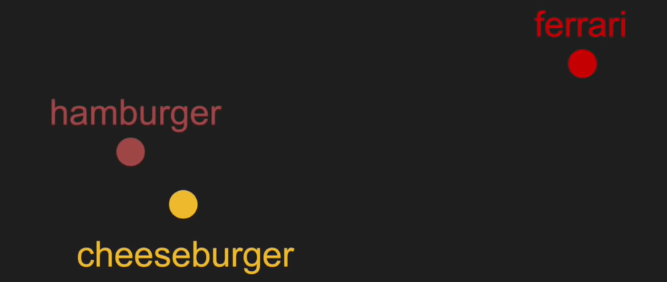
What is a Stop Word | Stop words are the most commonly used words in a Language
Name Two Methods by which Language can be detected | Stop Words and Bigrams

Language Model | Using a corpus to generate a Language Model and then using it to create word sequences
Word Embeddings | converting words into vectors in such a way that words with similar context have less difference

