Sheet3
Month vs revenue trends
Row Labels | Sum of Revenue
Jan | ₹ 13,200,000.00
Feb | ₹ 15,230,000.00
Mar | ₹ 17,710,000.00
Apr | ₹ 19,800,000.00
Grand Total | ₹ 65,940,000.00

Sheet8
Product | Category | Units Sold | Unit Price | Revenue | Region
iPhone 14 | Jan | iPhone 14 | Electronics | 120 | 70000 | 8400000 | North

 | Units Sold
Jan | 120
Jan | 80
Jan | 200
Feb | 140
Feb | 90
Feb | 230
Mar | 160
Mar | 110
Mar | 260
Apr | 180
Apr | 120
Apr | 300

 | Units Sold | Revenue
Jan | 120 | ₹ 8,400,000.00
Jan | 80 | ₹ 3,600,000.00
Jan | 200 | ₹ 1,200,000.00
Feb | 140 | ₹ 9,800,000.00
Feb | 90 | ₹ 4,050,000.00
Feb | 230 | ₹ 1,380,000.00
Mar | 160 | ₹ 11,200,000.00
Mar | 110 | ₹ 4,950,000.00
Mar | 260 | ₹ 1,560,000.00
Apr | 180 | ₹ 12,600,000.00
Apr | 120 | ₹ 5,400,000.00
Apr | 300 | ₹ 1,800,000.00

sales_data
Month | Product | Category | Units Sold | Unit Price | Revenue | Region
Jan | iPhone 14 | Electronics | 120 | 70000 | ₹ 8,400,000.00 | North
Jan | Samsung TV | Electronics | 80 | 45000 | ₹ 3,600,000.00 | South
Jan | Nike Shoes | Fashion | 200 | 6000 | ₹ 1,200,000.00 | West
Feb | iPhone 14 | Electronics | 140 | 70000 | ₹ 9,800,000.00 | North
Feb | Samsung TV | Electronics | 90 | 45000 | ₹ 4,050,000.00 | South | Row Labels | Sum of Revenue
Feb | Nike Shoes | Fashion | 230 | 6000 | ₹ 1,380,000.00 | West | Jan | 13200000
Mar | iPhone 14 | Electronics | 160 | 70000 | ₹ 11,200,000.00 | North | Feb | 15230000
Mar | Samsung TV | Electronics | 110 | 45000 | ₹ 4,950,000.00 | South | Mar | 17710000
month vs revenue Trends
Mar | Nike Shoes | Fashion | 260 | 6000 | ₹ 1,560,000.00 | West | Apr | 19800000
Apr | iPhone 14 | Electronics | 180 | 70000 | ₹ 12,600,000.00 | North | Grand Total | 65940000
Apr | Samsung TV | Electronics | 120 | 45000 | ₹ 5,400,000.00 | South
Apr | Nike Shoes | Fashion | 300 | 6000 | ₹ 1,800,000.00 | West

Product sold trend

Questions
1. How is revenue changing month by month?

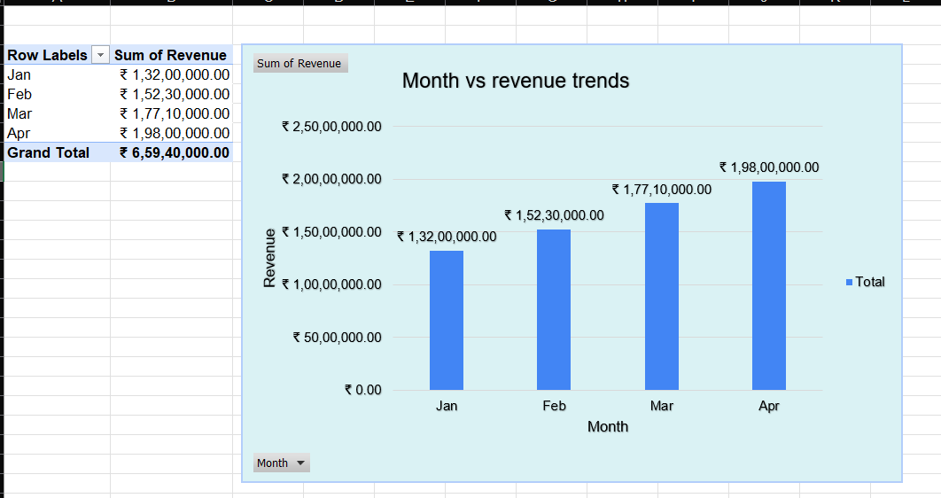

4. Which product sells more?

Product sold trend
 | Units Sold
Category | 120
Electronics | 80
Electronics | 200
Fashion | 140
Electronics | 90
Electronics | 230
Fashion | 160
Electronics | 110
Electronics | 260
Fashion | 180
Electronics | 120
Electronics | 300
Fashion

2. Is the business growing consistently?

 | Units Sold
Jan | 120
Jan | 80
Jan | 200
Feb | 140
Feb | 90
Feb | 230
Mar | 160
Mar | 110
Mar | 260
Apr | 180
Apr | 120
Apr | 300

3. Which category contributes the most revenue?

Catogary wise revenue
 | Total
Electronics | ₹60,000,000.00
Fashion | ₹5,940,000.00

5. Does more quantity always mean more revenue?

 | Units Sold | Revenue
Jan | 120 | ₹ 8,400,000.00
Jan | 80 | ₹ 3,600,000.00
Jan | 200 | ₹ 1,200,000.00
Feb | 140 | ₹ 9,800,000.00
Feb | 90 | ₹ 4,050,000.00
Feb | 230 | ₹ 1,380,000.00
Mar | 160 | ₹ 11,200,000.00
Mar | 110 | ₹ 4,950,000.00
Mar | 260 | ₹ 1,560,000.00
Apr | 180 | ₹ 12,600,000.00
Apr | 120 | ₹ 5,400,000.00
Apr | 300 | ₹ 1,800,000.00

