Figures
Figures and Alt Text (excludes artifacts and decorative images)
Count of figures | 110

Page Number | Figure/Image | Alt-Text | bBox (x,y,w,h) | Object Id
1 |  | <missing> | (31,422,98,23) | 10471

1 |  | <missing> | (29,311,128,25) | 10473

1 |  | <missing> | (31,190,76,23) | 10475


27 |  | <missing> | (284,205,83,96) | 9193

28 |  | <missing> | (108,692,315,46) | 9018

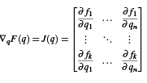
28 |  | <missing> | (235,611,182,103) | 9036

28 |  | <missing> | (223,273,204,25) | 9055

28 |  | <missing> | (263,142,126,23) | 9064

31 |  | <missing> | (259,267,132,55) | 8537

31 |  | <missing> | (245,148,159,31) | 8543

33 |  | <missing> | (127,326,218,23) | 8341

33 |  | <missing> | (127,294,342,24) | 8342

34 |  | <missing> | (265,475,120,23) | 8290

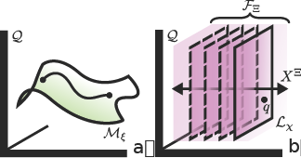
35 |  | <missing> | (158,684,328,174) | 8252

37 |  | <missing> | (179,661,43,25) | 7783

37 |  | <missing> | (236,410,178,46) | 8120

38 |  | <missing> | (213,487,224,46) | 8003

38 |  | <missing> | (418,148,105,42) | 8030

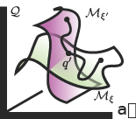
39 |  | <missing> | (158,681,159,140) | 7924

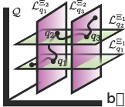
39 |  | <missing> | (324,684,162,142) | 7925

39 |  | <missing> | (220,257,210,22) | 7963

40 |  | <missing> | (243,508,164,46) | 7855

41 |  | <missing> | (137,179,24,24) | 7704

41 |  | <missing> | (175,180,113,25) | 7707

42 |  | <missing> | (373,287,111,9) | 7320

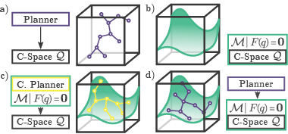
45 |  | <missing> | (134,684,380,176) | 7159

48 |  | <missing> | (134,678,370,82) | 7048

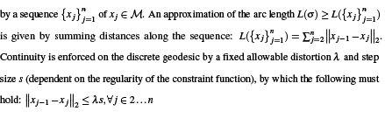
50 |  | <missing> | (108,692,439,151) | 6987

50 |  | <missing> | (257,463,136,23) | 6988

56 |  | <missing> | (107,291,440,88) | 6565

57 |  | <missing> | (420,396,97,42) | 6107

57 |  | <missing> | (235,169,180,23) | 6525

58 |  | <missing> | (262,656,126,31) | 6268

58 |  | <missing> | (195,566,261,46) | 6273

58 |  | <missing> | (244,383,193,53) | 6310

63 |  | <missing> | (290,594,70,46) | 5704


63 |  | <missing> | (248,280,155,68) | 5729

64 |  | <missing> | (270,656,110,46) | 5519

64 |  | <missing> | (107,562,440,73) | 5208

64 |  | <missing> | (108,488,435,18) | 5520
64 |  | <missing> | (255,388,140,52) | 5521

64 |  | <missing> | (259,212,133,46) | 5544

64 |  | <missing> | (429,142,116,23) | 5571

66 |  | <missing> | (235,310,181,46) | 5332

66 |  | <missing> | (236,200,176,46) | 5334

67 |  | <missing> | (196,662,259,47) | 5249

67 |  | <missing> | (181,585,145,23) | 5261

68 |  | <missing> | (299,689,63,40) | 4668

68 |  | <missing> | (258,658,68,23) | 4671

68 |  | <missing> | (414,664,59,40) | 4672

68 |  | <missing> | (203,513,243,48) | 5152

68 |  | <missing> | (408,213,30,22) | 4637

69 |  | <missing> | (201,675,245,48) | 5040

69 |  | <missing> | (432,608,59,42) | 4615

69 |  | <missing> | (191,530,266,47) | 5042

70 |  | <missing> | (115,519,185,26) | 4842

70 |  | <missing> | (157,477,50,53) | 4848

70 |  | <missing> | (115,367,116,16) | 4863

70 |  | <missing> | (164,342,117,23) | 4864

70 |  | <missing> | (146,314,117,14) | 4865

70 |  | <missing> | (110,167,206,23) | 4909

72 |  | <missing> | (110,643,418,107) | 4625

73 |  | <missing> | (231,439,190,46) | 4607


74 |  | <missing> | (107,684,100,81) | 4589


74 |  | <missing> | (213,684,100,81) | 4590


74 |  | <missing> | (322,684,100,81) | 4591


74 |  | <missing> | (434,682,102,79) | 4592

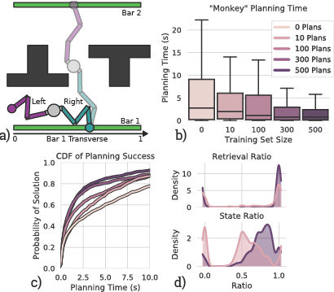
78 |  | <missing> | (118,676,412,362) | 4436

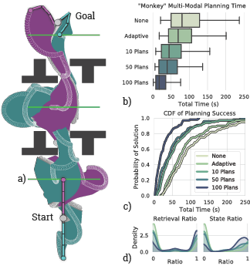
81 |  | <missing> | (104,680,391,348) | 4339

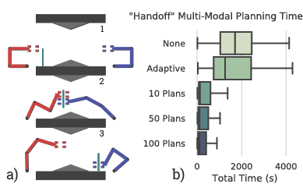
82 |  | <missing> | (130,594,389,250) | 4331

86 |  | <missing> | (238,408,86,16) | 3968

86 |  | <missing> | (351,409,44,24) | 3972

87 |  | <missing> | (230,519,192,25) | 3784

87 |  | <missing> | (177,432,61,25) | 3806

87 |  | <missing> | (300,431,108,24) | 3809

87 |  | <missing> | (174,359,84,25) | 3819

87 |  | <missing> | (193,334,89,25) | 3823

87 |  | <missing> | (277,258,62,17) | 3563

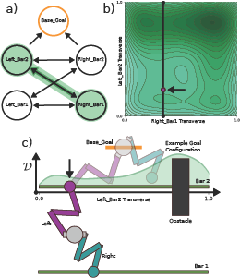
88 |  | <missing> | (186,715,300,338) | 3757

91 |  | <missing> | (274,497,103,36) | 3534

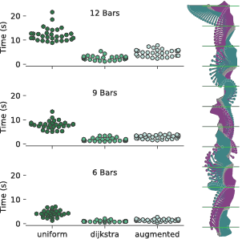
93 |  | <missing> | (173,642,302,298) | 3486

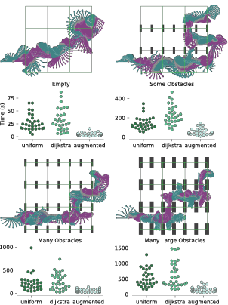
94 |  | <missing> | (173,683,303,404) | 3473

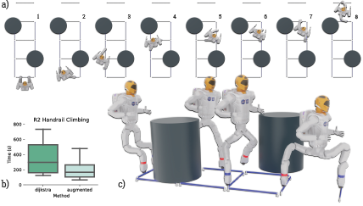
96 |  | <missing> | (99,595,460,276) | 3420

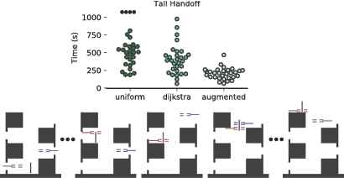
98 |  | <missing> | (119,575,410,211) | 3407

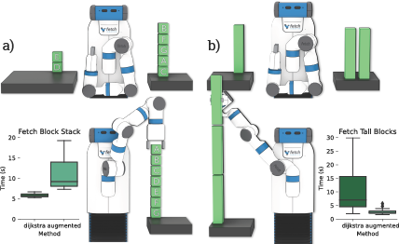
100 |  | <missing> | (110,637,428,262) | 3337

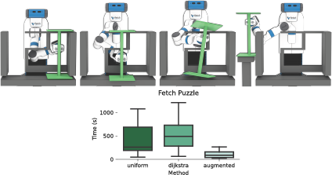
102 |  | <missing> | (112,568,423,223) | 3054

104 |  | <missing> | (146,524,121,16) | 2934

104 |  | <missing> | (115,507,165,24) | 2935

104 |  | <missing> | (164,434,57,24) | 2951

104 |  | <missing> | (164,409,146,24) | 2953

104 |  | <missing> | (182,385,65,24) | 2954

104 |  | <missing> | (115,360,164,17) | 2955

104 |  | <missing> | (110,337,202,26) | 2956

104 |  | <missing> | (110,310,180,16) | 2957

104 |  | <missing> | (110,236,208,16) | 2970

104 |  | <missing> | (182,214,125,26) | 2972

104 |  | <missing> | (164,186,90,24) | 2974

105 |  | <missing> | (146,500,242,19) | 2834

105 |  | <missing> | (115,481,70,23) | 2835

105 |  | <missing> | (115,458,272,24) | 2836

105 |  | <missing> | (164,434,57,24) | 2838

105 |  | <missing> | (164,408,231,14) | 2839

105 |  | <missing> | (164,383,169,37) | 2850

105 |  | <missing> | (182,346,65,24) | 2851

105 |  | <missing> | (182,321,96,17) | 2852

105 |  | <missing> | (182,298,165,26) | 2853

105 |  | <missing> | (182,249,201,26) | 2856

105 |  | <missing> | (182,222,33,16) | 2857

105 |  | <missing> | (182,176,199,26) | 2861

105 |  | <missing> | (164,147,90,24) | 2862

