_inputHvcAmmonia
Region | Process | Age in years | Capacity on Mt primary chemicals | Source | Comment
NA | Hvc + Smr | 5 | 10 | https://www.iea.org/data-and-statistics/charts/age-profile-of-global-production-capacity-for-the-chemicals-sector-ammonia-methanol-and-hvc-production | Age profile of global production capacity for the chemicals sector (ammonia, methanol and HVC production)
SA | Hvc + Smr | 5 | 0
EU | Hvc + Smr | 5 | 0
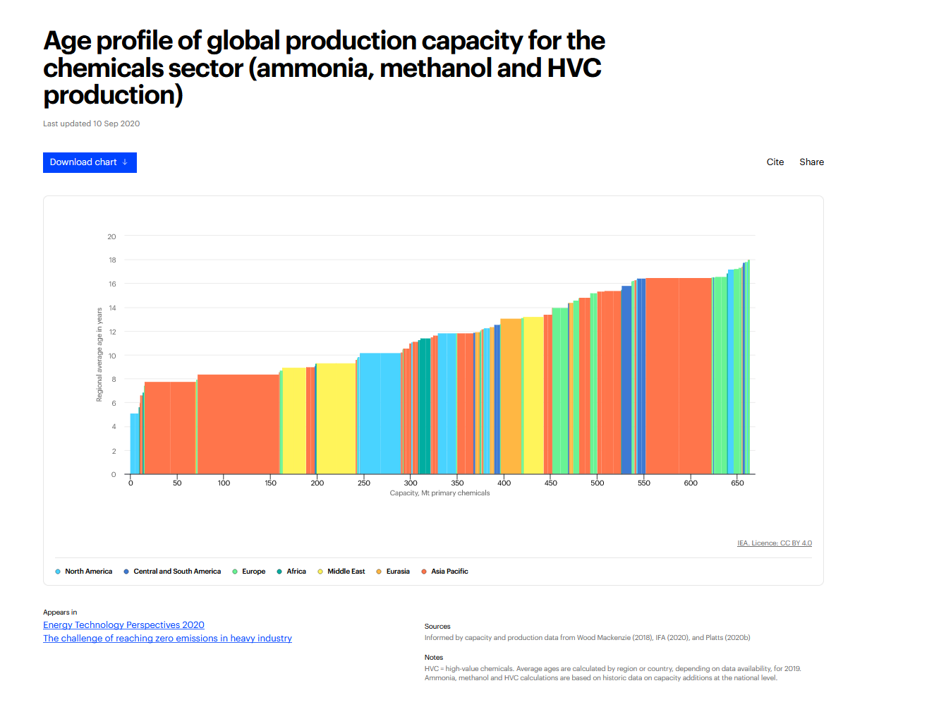
AF | Hvc + Smr | 5 | 0
ME | Hvc + Smr | 5 | 0
EA | Hvc + Smr | 5 | 0
AP | Hvc + Smr | 5 | 0
NA | Hvc + Smr | 7 | 0
SA | Hvc + Smr | 7 | 0
EU | Hvc + Smr | 7 | 3
AF | Hvc + Smr | 7 | 0
ME | Hvc + Smr | 7 | 0
EA | Hvc + Smr | 7 | 1
AP | Hvc + Smr | 7 | 5
NA | Hvc + Smr | 8 | 0
SA | Hvc + Smr | 8 | 0
EU | Hvc + Smr | 8 | 2
AF | Hvc + Smr | 8 | 0
ME | Hvc + Smr | 8 | 2
EA | Hvc + Smr | 8 | 1
AP | Hvc + Smr | 8 | 50
NA | Hvc + Smr | 9 | 0
SA | Hvc + Smr | 9 | 5
EU | Hvc + Smr | 9 | 5
AF | Hvc + Smr | 9 | 0
ME | Hvc + Smr | 9 | 80
EA | Hvc + Smr | 9 | 0
AP | Hvc + Smr | 9 | 10
NA | Hvc + Smr | 10 | 40
SA | Hvc + Smr | 10 | 0
EU | Hvc + Smr | 10 | 4
AF | Hvc + Smr | 10 | 0
ME | Hvc + Smr | 10 | 0
EA | Hvc + Smr | 10 | 0
AP | Hvc + Smr | 10 | 10
NA | Hvc + Smr | 11 | 0
SA | Hvc + Smr | 11 | 0
EU | Hvc + Smr | 11 | 0
AF | Hvc + Smr | 11 | 10
ME | Hvc + Smr | 11 | 0
EA | Hvc + Smr | 11 | 0
AP | Hvc + Smr | 11 | 15
NA | Hvc + Smr | 12 | 20
SA | Hvc + Smr | 12 | 2
EU | Hvc + Smr | 12 | 1
AF | Hvc + Smr | 12 | 1
ME | Hvc + Smr | 12 | 1
EA | Hvc + Smr | 12 | 5
AP | Hvc + Smr | 12 | 20
NA | Hvc + Smr | 13 | 0
SA | Hvc + Smr | 13 | 0
EU | Hvc + Smr | 13 | 15
AF | Hvc + Smr | 13 | 0
ME | Hvc + Smr | 13 | 20
EA | Hvc + Smr | 13 | 20
AP | Hvc + Smr | 13 | 10
NA | Hvc + Smr | 14 | 0
SA | Hvc + Smr | 14 | 0
EU | Hvc + Smr | 14 | 35
AF | Hvc + Smr | 14 | 0
ME | Hvc + Smr | 14 | 0
EA | Hvc + Smr | 14 | 5
AP | Hvc + Smr | 14 | 10
NA | Hvc + Smr | 15 | 0
SA | Hvc + Smr | 15 | 0
EU | Hvc + Smr | 15 | 10
AF | Hvc + Smr | 15 | 0
ME | Hvc + Smr | 15 | 0
EA | Hvc + Smr | 15 | 0
AP | Hvc + Smr | 15 | 20
NA | Hvc + Smr | 16 | 1
SA | Hvc + Smr | 16 | 30
EU | Hvc + Smr | 16 | 20
AF | Hvc + Smr | 16 | 0
ME | Hvc + Smr | 16 | 0
EA | Hvc + Smr | 16 | 0
AP | Hvc + Smr | 16 | 100
NA | Hvc + Smr | 17 | 2
SA | Hvc + Smr | 17 | 1
EU | Hvc + Smr | 17 | 9
AF | Hvc + Smr | 17 | 0
ME | Hvc + Smr | 17 | 1
EA | Hvc + Smr | 17 | 0
AP | Hvc + Smr | 17 | 0

_inputSmr
Region | Process | Age in years | Capacity on Mt primary chemicals | Source | Comment
NA | Smr | 10 | 0 | https://www.google.com/url?sa=t&source=web&rct=j&opi=89978449&url=https://iea.blob.core.windows.net/assets/23c82928-ab51-4725-836b-8efc8ea540d2/Ammonia_Launchpresentation.pdf&ved=2ahUKEwjKu9Gd2e-HAxU41AIHHaXiIpkQFnoECBgQAQ&usg=AOvVaw2Y-o4Ar4-BAlJHMh6mGQ4g | Ammonia Technology Roadmap (IEA) 2021
SA | Smr | 10 | 0
EU | Smr | 10 | 0
AF | Smr | 10 | 5
ME | Smr | 10 | 0
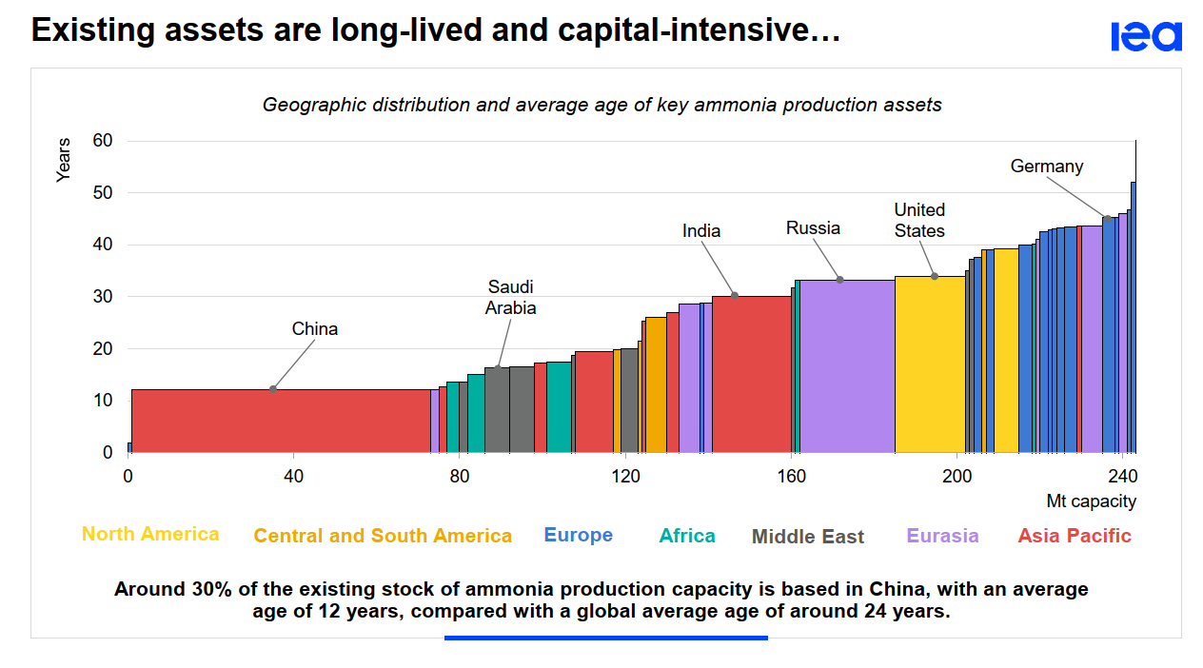
EA | Smr | 10 | 0
AP | Smr | 10 | 65
NA | Smr | 12 | 0
SA | Smr | 12 | 0
EU | Smr | 12 | 5
AF | Smr | 12 | 5
ME | Smr | 12 | 5
EA | Smr | 12 | 0
AP | Smr | 12 | 0
NA | Smr | 14 | 0
SA | Smr | 14 | 0
EU | Smr | 14 | 7
AF | Smr | 14 | 5
ME | Smr | 14 | 15
EA | Smr | 14 | 0
AP | Smr | 14 | 4
NA | Smr | 16 | 0
SA | Smr | 16 | 0
EU | Smr | 16 | 0
AF | Smr | 16 | 0
ME | Smr | 16 | 0
EA | Smr | 16 | 0
AP | Smr | 16 | 4
NA | Smr | 17 | 0
SA | Smr | 17 | 0
EU | Smr | 17 | 0
AF | Smr | 17 | 5
ME | Smr | 17 | 0
EA | Smr | 17 | 0
AP | Smr | 17 | 0
NA | Smr | 19 | 0
SA | Smr | 19 | 2
EU | Smr | 19 | 0
AF | Smr | 19 | 0
ME | Smr | 19 | 0
EA | Smr | 19 | 0
AP | Smr | 19 | 10
NA | Smr | 20 | 0
SA | Smr | 20 | 3
EU | Smr | 20 | 0
AF | Smr | 20 | 0
ME | Smr | 20 | 5
EA | Smr | 20 | 0
AP | Smr | 20 | 0
NA | Smr | 25 | 0
SA | Smr | 25 | 6
EU | Smr | 25 | 0
AF | Smr | 25 | 0
ME | Smr | 25 | 0
EA | Smr | 25 | 0
AP | Smr | 25 | 4
NA | Smr | 28 | 0
SA | Smr | 28 | 0
EU | Smr | 28 | 0
AF | Smr | 28 | 0
ME | Smr | 28 | 0
EA | Smr | 28 | 7
AP | Smr | 28 | 0
NA | Smr | 30 | 0
SA | Smr | 30 | 0
EU | Smr | 30 | 0
AF | Smr | 30 | 0
ME | Smr | 30 | 0
EA | Smr | 30 | 0
AP | Smr | 30 | 25
NA | Smr | 32 | 30
SA | Smr | 32 | 0
EU | Smr | 32 | 0
AF | Smr | 32 | 1
ME | Smr | 32 | 1
EA | Smr | 32 | 60
AP | Smr | 32 | 0
NA | Smr | 35 | 0
SA | Smr | 35 | 1
EU | Smr | 35 | 4
AF | Smr | 35 | 0
ME | Smr | 35 | 2
EA | Smr | 35 | 0
AP | Smr | 35 | 0
NA | Smr | 38 | 5
SA | Smr | 38 | 0
EU | Smr | 38 | 5
AF | Smr | 38 | 1
ME | Smr | 38 | 0
EA | Smr | 38 | 1
AP | Smr | 38 | 0
NA | Smr | 42 | 0
SA | Smr | 42 | 0
EU | Smr | 42 | 15
AF | Smr | 42 | 0
ME | Smr | 42 | 0
EA | Smr | 42 | 8
AP | Smr | 42 | 1
NA | Smr | 45 | 0
SA | Smr | 45 | 0
EU | Smr | 45 | 2
AF | Smr | 45 | 0
ME | Smr | 45 | 0
EA | Smr | 45 | 0
AP | Smr | 45 | 0

