flow
<MainActivity>
Launch WebView
<MainActivity>
Launch Chrome Custom Tabs
<AmazonPayActivity>
Set target url in MainActivity
<MainActivity>
Launch JavaScript to load target url
<AmazonPayActivity>
Set target url in MainActivity
<MainActivity>
Launch JavaScript to load target url
<MainActivity>
Launch Chrome Custom Tabs
N
A
T
Launch MainActivity method from JavaScript in WebView.
Launch AmazonPayActivity by Applinks
I
V
Launch MainActivity method from JavaScript in WebView
Launch AmazonPayActivity by intent
E

WebView
WebView
WebView
Chrome Custom Tabs
Chrome Custom Tabs
A
P
P
In case of working Applinks
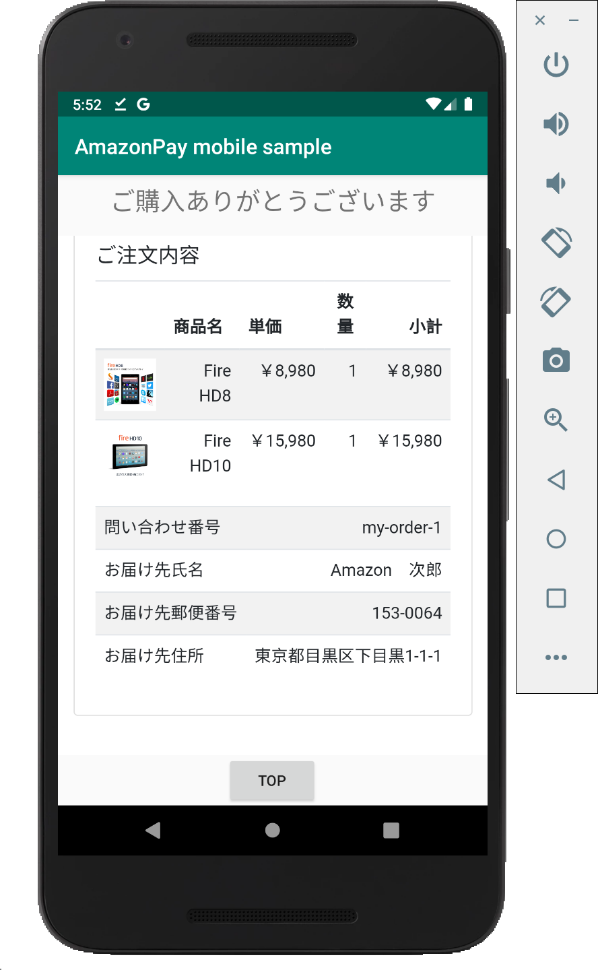
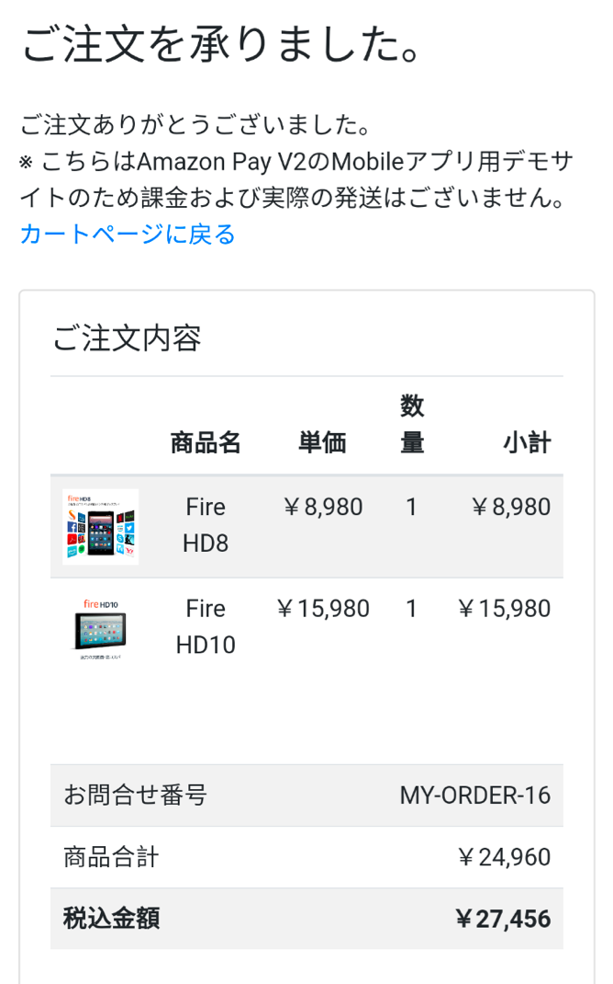
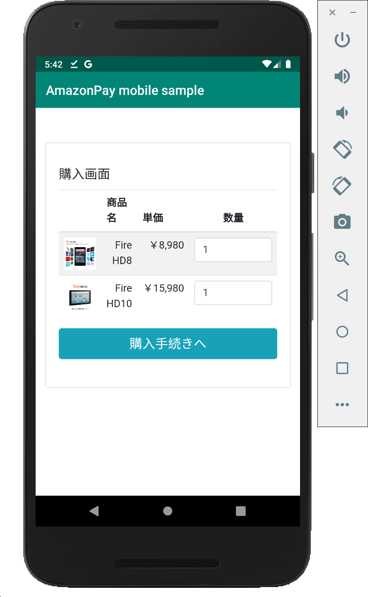
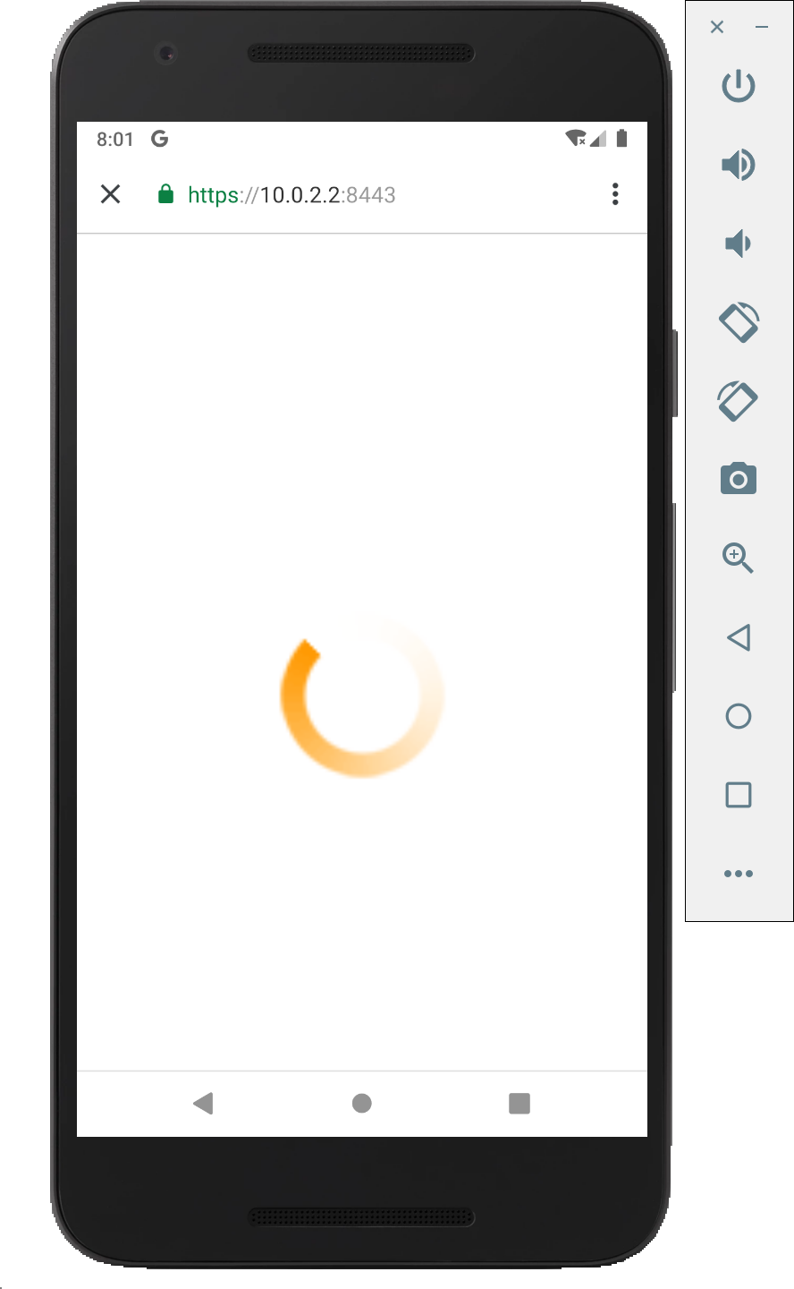
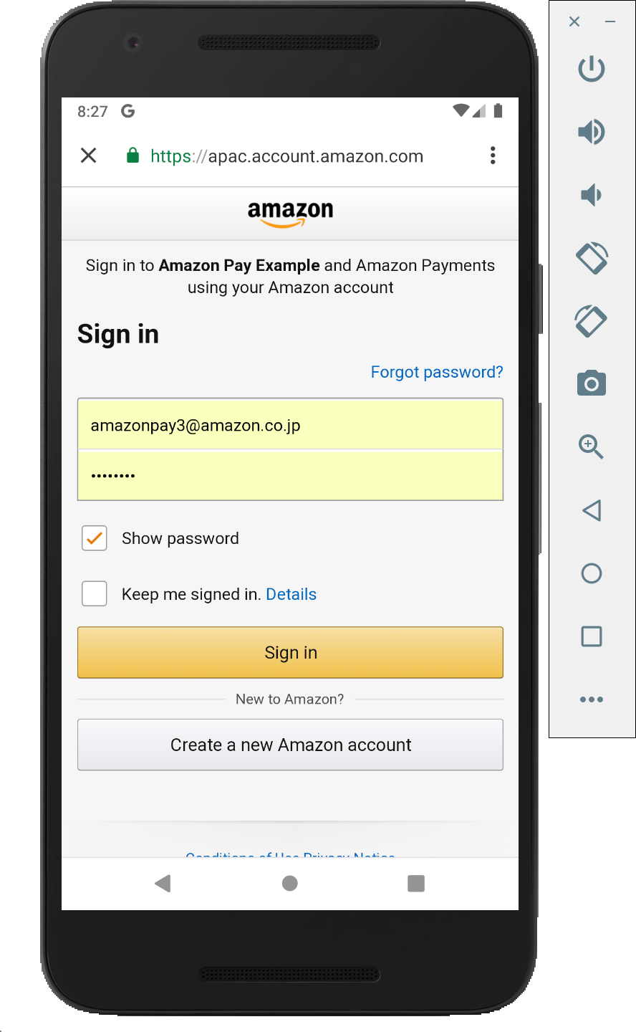
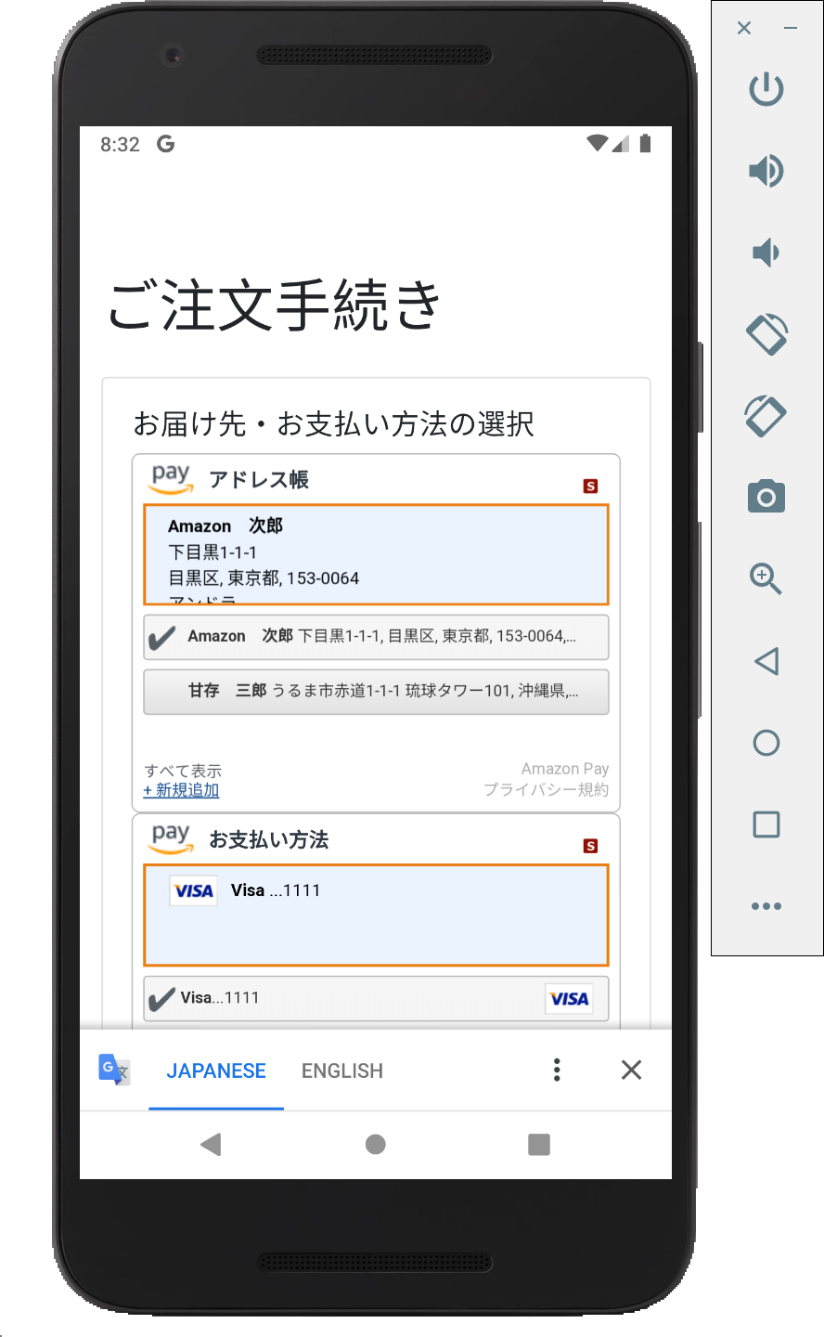
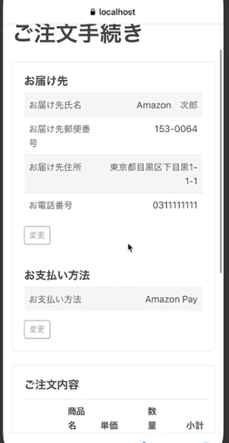
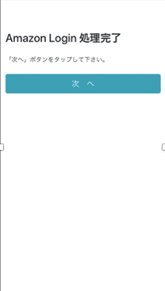
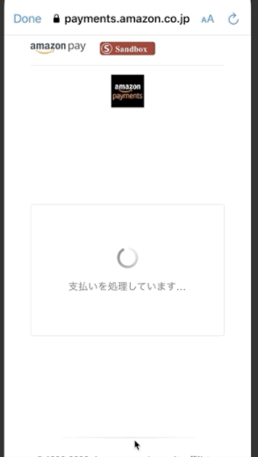
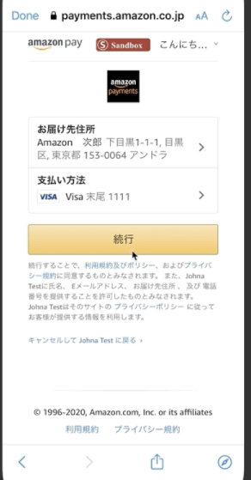
B
R
O
W
S
E
R

In case of NOT working Applinks;
redirect to https://localhost:3443/static/next.

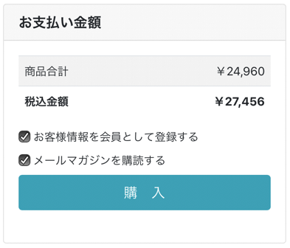

 | Access to
 | https://10.0.2.2:3443/sample/cart

app.js: Cart Screen
cart.ejs
 |  |  | Automatically move to Login Screen
 |  | Access to |  | Access to |  | Access to
S |  | https://10.0.2.2:3443/appLogin |  | https://10.0.2.2:3443/sample/checkoutReview?amazonCheckoutSessionId={id} | Access to url of response of Update Checkout Session API | https://10.0.2.2:3443/sample/thanks
app.js: Checkout Review Screen
checkoutReview.ejs
app.js: Checkout Session Update API
E
app.js: App Login Screen
appLogin.ejs
app.js: Thanks Screen
thanks.ejs
R
V
Obtain checkoutSession by Amazon Pay API
Update checkoutSession by Amazon Pay API
E
R

