flow
<View Controller>
Launch WebView
<AppDelegate>
Set target url in Close
ViewController of SFSafariView
<ViewController>
Launch JavaScript to load target url
<View Controller>
Launch SFSafariView
<AppDelegate>
Set target url in Close
ViewController of SFSafariView
<ViewController>
Launch JavaScript to load target url
<ViewController>
Launch SFSafariView
N
A
T
I
Laucnch ViewController from JavaScript in WebView.
Launch AppDelegate#application by Universal Links
V
Launch ViewController from JavaScript in WebView
Launch AppDelegate#application by CustomURLScheme
E

WKWebView
SFSafariView
WebView
SFSafariView
WebView
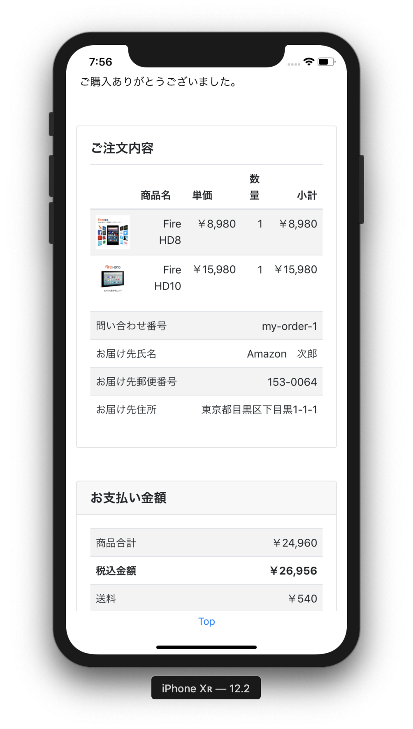
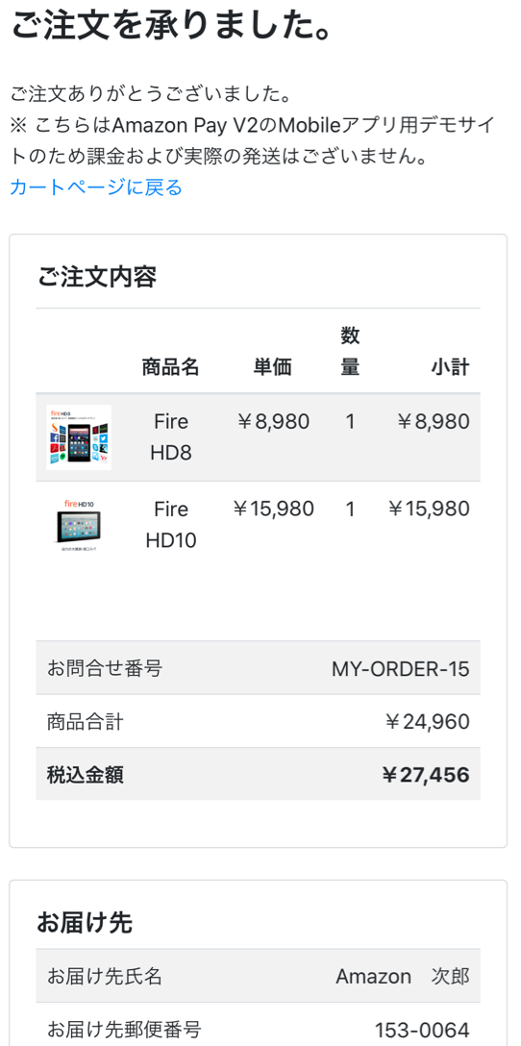
A
P
P
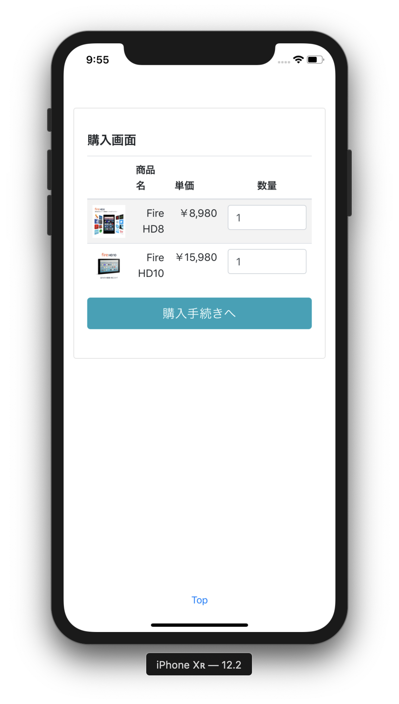
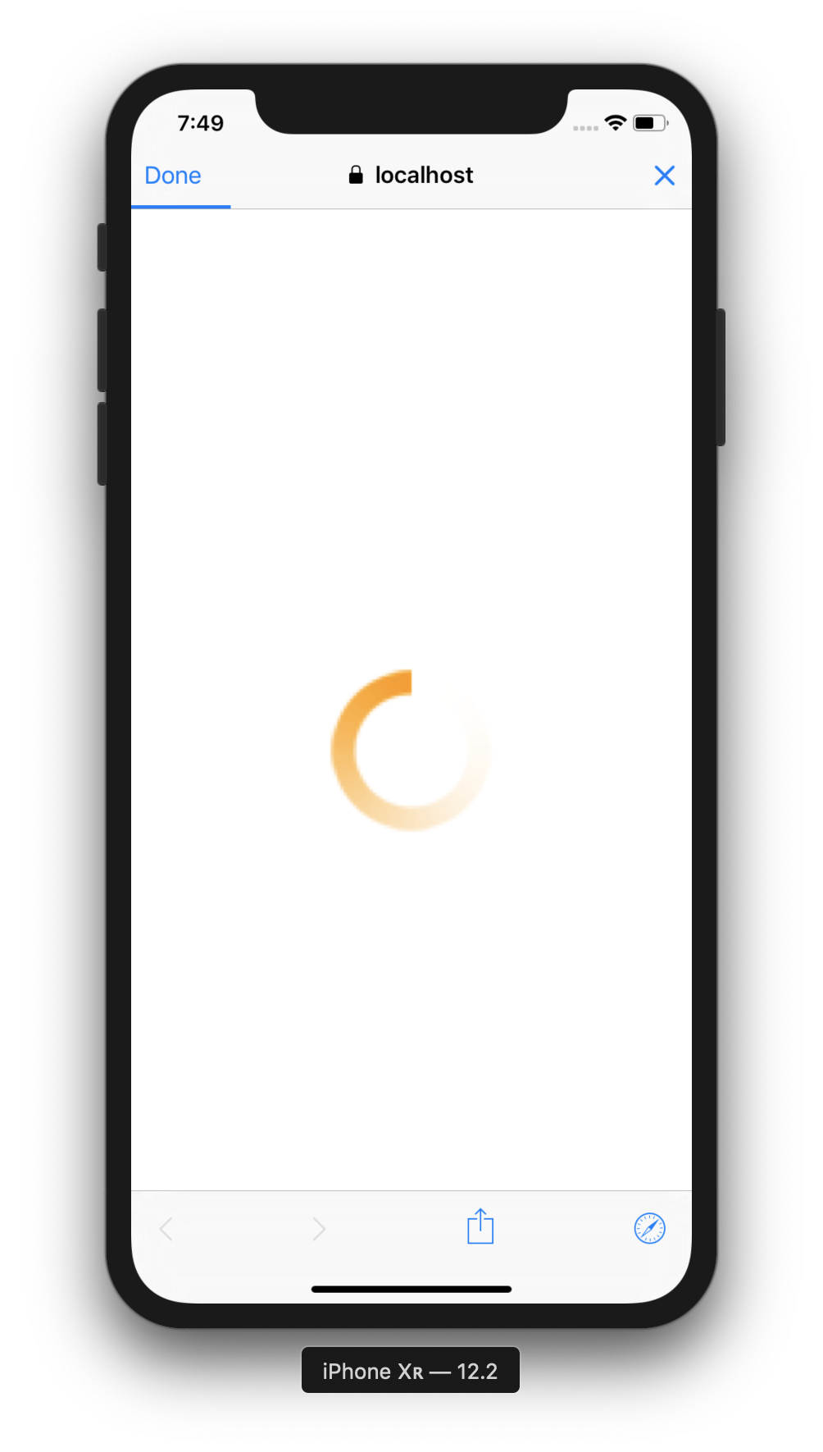
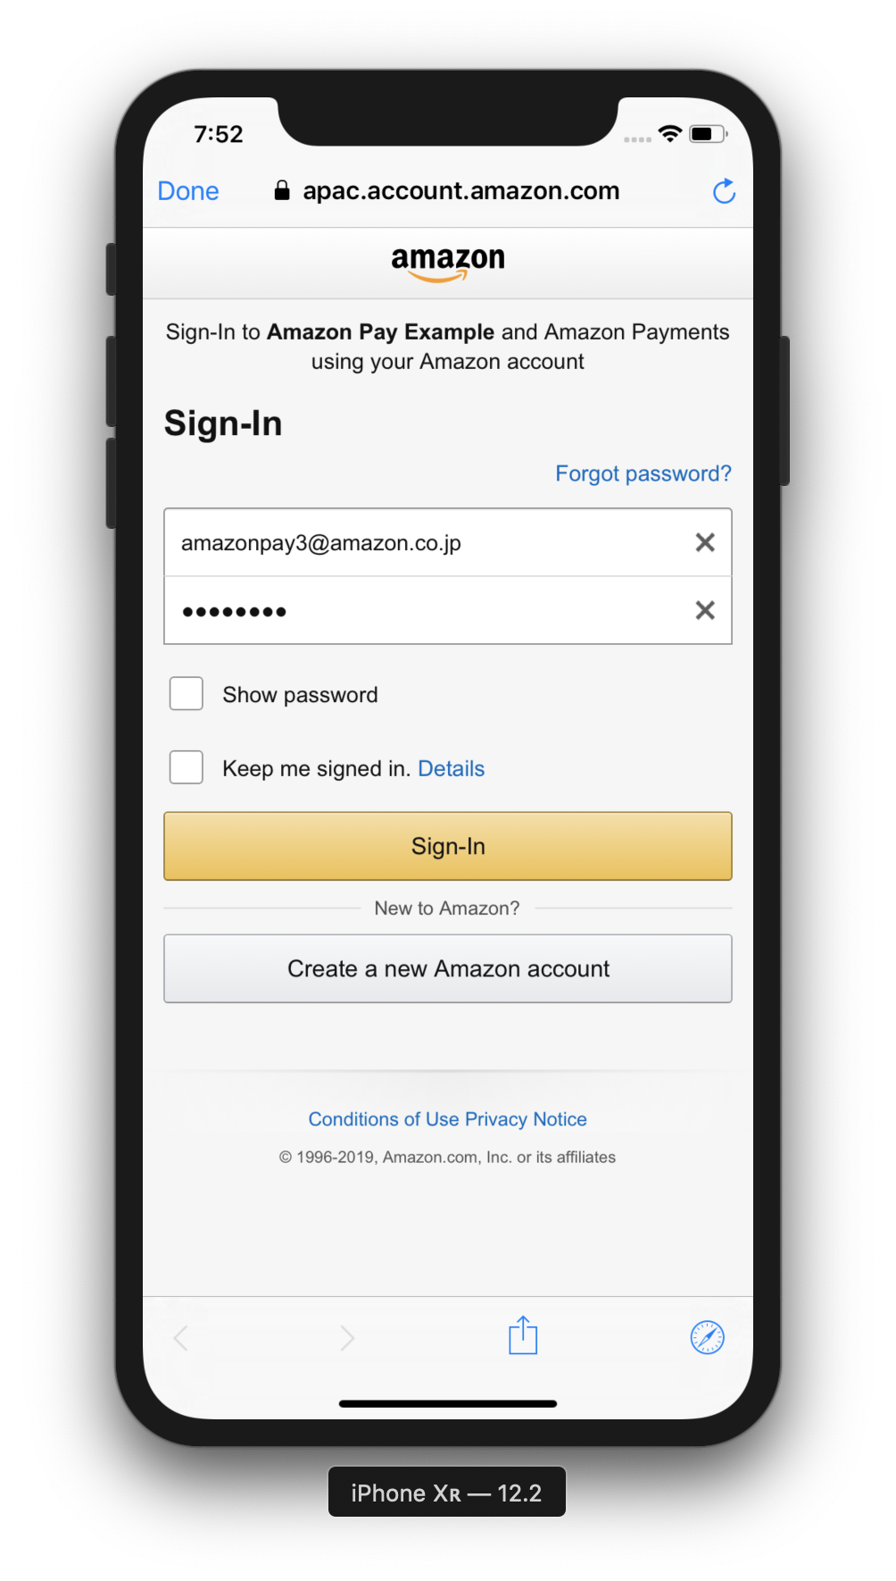
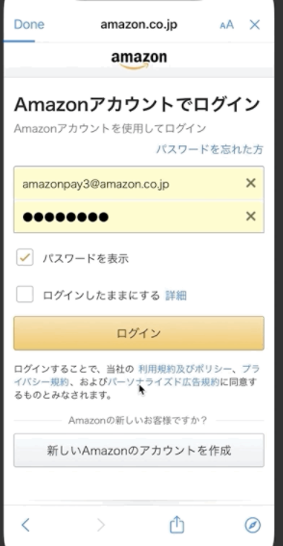
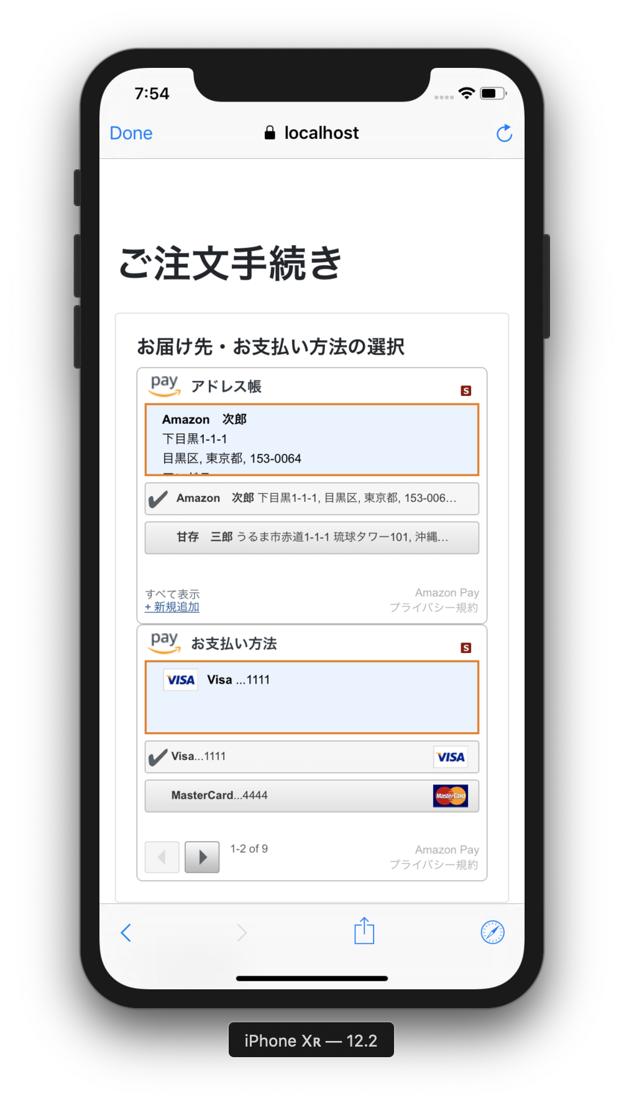
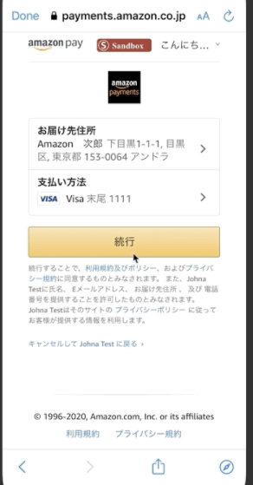
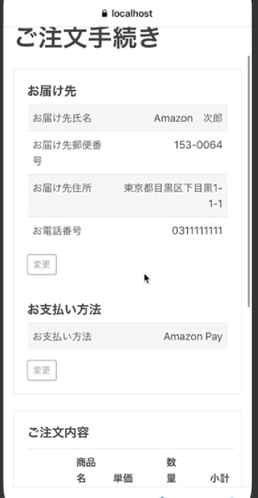
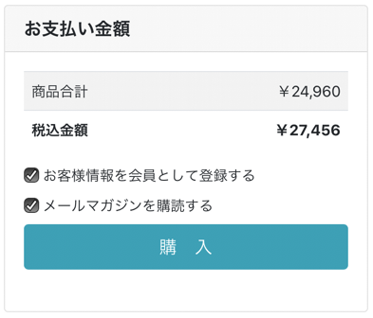
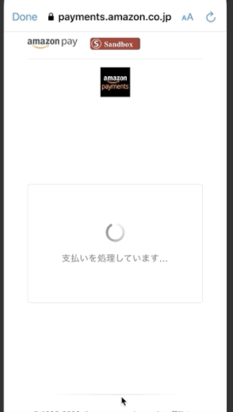

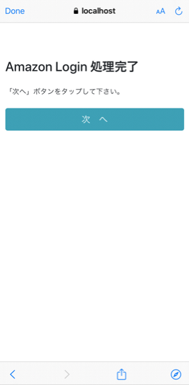
B
R
O
In case of working Universal Links
W
S
E
R

In case of NOT working Universal Links;
redirect to https://localhost:3443/static/next.html

 | Access to
 | https://localhost:3443/sample/cart

Automatically move to Login Screen

app.js: Cart Screen
cart.ejs
app.js: Checkout Review Screen
checkoutReview.ejs
 |  | Access to | Access to |  | Access to
S |  | https://localhost:3443/appLogin | https://localhost:3443/sample/checkoutReview?amazonCheckoutSessionId={id} | Access to url of response of Update Checkout Session API | https://localhost:3443/sample/thanks
E
app.js: App Login Screen
appLogin.ejs
app.js: Thanks Screen
thanks.ejs
R
app.js: Checkout Session Update API
V
Obtain checkoutSession by Amazon Pay API
E
Update checkoutSession by Amazon Pay API
R

