flow
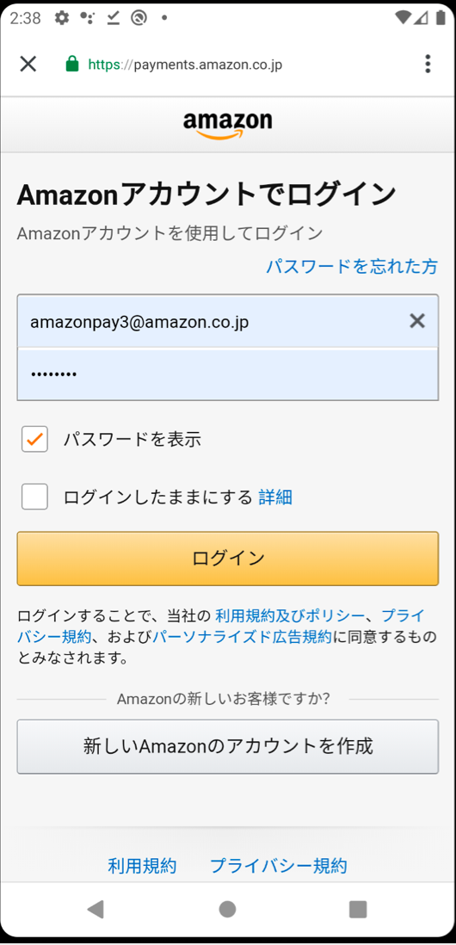
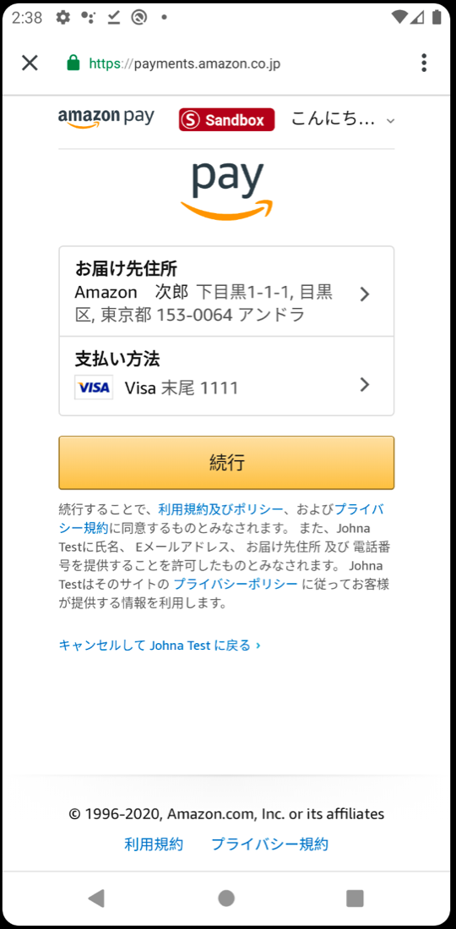

WebView

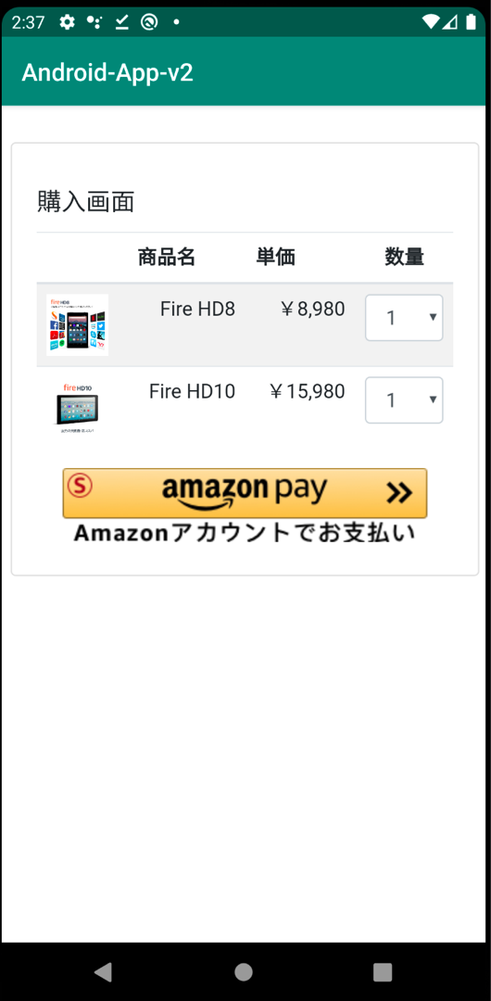
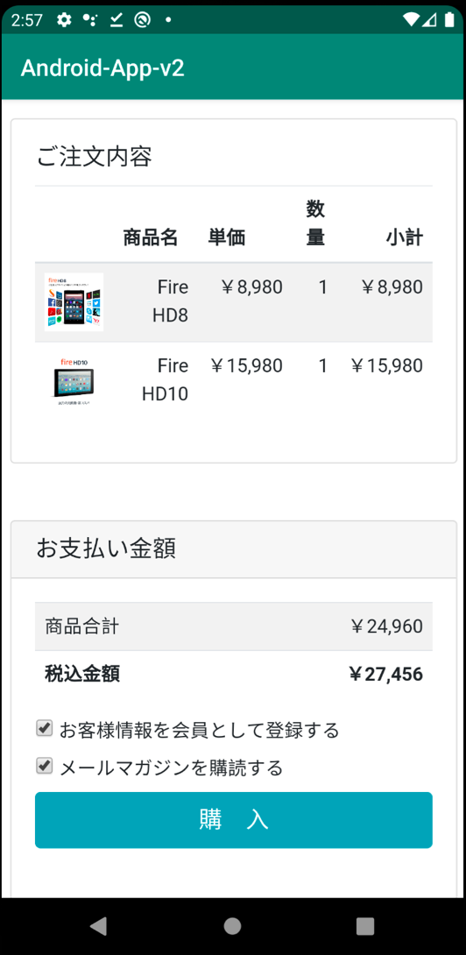
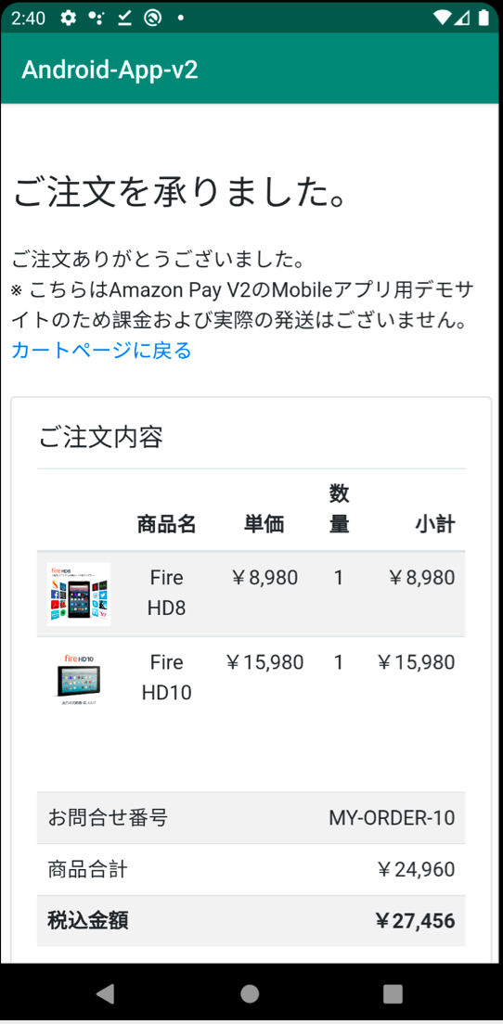

Purchase

Invoke native app code
Invoke native app code

Native

Invoke Secure WebView
Invoke JavaScript function on WebView
Invoke Secure WebView
Invoke JavaScript function on WebView

- Android: App Links
- iOS: Universal Links
- Android: Intent
- iOS: Custom URL Scheme

Secure WebView
Secure WebView

purchase-flow

Cart Page
The pages on Amazon
Review Page
The pages on Amazon
Thanks Page

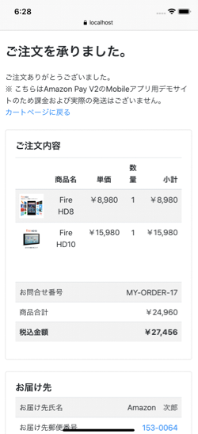
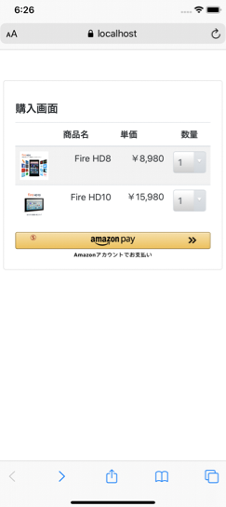
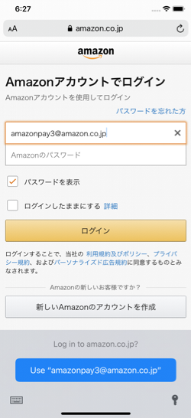
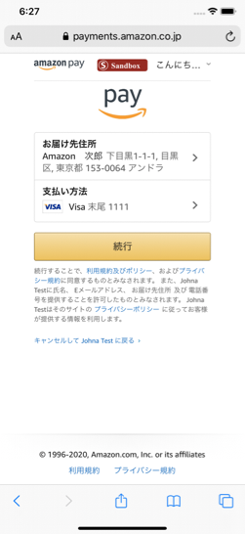
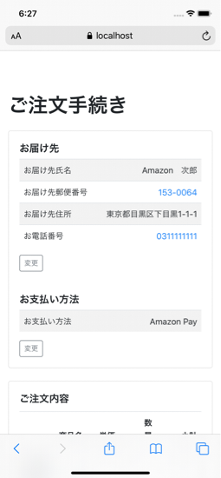


①
②
④

③

Purchase

Cart Page
The pages on Amazon
Reveiw Page
The pages on Amazon
Thanks Page
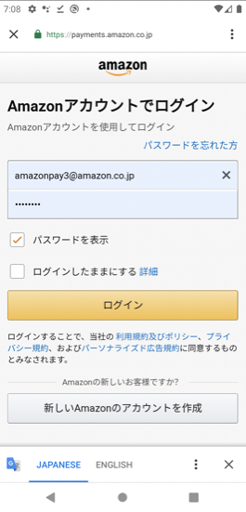
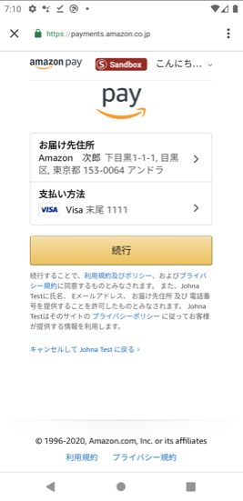

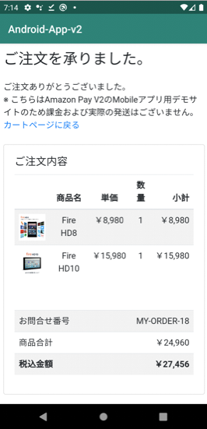
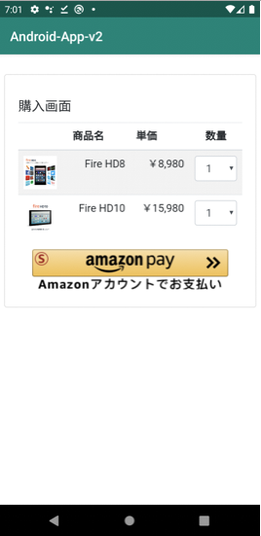
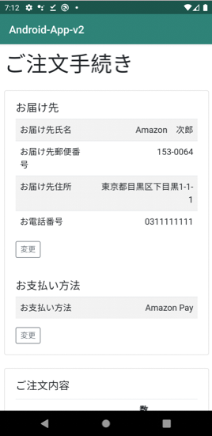
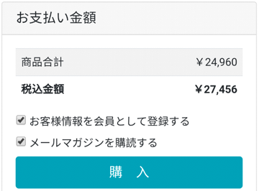

②
①
④

③

Purchase

