About the Paris Call



The Paris Call for Trust and Security in Cyberspace
Working Group n°6: Bringing tools to the Paris Call’s community

About the Paris Call The Paris Call for Trust and Security in Cyberspace, launched by French President Emmanuel Macron in November 2018, promotes a multi-stakeholder approach to improve trust, security and stability in cyberspace in collaboration with states, local governments, private sector entities and civil society organizations. It has now become the largest multi-stakeholder initiative in the world on cybersecurity, with more than 1,000 supporters from all sectors and regions. The Call is organized around nine common principles.

About the Working Group n°6 The overall goal of the WG6 is to propose concrete tools to the supporters of the Paris Call to help them improve their cybersecurity level. In line with the 6th principle of the Paris Call, WG6’s objective is to get a broad perspective on the issue of ICT supply chain security, building on what has been achieved at other fora such as the UN, the OECD and the Geneva Dialogue on Responsible Behaviour in Cyberspace. It covers several dimensions, including the security of products, the responsibility and accountability of stakeholders (manufacturers and vendors, users, and governments), and operational challenges (operational and situational capacities in investigating, preventing and responding to incidents). Despite the efforts of cybersecurity actors and the adoption of best practices and standards, vulnerabilities and sources of insecurity remain widespread in cyberspace.

WG6 aims to tackle this issue by first mapping existing initiatives on the topic of security of products and accountability of the stakeholders involved. This preliminary work is aimed at promoting and supporting ongoing work in order to avoid duplication and promote best practices, such as the OECD Policy Toolkit and other initiatives. By identifying patterns and gaps in implementation, the WG6 will also prepare conclusions and recommendations for further discussion and review by the Paris Call community.

The aim of the first workstream of the WG is to develop a mapping of existing initiatives and frameworks relating to ICT supply chain security, in order to identify what exists and where policy gaps are.

The work of the WG6 is co-chaired by: - Cigref (France) : Arnaud Coustillière, Paris Call’s Cigref Representative; Clara Morlière, Senior Mission Officer; - Kaspersky (Russia): Anastasiya Kazakova, Senior Public Affairs Manager; Arnaud Dechoux, Public Affairs Manager Europe; With the expertise of Geode : Aude Géry, Post doctoral researcher; Contact - contact@pariscall.international - cigref@cigref.fr - anastasiya.kazakova@kaspersky.com

About the following mapping
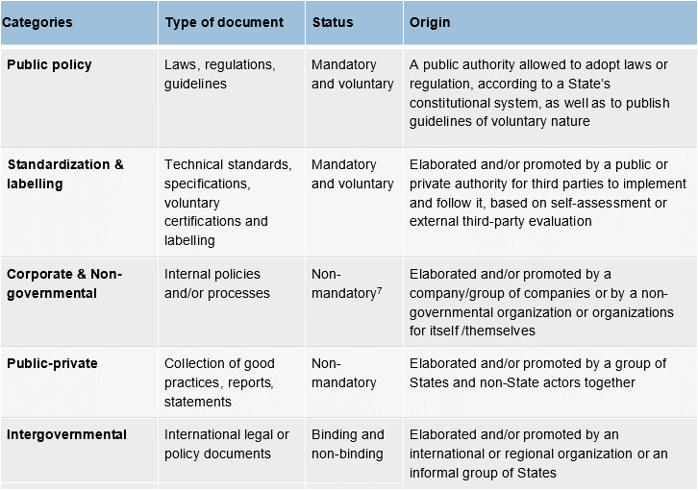
ABOUT THE FOLLOWING MAPPING

Version date : 12/11/2021

The following map is the result of several months of work by the members of the working group 6 (WG6). You find the report on the Paris Call website homepage.

How to read?
Below there are some tips in analyzing the mapping results:
1/ This map is based on the six high-level priniciples formulated by the OECD in its report on "Enhancing the digital security of products" (February 2021). https://doi.org/10.1787/cd9f9ebc-en

2/ This map is divided into several tabs that correspond to different categories:

* Each column corresponds to the different existing initiatives, classified in several categories (explained below); * Each row corresponds to the main six OECD high-level principles, and the actions (outlined based on the same OECD report) that are associated with them.

Classification of the different frameworks on ICT supply chain security Below we share the classification of the frameworks analyzed (public policy, standardization & labelling, corporate & non-governmental, public-private, and intergovernmental) which is based on a combination of three criteria: the type of document, the status of the document, and its origin. In the mapping our goal is to see which six OECD high-level principles are addressed by the frameworks relating to ICT supply chain security, and, therefore, where policy gaps still exist.

