Accidents vs weather
Accidents vs weather Conditions
 | 1
This suggests that while severe weather (like snow, rain, and windy conditions) contributes to accidents, most accidents happen during normal weather, possibly due to higher traffic volume.

Accidents related to the time
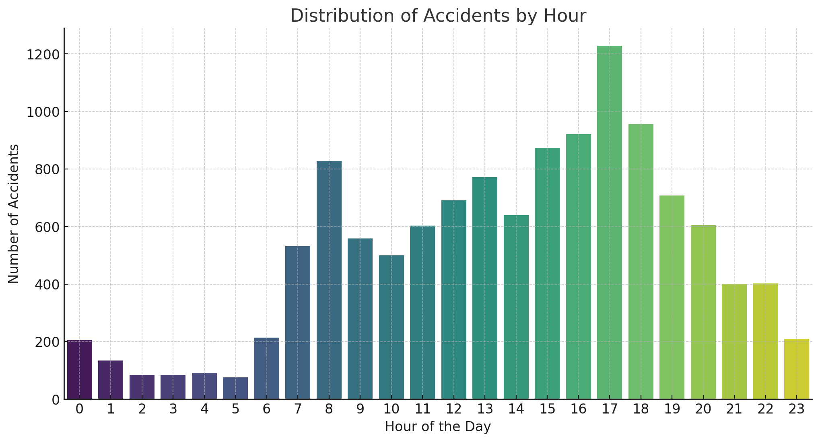

We can see that accidents happen throughout the day but intensity increases towards the evenings and later during the night hours as it is clear from right skewed histogram

Accidents vs road conditions
Accidents vs road conditions
 | 1

 | We can notice happen mostly on dry roads accompanied by accidents on wet and damp roads whereas accidents happening due to snow or flood on roads is minimal , almost neglible

`

Accidents vs hotspots
Accidents vs Hotspots
 | 1

The data shows that the majority of accidents occur at Y-shaped junctions (4,544), followed by no junctions (3,838) and crossings (2,177). This suggests that complex and potentially confusing junctions, like Y-shaped ones, are more prone to accidents, possibly due to increased maneuvering and decision-making required by drivers.

