Sheet1
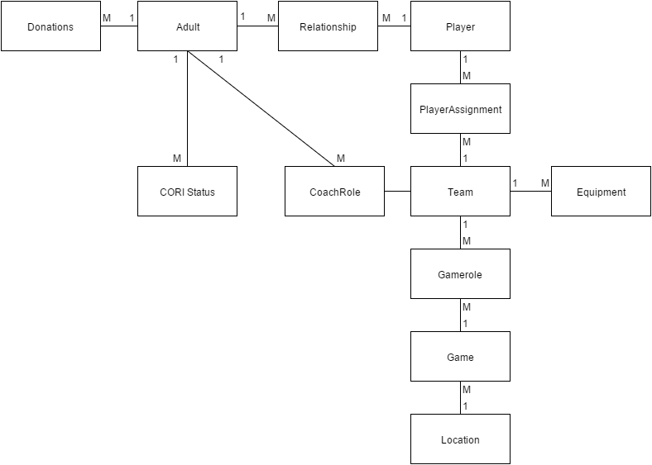
 | PK
 | PlayerID | LastName | FirstName | DOB | Sex
Player Entity | P00001 | Bielecki | Nathan | 2011-02-16 | M
 | P00002 | Santillo | Isaac | 2010-11-07 | M
 | P00003 | Smith | Carter | 2010-10-31 | M

Registrartion | RegNo | PlayerID | Year

 | PK
 | AdultID | LastName | FirstName | Address | PhoneNum | Email | Each child will live with one adult who is the primary contact
Adult Entity | A00001 | Bielecki | Andrew | 5 Overhill, Malden MA 02148 | 5555555555 | a@b.c
 | A00002 | Bielecki | Gillian | 5 Underhill, Malden MA 02148 | 5555555556 | b@b.c
 | A00003 | Santillo | Chris | 5 Rainbow, Malden MA 02148 | 5555555557 | c@b.c
 | A00004 | Callahan | Colleen | 5 Waterman, Cumberland RI 02864 | 5555555558 | d@b.c

 | PK
 | TeamID | TeamName | Division | Status |  |  |  | (401)556-3079
Team Entity | TB01 | SeaDogs | Tball | Active
 | TB02 | MuckDogs | Tball | Active
 | TB03 | IronPigs | Tball | Active

 | PK
 | FieldID | FieldName | Address
Location Entity | Trafton | Trafton Field | Trafton Ave Malden, MA
 | Bruce | Bruce Field | Bruce Ave Maldenm MA
 | Linden | Linden Field | Linden Ave, Malden, MA
 |  |  |  |  |  | 1
 | PK
 |  | FK
 | CORINum | AdultID | Year
CORI Entity | C00001 | A00001 | 2016
 | C00002 | A00001 | 2015
 | C00003 | A00002 | 2016

 | PK
 |  | FK
 | DonationNum | AdultID | Amount | Date
Donation Entity | D00001 | A00001 | 100 | 2015-10-16
 | D00002 | A00002 | 25 | 2016-10-15

 | PK |  |  |  |  |  | Assumption: A person can only have one role on each team
 | FK | FK
 | AdultID | TeamID | Role | Year
CoachRole Entity | A00001 | TB01 | HeadCoach | 2016
 | A00002 | TB01 | AssistantCoach | 2016

 |  | FK
 | PK
 | GameID | FieldID | Date | Time | Winner
Game Entity | G00001 | Trafton | 2016-10-10 | 7PM
 | G00002 | Linden | 2016-10-10 | 7PM

 | FK |  | FK
 | PK
 | GameID | Role | Team
GameRole Entity | G00001 | Home | TB01
 | G00001 | Away | TB02

 |  | FK | FK
 | PK
 | AssignNum | PlayerID | TeamID | Year
PlayerAssignment | 1 | P00001 | TB01 | 2016
 | 2 | P00002 | TB01 | 2016
 | 3 | P00003 | TB01 | 2016

 | FK | FK
 | PK
 | AdultID | PlayerID | Relationship |  |  |  | Assumption each player - adult pair will only have one relationship
primary | A00001 | P00001 | Father
 | A00002 | P00001 | Mother
 | A00004 | P00001 | Grandmother

 | FK | FK
 | PK
 | PlayerID | AdultID
Emergency | P00001 | A00004

