SCREEN SHOT_W_C_L_D
matching

difference

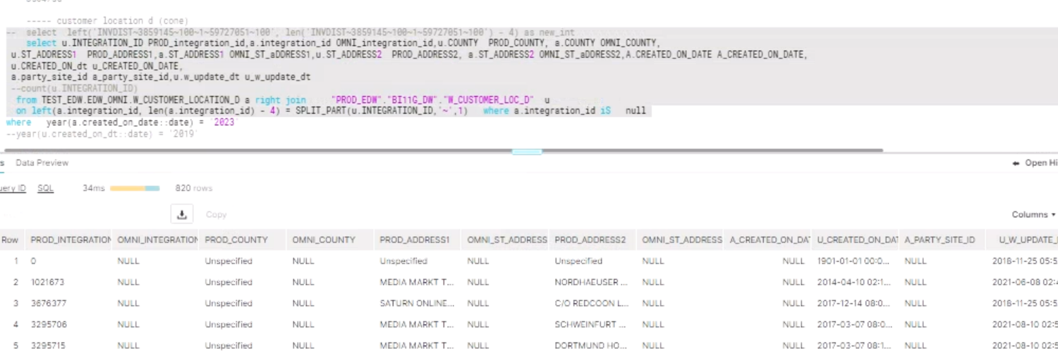

ID'S NOT PRESENT IN SOURCE TABLE IN THESE 820 RECORDS

1021673
3676377
3605810
1289980
1438184

INVENTORY_SCREENSHOT
MATCHING

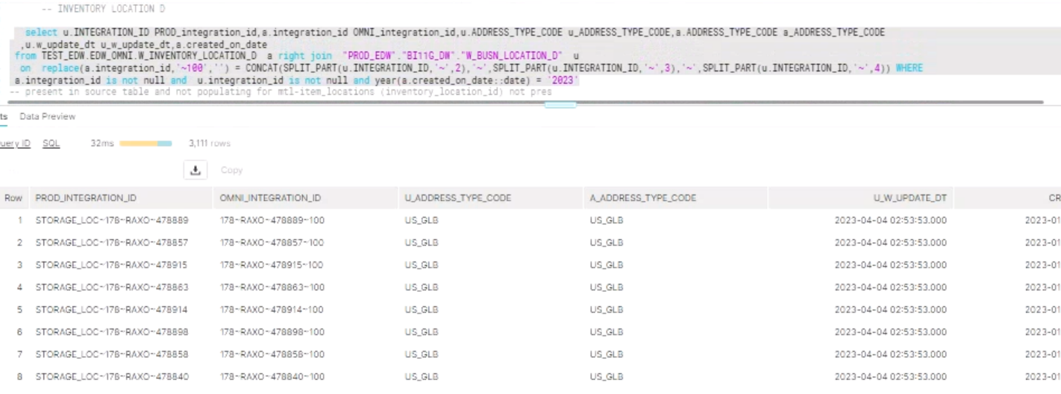

DIFFERENCE

 | nulls should be with prod created date
 | left join a.integration_id is null

IN DEV_ODS ALSO RECORDS NOT THERE FOR THIS PROD INTEGRATION ID FOR WHICH OMNI ID IS NULL

payment_screen_shot
MATCHING

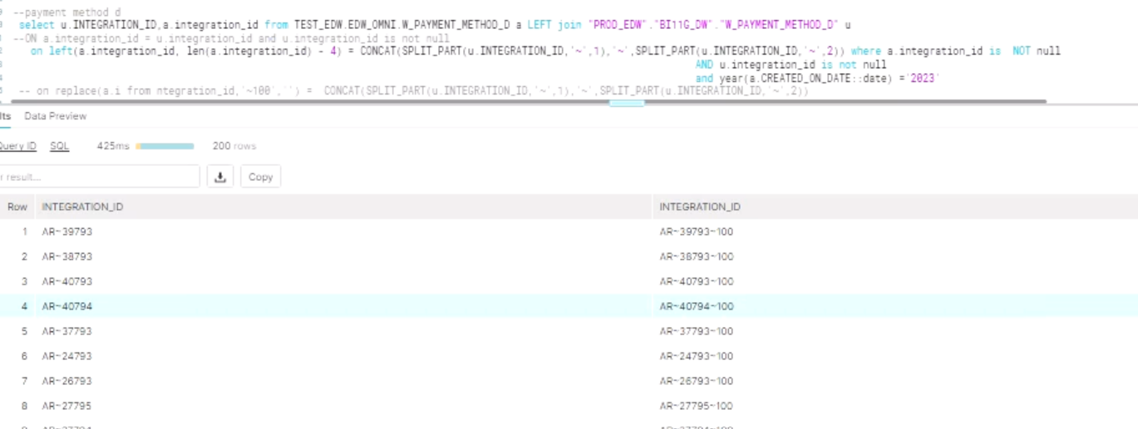

DIFFERENCE

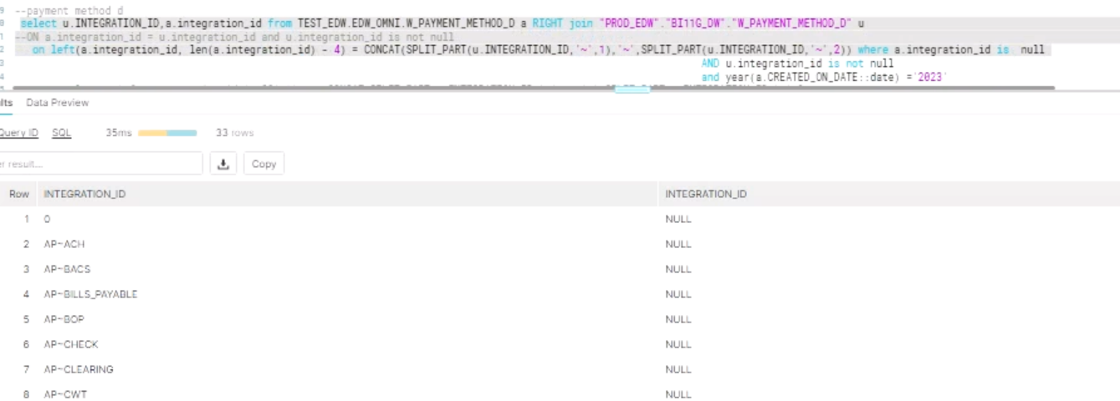

NOTE : AP_INTEGRATION_ID NOT INCLUDED IN DBT _CODE

claimf screen shot
MATCHING

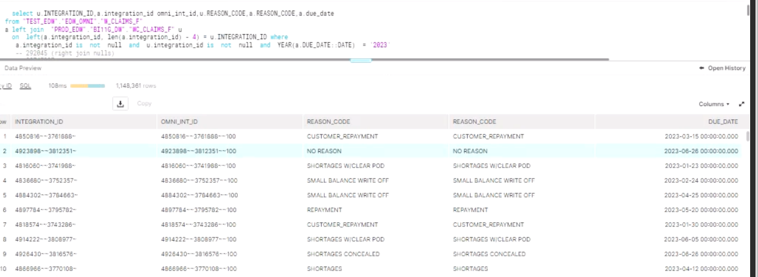

DIFFERENCE

trade_funds_screenshot
MATCHING

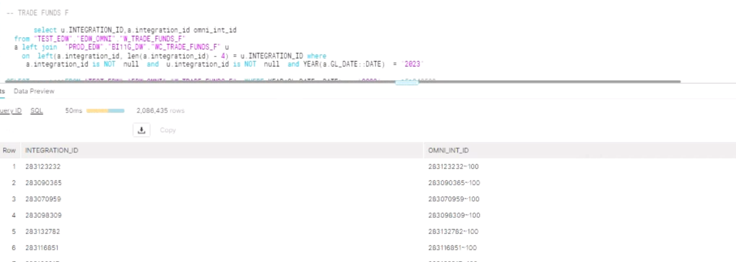

DIFFERENCE

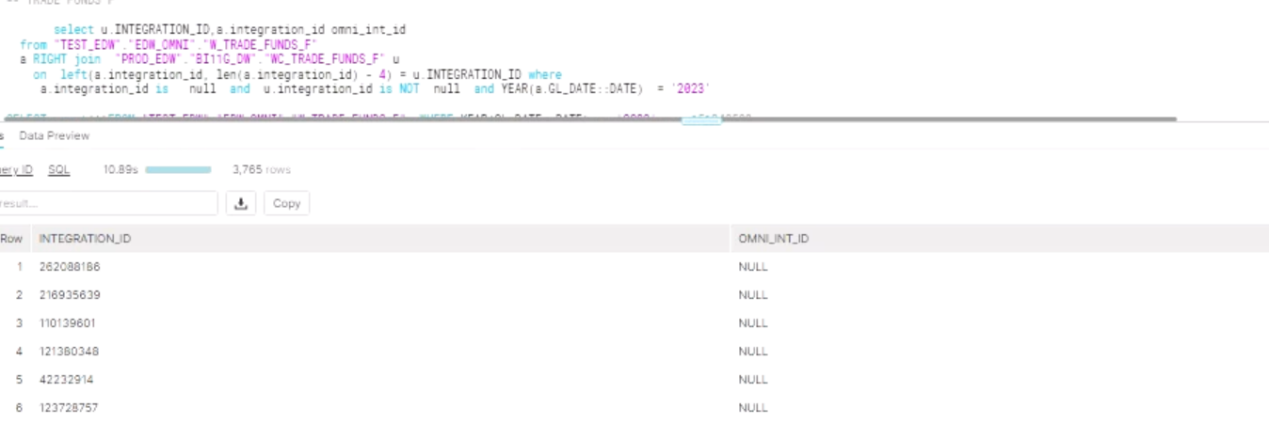

ID'S

2086435 | MATCHING RECORDS WITH NOT NULLS BOTH IDS LEFT JOIN(2023)
2086435 | MATCHING RECORDS WITH NOT NULLS BOTH IDS RIGHT JOIN(2023)

BASE TABLE QUERY

select CREATION_DATE from dev_ods.oracle_financials. ozf_funds_utilized_all_b where utilization_id = '135232467' --present

MATCHING RECORDS IN PROD FROM TEST |  | 98708521 | MODEL
NON MATCHING RECORDS IN PROD FROM TEST |  | 3765

TOTAL RECORDS IN PROD |  | 98712286

