Validation_phase1_phase2

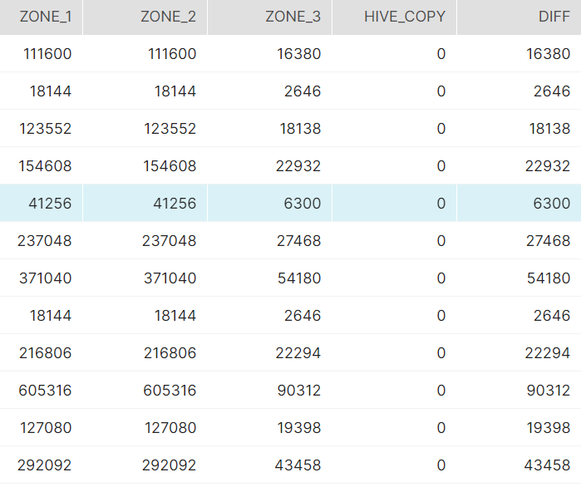


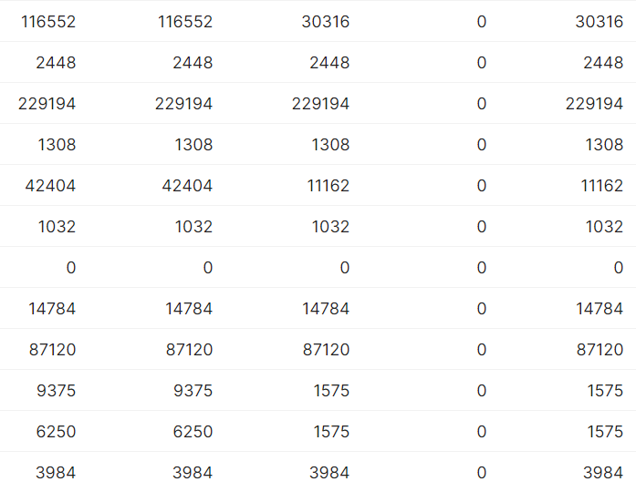

NOTE | Quartely_Brand_Atmsc table has to be taken out
 | No data in Htas_branf_share and outdoorbrand_share @dev

Hand_Tools_and_OPE_SBD_Market
Hand_Tools_and_OPE_SBD_Market_Share_Quarterly
1 | Check Whether the data stored in the tables is correct and as per the business requirements?
 | YES

2 | Check for the table name ('Hand_Tools_and_OPE_SBD_Market_Share_Quarterly") created ?

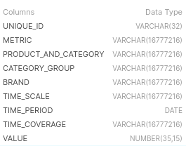

3 | Verify Audit Columns.

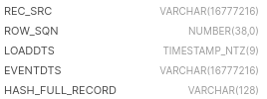

4 | Table Schema name should be "NUMERATOR"

5 | Check source count and target count are matching.

Power_Tools_and_PTA_SBD_Market
Power_Tools_and_PTA_SBD_Market_Share_Quarterly
1 | Check Whether the data stored in the tables is correct and as per the business requirements?
 | YES

2 | Check for the table name ('Power_Tools_and_PTA_SBD_Market_Share_Quarterly") created ?

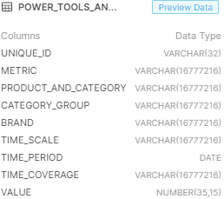

3 | Verify Audit Columns.

4 | Table Schema name should be "NUMERATOR"

5 | Check source count and target count are matching.

A1

Shopper_Metric_Hand_Tools_OPE
Shopper_Metric_Hand_Tools_OPE
1 | Check Whether the data stored in the tables is correct and as per the business requirements?
 | YES

2 | Check for the table name ('Shopper_Metric_Hand_Tools_OPE") created ?

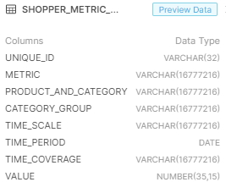

3 | Verify Audit Columns.

4 | Table Schema name should be "NUMERATOR"

5 | Check source count and target count are matching.

Shopper_Metric_Power_Tools_PTA
Shopper_Metric_Power_Tools_and_PTA
1 | Check Whether the data stored in the tables is correct and as per the business requirements?
 | YES

2 | Check for the table name ('Shopper_Metric_Power_Tools_PTA") created ?

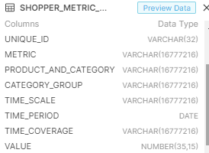

3 | Verify Audit Columns.

4 | Table Schema name should be "NUMERATOR"

5 | Check source count and target count are matching.

DF1_Region_split_on_Subcategory
DF1_Region_split_on_Subcategory_of_Power_Tools__PTA_Combined_PTA_SBU_CG_Granular
1 | Check Whether the data stored in the tables is correct and as per the business requirements?
 | YES

2 | Check for the table name ('DF1_Region_split_on_Subcategory_of_Power_Tools__PTA_Combined_PTA_SBU_CG_Granular") created ?

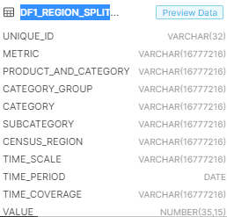

3 | Verify Audit Columns.

4 | Table Schema name should be "NUMERATOR"

5 | Check source count and target count are matching.

DF2_Region_split_on_Subcategory
DF2_Region_split_on_Subcategory_level_of_Hand_ToolsStorage_Outdoors
1 | Check Whether the data stored in the tables is correct and as per the business requirements?
 | YES

2 | Check for the table name ('DF2_Region_split_on_Subcategory_level_of_Hand_ToolsStorage_Outdoors") created ?

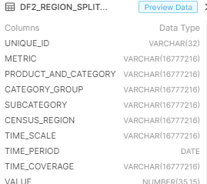

3 | Verify Audit Columns.

4 | Table Schema name should be "NUMERATOR"

5 | Check source count and target count are matching.

DF1_Retailer_split_on_Subcatego
DF1_Retailer_split_on_Subcategory_of_Power_Tools__PTA_Combined_PTA_SBU_CG_Drills_Saws
1 | Check Whether the data stored in the tables is correct and as per the business requirements?
 | YES

2 | Check for the table name ('DF1_Retailer_split_on_Subcategory_of_Power_Tools__PTA_Combined_PTA_SBU_CG_Drills_Saws") created ?

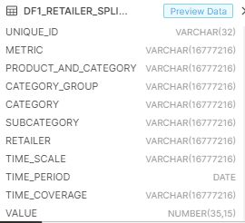

3 | Verify Audit Columns.

4 | Table Schema name should be "NUMERATOR"

5 | Check source count and target count are matching.

DF2_Retailer_split_on_Subcatego
DF2_Retailer_split_on_Subcategory_level_of_HTASHTStorageOutdoors
1 | Check Whether the data stored in the tables is correct and as per the business requirements?
 | YES

2 | Check for the table name ('DF2_Retailer_split_on_Subcategory_level_of_HTASHTStorageOutdoors") created ?

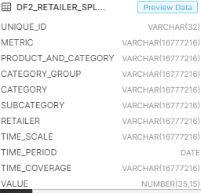

3 | Verify Audit Columns.

4 | Table Schema name should be "NUMERATOR"

5 | Check source count and target count are matching.

DF1_Region_split_on_Category
DF1_Region_split_on_Category_of_Power_Tools_PTA_landing
1 | Check Whether the data stored in the tables is correct and as per the business requirements?
 | YES

2 | Check for the table name ('DF1_Region_split_on_Category_of_Power_Tools__PTA_Combined_PTA_SBU_CG_Drills_Saws") created ?

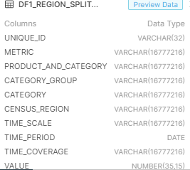

3 | Verify Audit Columns.

4 | Table Schema name should be "NUMERATOR"

5 | Check source count and target count are matching.

DF2_Region_split_on_Category
DF2_Region_split_on_Category_level_of_HTASHand_ToolsStorageOutdoors
1 | Check Whether the data stored in the tables is correct and as per the business requirements?
 | YES

2 | Check for the table name ('DF2_Region_split_on_Category_level_of_HTASHand_ToolsStorageOutdoors") created ?

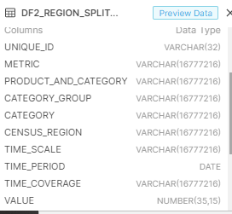

3 | Verify Audit Columns.

4 | Table Schema name should be "NUMERATOR"

5 | Check source count and target count are matching.

DF1_Retailer_split_on_category
DF1_Retailer_split_on_category_of_Power_Tools__PTA_Combined_PTA_SBU_CG_Drills_Saws
1 | Check Whether the data stored in the tables is correct and as per the business requirements?
 | YES

2 | Check for the table name (' DF1_Retailer_split_on_category_of_Power_Tools__PTA_Combined_PTA_SBU_CG_Drills_Saws") created ?

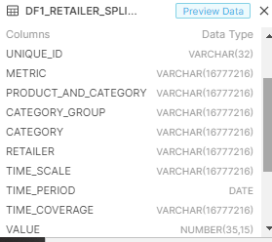

3 | Verify Audit Columns.

4 | Table Schema name should be "NUMERATOR"

5 | Check source count and target count are matching.

DF2_Retailer_split_on_Category
DF2_Retailer_split_on_Category_level_of_HTASHTStorageOutdoors
1 | Check Whether the data stored in the tables is correct and as per the business requirements?
 | YES

2 | Check for the table name ('DF2_Retailer_split_on_Category_level_of_HTASHTStorageOutdoors") created ?

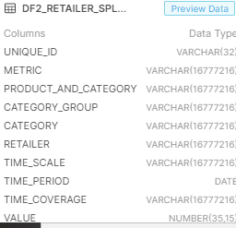

3 | Verify Audit Columns.

4 | Table Schema name should be "NUMERATOR"

5 | Check source count and target count are matching.

DF1_Region_split_on_overall
DF1_Region_split_on_overall_of_Power_Tools_PTA_Combined_PTA_SBU_CG_Drills_Saws
1 | Check Whether the data stored in the tables is correct and as per the business requirements?
 | YES

2 | Check for the table name ('DF1_Region_split_on_overall_of_Power_Tools__PTA_Combined_PTA_SBU_CG_Drills_Saws") created ?

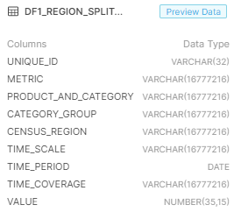

3 | Verify Audit Columns.

4 | Table Schema name should be "NUMERATOR"

5 | Check source count and target count are matching.

DF2_Region_split_on_overall
DF2_Region_split_on_overall_of_HTASHand_ToolsStorageOutdoors
1 | Check Whether the data stored in the tables is correct and as per the business requirements?
 | YES

2 | Check for the table name ('DF2_Region_split_on_overall_of_HTASHand_ToolsStorageOutdoors") created ?

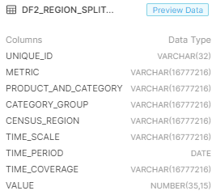

3 | Verify Audit Columns.

4 | Table Schema name should be "NUMERATOR"

5 | Check source count and target count are matching.

DF1_Retailer_split_on_overall
DF1_Retailer_split_on_overall_of_Power_Tools__PTA_Combined_PTA_SBU_CG_Drills_Saws
1 | Check Whether the data stored in the tables is correct and as per the business requirements?
 | YES

2 | Check for the table name ('DF1_Retailer_split_on_overall_of_Power_Tools__PTA_Combined_PTA_SBU_CG_Drills_Saws") created ?

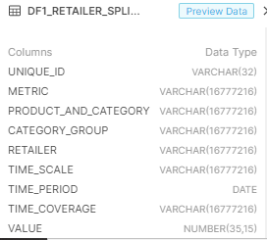

3 | Verify Audit Columns.

4 | Table Schema name should be "NUMERATOR"

5 | Check source count and target count are matching.

DF2_Retailer_split_on_overall
DF2_Retailer_split_on_overall_of_HTASHTStorageOutdoors
1 | Check Whether the data stored in the tables is correct and as per the business requirements?
 | YES

2 | Check for the table name ('DF2_Retailer_split_on_overall_of_HTASHTStorageOutdoors") created ?

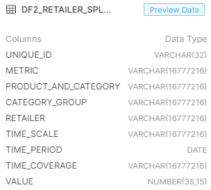

3 | Verify Audit Columns.

4 | Table Schema name should be "NUMERATOR"

5 | Check source count and target count are matching.

MPM Extract
MPM Extract
1 | Check Whether the data stored in the tables is correct and as per the business requirements?
 | YES

2 | Check for the table name ('MPM Extract") created ?

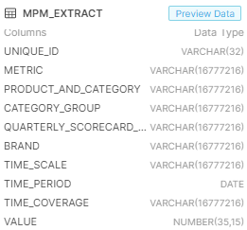

3 | Verify Audit Columns.

4 | Table Schema name should be "NUMERATOR"

5 | Check source count and target count are matching.

