numerator
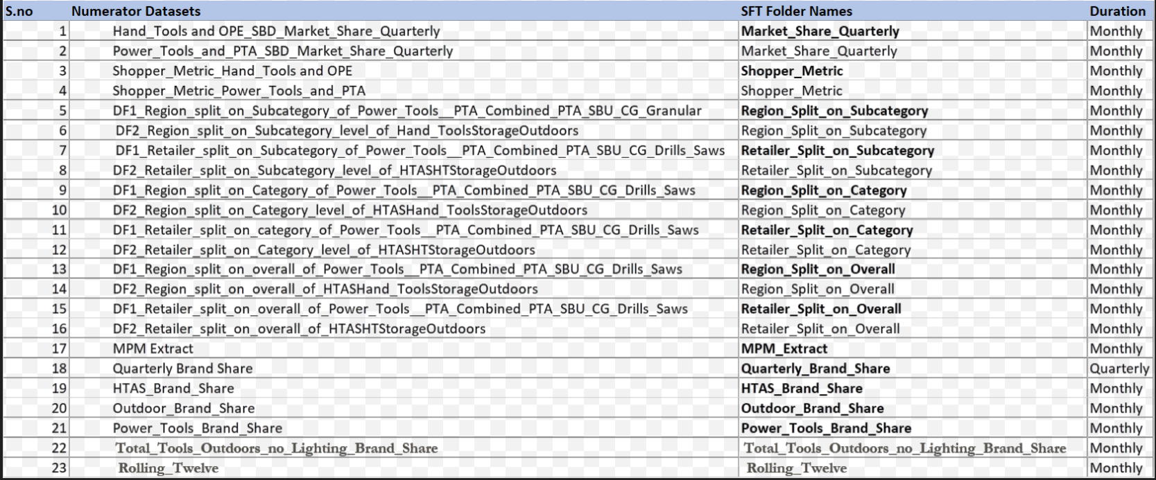
Sheet Name
Trended Metrics Scorecard
Trended Metrics Scorecard
Trended Metrics Scorecard
Trended Metrics Scorecard
Trended Metrics Scorecard
Trended Metrics Scorecard
Trended Metrics Scorecard
Trended Metrics Scorecard
Trended Metrics Scorecard
Trended Metrics Scorecard
Trended Metrics Scorecard
Trended Metrics Scorecard
Trended Metrics Scorecard
Trended Metrics Scorecard
Trended Metrics Scorecard
Trended Metrics Scorecard
Trended Metrics Scorecard
ATMS Raw Data
ATMS Raw Data
ATMS Raw Data
ATMS Raw Data
Trended Metrics Scorecard

