PROWL
PROWL - FULL_URL_LIST_US_CANADA (TEST DATABASE)
1 | TEST SCENARIO : DATA QUALITY
 | TEST STATUS :
 | CHEKING FOR NULL VALUES (KEYS: PRC_COMPTTR_SLS_KEY,SRC_SYS_KEY)

2 | Check For Duplicates

3 | Check for the Flags

4 | Check for the minimum effecive date and maximum expiry date

5 | Check for Loaddts and currency_key

6 | Check for the BRAND_LKEY

7 | Check for the table name ("EDW_PRICING_COMPETITOR_SALES") created ?

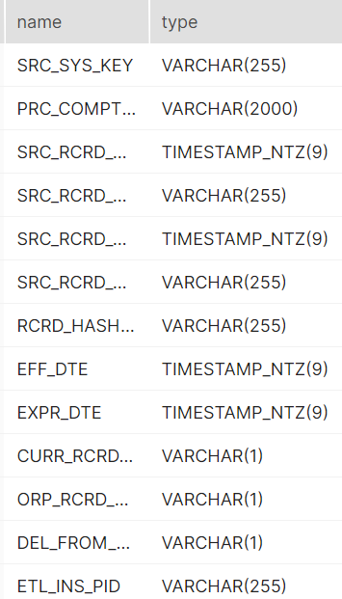
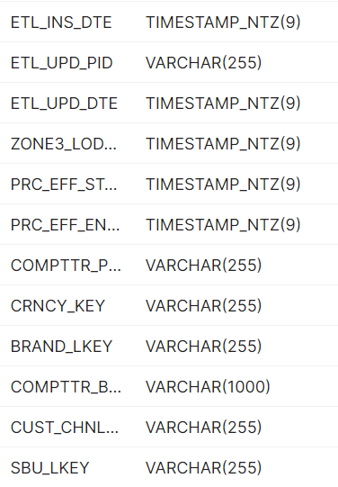
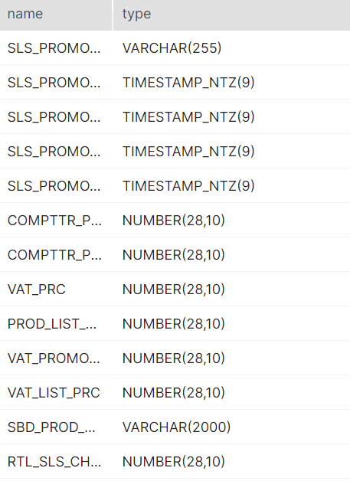
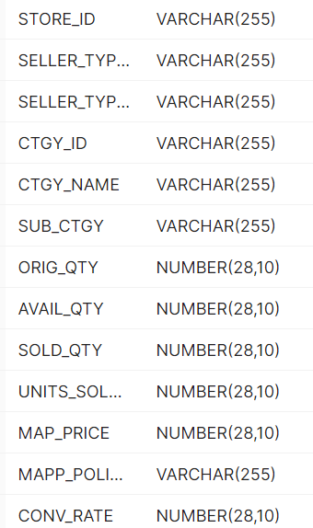
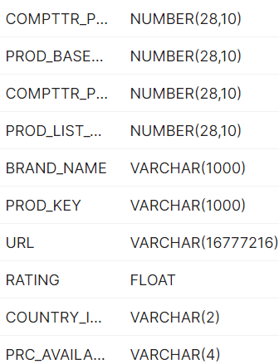

8 | Verify Audit Columns.

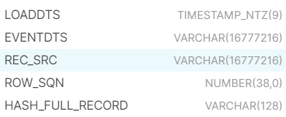

9 | Table Schema name should be "CONSOLIDATED"

10 | Check for count mismatch wih Zone3 (by source system)

STACKLINE
STACKLINE
1 | TEST SCENARIO : DATA QUALITY
 | TEST STATUS :
 | CHEKING FOR NULL VALUES (KEYS: PRC_COMPTTR_SLS_KEY,SRC_SYS_KEY)

2 | Check For Duplicates

3 | Check for the Flags
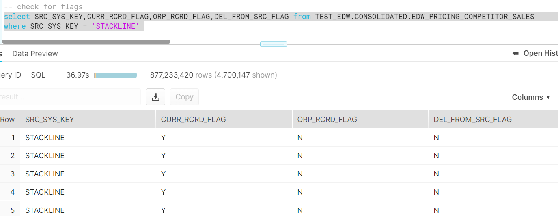

4 | Check for the minimum effecive date and maximum expiry date

5 | Check for Loaddts

6 | Check for the table name ("EDW_PRICING_COMPETITOR_SALES") created ?

7 | Verify Audit Columns.

8 | Table Schema name should be "CONSOLIDATED"

9 | Check for count mismatch wih Zone3 (by source system)

