MeteoStation
METEOSTAT-METEOSTATION
1 | Check Whether the data stored in the tables is correct and as per the business requirements?
 | YES




2 | Check for the table name ('Meteostat_Station") created ?

3 | Verify Audit Columns.

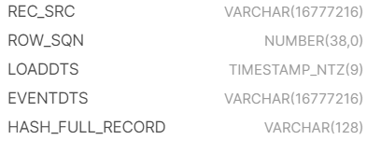

4 | Table Schema name should be "METEOSTAT"

5 | Check source count and target count are matching.

 | COUNT : 603512

6 | Make sure the quarantine is empty, validated is good and zone1,zone2 and zone3 are populated with appropriate data.

FinalWeatherData
METEOSTAT FINALWEATHERDATA
1 | Check Whether the data stored in the tables is correct and as per the business requirements?
 | YES

2 | Check for the table name ('Meteostat Finalweather Data") created ?

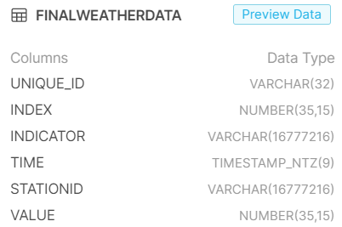

3 | Verify Audit Columns.

4 | Table Schema name should be "METEOSTAT"

5 | Check source count and target count are matching.

 | COUNT : 36971330

6 | Make sure the quarantine is empty, validated is good and zone1,zone2 and zone3 are populated with appropriate data.

Latlongcity_US
METEOSTAT LATLONGBYCITY_US
1 | Check Whether the data stored in the tables is correct and as per the business requirements?
 | YES

2 | Check for the table name ('Latlongcity_US") created ?

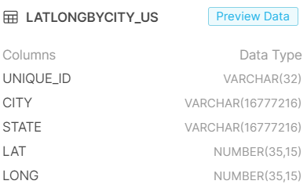

3 | Verify Audit Columns.

4 | Table Schema name should be "METEOSTAT"

5 | Check source count and target count are matching.

 | COUNT : 103598

6 | Make sure the quarantine is empty, validated is good and zone1,zone2 and zone3 are populated with appropriate data.

