Sheet1
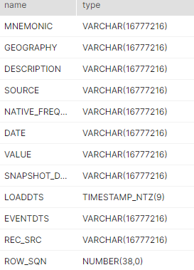
Use a big query shibli used to take snapsht
Make sure every filed is poulated with correct data (2 sample rows)
Take the count of the table
Make sure all data types as per brd

 | MNEMONIC
 | VARCHAR(16777216)
 | GEOGRAPHY
 | VARCHAR(16777216)
 | DESCRIPTION
 | VARCHAR(16777216)
 | SOURCE
 | VARCHAR(16777216)
 | NATIVE_FREQUENCY
 | VARCHAR(16777216)
 | DATE
 | VARCHAR(16777216)
 | VALUE
 | VARCHAR(16777216)
 | SNAPSHOT_DATE
 | VARCHAR(16777216)
 | LOADDTS
 | TIMESTAMP_NTZ(9)
 | EVENTDTS
 | VARCHAR(16777216)
 | REC_SRC
 | VARCHAR(16777216)
 | ROW_SQN

 | NUMBER(38,0)

