NUMERATOR_VALIDATION_RESULTS
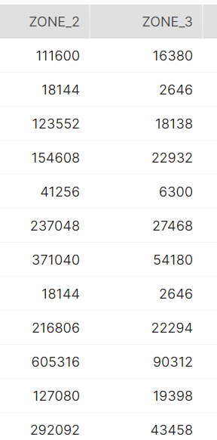

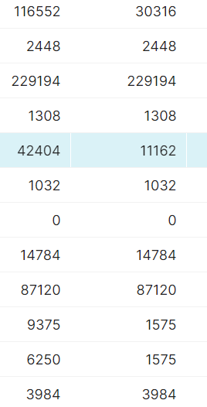

HTAS_BRAND_SHARE
NUMERATOR_PHASE_2 - HTAS-BRAND-SHARE
1 | Check Whether the data stored in the tables is correct and as per the business requirements?
 | YES

2 | Check for the table name ("HTAS_BRAND_SHARE") created ?

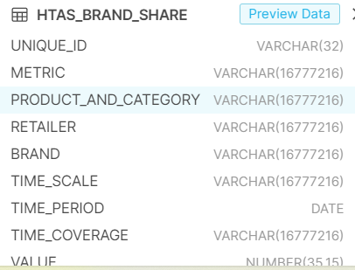

3 | Verify Audit Columns.

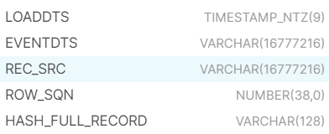

4 | Table Schema name should be "Numerator_Phase2"

5 | Check source count and target count are matching.

OUTDOOR_BRAND_SHARE
NUMERATOR_PHASE_2 - OUTDOOR_BRAND_SHARE
1 | Check Whether the data stored in the tables is correct and as per the business requirements?
 | YES

2 | Check for the table name ("OUTDOOR_BRAND_SHARE") created ?

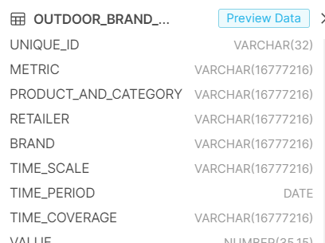

3 | Verify Audit Columns.

4 | Table Schema name should be "Numerator_Phase2"

5 | Check source count and target count are matching.

POWER_TOOLS_BRAND_SHARE
NUMERATOR_PHASE_2 - POWER_TOOLS_BRAND_SHARE
1 | Check Whether the data stored in the tables is correct and as per the business requirements?
 | YES

2 | Check for the table name ("POWER_TOOLS_BRAND_SHARE") created ?

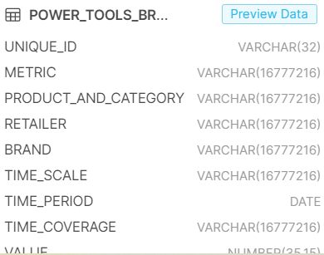

3 | Verify Audit Columns.

4 | Table Schema name should be "Numerator_Phase2"

5 | Check source count and target count are matching.

QUARTERLY_BRAND_SHARE
NUMERATOR_PHASE_2 - QUARTERLY_BRAND_ATMSC
1 | Check Whether the data stored in the tables is correct and as per the business requirements?
 | YES

2 | Check for the table name ("QUARTERLY_BRAND_ATMSC") created ?

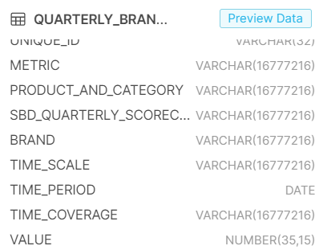

3 | Verify Audit Columns.

4 | Table Schema name should be "Numerator_Phase2"

5 | Check source count and target count are matching.

ROLLING_TWELVE
NUMERATOR_PHASE_2 - ROLLING_TWELVE
1 | Check Whether the data stored in the tables is correct and as per the business requirements?
 | YES

2 | Check for the table name ("ROLLING_TWELVE") created ?

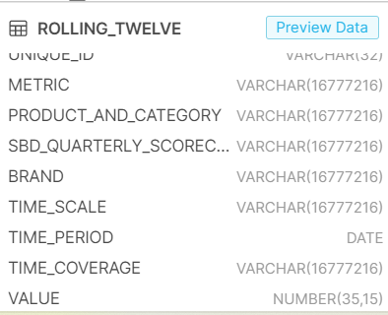

3 | Verify Audit Columns.

4 | Table Schema name should be "Numerator_Phase2"

5 | Check source count and target count are matching.

TOTAL_TOOLS_OUTDOORS_NO_LIGHTIN
NUMERATOR_PHASE_2 - TOTAL_TOOLS_OUTDOORS_NO_LIGHTING_BRAND_SHARE
1 | Check Whether the data stored in the tables is correct and as per the business requirements?
 | YES

2 | Check for the table name ("TOTAL_TOOLS_OUTDOORS_NO_LIGHTING_BRAND_SHARE") created ?
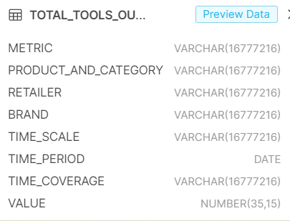

3 | Verify Audit Columns.

4 | Table Schema name should be "Numerator_Phase2"

5 | Check source count and target count are matching.

